Figure S1, 3, 4
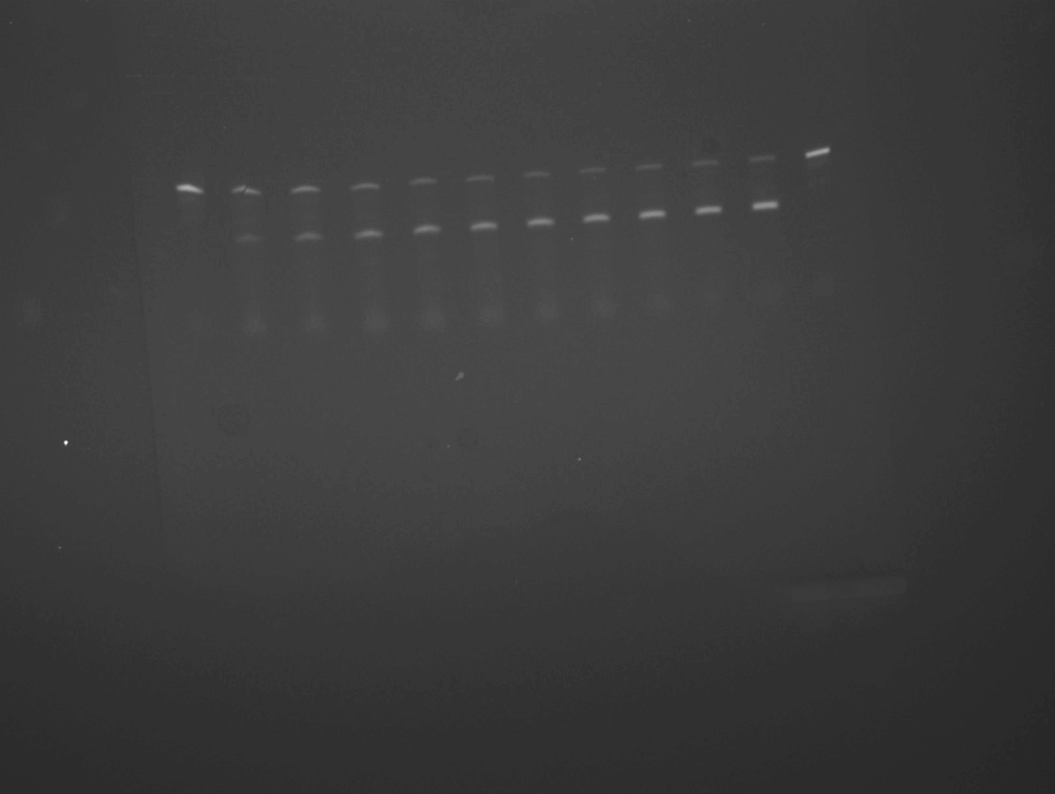
Figure S1 - cleavage rate analysis |  |  |  | [Figure S3 - from simulation to linear regression] |  |  |  |  |  |  |  | [Figure S4]
x | y | Fitted line (x) | Fitted line (y) | Simulation (x) | Simulation (y) | Linear regression (x) | Linear regression (y) |  |  |  |  | Time (min) | Original rate | S4A | S4 B | S4C | S4D | [S4A - fitted line] |  |  |  | [S4B - fitted line]
0 | 0.06565 | 0 | 0.06813 | 10 | 0.99008 | 10 | 0.99008 | Equation | y = a + b*x |  |  | 0 | 0 | 0 | 0 | 0 | 0 | Equation | y = a + b*x |  |  | Equation | y = a + b*x
0.5 | 0.41765 | 0.20202 | 0.25024 | 11 | 0.9912 | 10.20202 | 0.99031 | Weight | No Weighting |  |  | 1 | 0.77552 | 0.776 | 0.99899 | 0.78454 | 0.77751 | Weight | No Weighting |  |  | Weight | No Weighting
1 | 0.4778 | 0.40404 | 0.3627 | 12 | 0.99232 | 10.40404 | 0.99053 | Residual Sum of Squares | 4.57E-11 |  |  | 2 | 0.93852 | 0.93862 | 1.00013 | 0.95457 | 0.9472 | Residual Sum of Squares | 4.57E-11 |  |  | Residual Sum of Squares | 4.82E-11
2 | 0.56893 | 0.60606 | 0.43334 | 13 | 0.99343 | 10.60606 | 0.99076 | Pearson's r | 1 |  |  | 3 | 0.97337 | 0.97339 | 1.00127 | 0.992 | 0.99101 | Pearson's r | 1 |  |  | Pearson's r | 1
3 | 0.62692 | 0.80808 | 0.47884 | 14 | 0.99455 | 10.80808 | 0.99098 | Adj. R-Square | 1 |  |  | 4 | 0.98152 | 0.98152 | 1.00241 | 1.00094 | 1.00885 | Adj. R-Square | 1 |  |  | Adj. R-Square | 1
4 | 0.6545 | 1.0101 | 0.50919 | 15 | 0.99567 | 11.0101 | 0.99121 |  |  | Value | Standard Error | 5 | 0.9841 | 0.9841 | 1.00355 | 1.00376 | 1.02133 |  |  | Value | Standard Error |  |  | Value
5 | 0.67466 | 1.21212 | 0.53038 | 16 | 0.99679 | 11.21212 | 0.99144 | B | Intercept | 0.97891 | 1.17E-06 | 6 | 0.98552 | 0.98553 | 1.00469 | 1.00526 | 1.0327 | khyb1 | Intercept | 0.97891 | 1.17E-06 | kcleav | Intercept | 0.99786
7.5 | 0.69913 | 1.41414 | 0.546 | 17 | 0.99791 | 11.41414 | 0.99166 | B | Slope | 0.00112 | 5.59E-08 | 7 | 0.98671 | 0.98671 | 1.00582 | 1.00648 | 1.04383 | khyb1 | Slope | 0.00112 | 5.59E-08 | kcleav | Slope | 0.00114
10 | 0.73085 | 1.61616 | 0.5582 | 18 | 0.99902 | 11.61616 | 0.99189 |  |  |  |  | 8 | 0.98784 | 0.98784 | 1.00696 | 1.00764 | 1.05491
15 | 0.76083 | 1.81818 | 0.56827 | 19 | 1.00014 | 11.81818 | 0.99211 |  |  |  |  | 9 | 0.98896 | 0.98896 | 1.0081 | 1.00878 | 1.06597
20 | 0.82411 | 2.0202 | 0.57699 | 20 | 1.00126 | 12.0202 | 0.99234 |  |  |  |  | 10 | 0.99008 | 0.99008 | 1.00924 | 1.00992 | 1.07701 | [S4C - fitted line] |  |  |  | [S4D - fitted line]
 |  | 2.22222 | 0.58482 | 21 | 1.00238 | 12.22222 | 0.99257 |  |  |  |  | 11 | 0.9912 | 0.9912 | 1.01038 | 1.01107 | 1.08805 | Equation | y = a + b*x |  |  | Equation | y = a + b*x
 |  | 2.42424 | 0.59204 | 22 | 1.00349 | 12.42424 | 0.99279 |  |  |  |  | 12 | 0.99232 | 0.99232 | 1.01152 | 1.01221 | 1.09908 | Weight | No Weighting |  |  | Weight | No Weighting
 |  | 2.62626 | 0.59883 | 23 | 1.00461 | 12.62626 | 0.99302 |  |  |  |  | 13 | 0.99343 | 0.99344 | 1.01266 | 1.01335 | 1.1101 | Residual Sum of Squares | 4.99E-11 |  |  | Residual Sum of Squares | 4.19E-07
 |  | 2.82828 | 0.6053 | 24 | 1.00573 | 12.82828 | 0.99324 |  |  |  |  | 14 | 0.99455 | 0.99455 | 1.0138 | 1.01449 | 1.12111 | Pearson's r | 1 |  |  | Pearson's r | 1
 |  | 3.0303 | 0.6115 | 25 | 1.00684 | 13.0303 | 0.99347 |  |  |  |  | 15 | 0.99567 | 0.99567 | 1.01494 | 1.01563 | 1.13211 | Adj. R-Square | 1 |  |  | Adj. R-Square | 1
 |  | 3.23232 | 0.61747 | 26 | 1.00796 | 13.23232 | 0.99369 |  |  |  |  | 16 | 0.99679 | 0.99679 | 1.01608 | 1.01677 | 1.14311 |  |  | Value | Standard Error |  |  | Value
 |  | 3.43434 | 0.62325 | 27 | 1.00908 | 13.43434 | 0.99392 |  |  |  |  | 17 | 0.99791 | 0.99791 | 1.01721 | 1.01791 | 1.15409 | kligat | Intercept | 0.99853 | 1.22E-06 | ktot | Intercept | 0.96773
 |  | 3.63636 | 0.62884 | 28 | 1.01019 | 13.63636 | 0.99415 |  |  |  |  | 18 | 0.99902 | 0.99902 | 1.01835 | 1.01905 | 1.16507 | kligat | Slope | 0.00114 | 5.84E-08 | ktot | Slope | 0.01096
 |  | 3.83838 | 0.63427 | 29 | 1.01131 | 13.83838 | 0.99437 |  |  |  |  | 19 | 1.00014 | 1.00014 | 1.01949 | 1.02019 | 1.17604
 |  | 4.0404 | 0.63954 | 30 | 1.01243 | 14.0404 | 0.9946 |  |  |  |  | 20 | 1.00126 | 1.00126 | 1.02063 | 1.02133 | 1.187
 |  | 4.24242 | 0.64466 |  |  | 14.24242 | 0.99482 |  |  |  |  | 21 | 1.00238 | 1.00238 | 1.02177 | 1.02247 | 1.19795
 |  | 4.44444 | 0.64963 |  |  | 14.44444 | 0.99505 |  |  |  |  | 22 | 1.00349 | 1.00349 | 1.02291 | 1.02361 | 1.20889
 |  | 4.64646 | 0.65446 |  |  | 14.64646 | 0.99527 |  |  |  |  | 23 | 1.00461 | 1.00461 | 1.02404 | 1.02475 | 1.21982
 |  | 4.84848 | 0.65915 |  |  | 14.84848 | 0.9955 |  |  |  |  | 24 | 1.00573 | 1.00573 | 1.02518 | 1.02589 | 1.23075
 |  | 5.05051 | 0.6637 |  |  | 15.05051 | 0.99573 |  |  |  |  | 25 | 1.00684 | 1.00685 | 1.02632 | 1.02703 | 1.24167
 |  | 5.25253 | 0.66813 |  |  | 15.25253 | 0.99595 |  |  |  |  | 26 | 1.00796 | 1.00796 | 1.02746 | 1.02816 | 1.25257
 |  | 5.45455 | 0.67244 |  |  | 15.45455 | 0.99618 |  |  |  |  | 27 | 1.00908 | 1.00908 | 1.02859 | 1.0293 | 1.26347
 |  | 5.65657 | 0.67662 |  |  | 15.65657 | 0.9964 |  |  |  |  | 28 | 1.01019 | 1.0102 | 1.02973 | 1.03044 | 1.27436
 |  | 5.85859 | 0.68069 |  |  | 15.85859 | 0.99663 |  |  |  |  | 29 | 1.01131 | 1.01131 | 1.03087 | 1.03158 | 1.28524
 |  | 6.06061 | 0.68464 |  |  | 16.06061 | 0.99685 |  |  |  |  | 30 | 1.01243 | 1.01243 | 1.03201 | 1.03272 | 1.29612
 |  | 6.26263 | 0.68848 |  |  | 16.26263 | 0.99708 |  |  |  |  | 31 | 1.01354 | 1.01355 | 1.03314 | 1.03386 | 1.30698
 |  | 6.46465 | 0.69221 |  |  | 16.46465 | 0.99731 |  |  |  |  | 32 | 1.01466 | 1.01466 | 1.03428 | 1.035 | 1.31784
 |  | 6.66667 | 0.69584 |  |  | 16.66667 | 0.99753 |  |  |  |  | 33 | 1.01578 | 1.01578 | 1.03542 | 1.03614 | 1.32869
 |  | 6.86869 | 0.69936 |  |  | 16.86869 | 0.99776 |  |  |  |  | 34 | 1.01689 | 1.01689 | 1.03655 | 1.03728 | 1.33953
 |  | 7.07071 | 0.70278 |  |  | 17.07071 | 0.99798 |  |  |  |  | 35 | 1.01801 | 1.01801 | 1.03769 | 1.03841 | 1.35036
 |  | 7.27273 | 0.70611 |  |  | 17.27273 | 0.99821 |  |  |  |  | 36 | 1.01913 | 1.01913 | 1.03883 | 1.03955 | 1.36118
 |  | 7.47475 | 0.70935 |  |  | 17.47475 | 0.99843 |  |  |  |  | 37 | 1.02024 | 1.02024 | 1.03996 | 1.04069 | 1.37199
 |  | 7.67677 | 0.71249 |  |  | 17.67677 | 0.99866 |  |  |  |  | 38 | 1.02136 | 1.02136 | 1.0411 | 1.04183 | 1.3828
 |  | 7.87879 | 0.71554 |  |  | 17.87879 | 0.99889 |  |  |  |  | 39 | 1.02247 | 1.02247 | 1.04224 | 1.04297 | 1.39359
 |  | 8.08081 | 0.71851 |  |  | 18.08081 | 0.99911 |  |  |  |  | 40 | 1.02359 | 1.02359 | 1.04337 | 1.04411 | 1.40438
 |  | 8.28283 | 0.7214 |  |  | 18.28283 | 0.99934 |  |  |  |  | 41 | 1.0247 | 1.02471 | 1.04451 | 1.04524 | 1.41516
 |  | 8.48485 | 0.7242 |  |  | 18.48485 | 0.99956 |  |  |  |  | 42 | 1.02582 | 1.02582 | 1.04565 | 1.04638 | 1.42593
 |  | 8.68687 | 0.72692 |  |  | 18.68687 | 0.99979 |  |  |  |  | 43 | 1.02694 | 1.02694 | 1.04678 | 1.04752 | 1.43669
 |  | 8.88889 | 0.72957 |  |  | 18.88889 | 1.00001 |  |  |  |  | 44 | 1.02805 | 1.02805 | 1.04792 | 1.04866 | 1.44745
 |  | 9.09091 | 0.73214 |  |  | 19.09091 | 1.00024 |  |  |  |  | 45 | 1.02917 | 1.02917 | 1.04905 | 1.04979 | 1.45819
 |  | 9.29293 | 0.73464 |  |  | 19.29293 | 1.00047 |  |  |  |  | 46 | 1.03028 | 1.03028 | 1.05019 | 1.05093 | 1.46893
 |  | 9.49495 | 0.73707 |  |  | 19.49495 | 1.00069 |  |  |  |  | 47 | 1.0314 | 1.0314 | 1.05133 | 1.05207 | 1.47966
 |  | 9.69697 | 0.73943 |  |  | 19.69697 | 1.00092 |  |  |  |  | 48 | 1.03251 | 1.03251 | 1.05246 | 1.05321 | 1.49038
 |  | 9.89899 | 0.74173 |  |  | 19.89899 | 1.00114 |  |  |  |  | 49 | 1.03363 | 1.03363 | 1.0536 | 1.05434 | 1.50109
 |  | 10.10101 | 0.74396 |  |  | 20.10101 | 1.00137 |  |  |  |  | 50 | 1.03474 | 1.03474 | 1.05473 | 1.05548 | 1.51179
 |  | 10.30303 | 0.74613 |  |  | 20.30303 | 1.00159 |  |  |  |  | 51 | 1.03586 | 1.03586 | 1.05587 | 1.05662 | 1.52249
 |  | 10.50505 | 0.74823 |  |  | 20.50505 | 1.00182 |  |  |  |  | 52 | 1.03697 | 1.03697 | 1.057 | 1.05775 | 1.53318
 |  | 10.70707 | 0.75028 |  |  | 20.70707 | 1.00205 |  |  |  |  | 53 | 1.03808 | 1.03809 | 1.05814 | 1.05889 | 1.54385
 |  | 10.90909 | 0.75227 |  |  | 20.90909 | 1.00227 |  |  |  |  | 54 | 1.0392 | 1.0392 | 1.05927 | 1.06003 | 1.55452
 |  | 11.11111 | 0.7542 |  |  | 21.11111 | 1.0025 |  |  |  |  | 55 | 1.04031 | 1.04031 | 1.06041 | 1.06116 | 1.56518
 |  | 11.31313 | 0.75608 |  |  | 21.31313 | 1.00272 |  |  |  |  | 56 | 1.04143 | 1.04143 | 1.06154 | 1.0623 | 1.57584
 |  | 11.51515 | 0.75791 |  |  | 21.51515 | 1.00295 |  |  |  |  | 57 | 1.04254 | 1.04254 | 1.06268 | 1.06344 | 1.58648
 |  | 11.71717 | 0.75968 |  |  | 21.71717 | 1.00318 |  |  |  |  | 58 | 1.04366 | 1.04366 | 1.06381 | 1.06457 | 1.59712
 |  | 11.91919 | 0.7614 |  |  | 21.91919 | 1.0034 |  |  |  |  | 59 | 1.04477 | 1.04477 | 1.06495 | 1.06571 | 1.60774
 |  | 12.12121 | 0.76308 |  |  | 22.12121 | 1.00363 |  |  |  |  | 60 | 1.04588 | 1.04589 | 1.06608 | 1.06685 | 1.61836
 |  | 12.32323 | 0.76471 |  |  | 22.32323 | 1.00385 |  |  |  |  | 61 | 1.047 | 1.047 | 1.06722 | 1.06798 | 1.62897
 |  | 12.52525 | 0.76629 |  |  | 22.52525 | 1.00408 |  |  |  |  | 62 | 1.04811 | 1.04811 | 1.06835 | 1.06912 | 1.63958
 |  | 12.72727 | 0.76783 |  |  | 22.72727 | 1.0043 |  |  |  |  | 63 | 1.04922 | 1.04923 | 1.06949 | 1.07025 | 1.65017
 |  | 12.92929 | 0.76932 |  |  | 22.92929 | 1.00453 |  |  |  |  | 64 | 1.05034 | 1.05034 | 1.07062 | 1.07139 | 1.66076
 |  | 13.13131 | 0.77077 |  |  | 23.13131 | 1.00476 |  |  |  |  | 65 | 1.05145 | 1.05145 | 1.07175 | 1.07253 | 1.67133
 |  | 13.33333 | 0.77219 |  |  | 23.33333 | 1.00498 |  |  |  |  | 66 | 1.05257 | 1.05257 | 1.07289 | 1.07366 | 1.6819
 |  | 13.53535 | 0.77356 |  |  | 23.53535 | 1.00521 |  |  |  |  | 67 | 1.05368 | 1.05368 | 1.07402 | 1.0748 | 1.69246
 |  | 13.73737 | 0.77489 |  |  | 23.73737 | 1.00543 |  |  |  |  | 68 | 1.05479 | 1.05479 | 1.07516 | 1.07593 | 1.70302
 |  | 13.93939 | 0.77619 |  |  | 23.93939 | 1.00566 |  |  |  |  | 69 | 1.0559 | 1.05591 | 1.07629 | 1.07707 | 1.71356
 |  | 14.14141 | 0.77744 |  |  | 24.14141 | 1.00588 |  |  |  |  | 70 | 1.05702 | 1.05702 | 1.07742 | 1.0782 | 1.72409
 |  | 14.34343 | 0.77867 |  |  | 24.34343 | 1.00611 |  |  |  |  | 71 | 1.05813 | 1.05813 | 1.07856 | 1.07934 | 1.73462
 |  | 14.54545 | 0.77986 |  |  | 24.54545 | 1.00634 |  |  |  |  | 72 | 1.05924 | 1.05925 | 1.07969 | 1.08047 | 1.74514
 |  | 14.74747 | 0.78101 |  |  | 24.74747 | 1.00656 |  |  |  |  | 73 | 1.06036 | 1.06036 | 1.08082 | 1.08161 | 1.75565
 |  | 14.94949 | 0.78213 |  |  | 24.94949 | 1.00679 |  |  |  |  | 74 | 1.06147 | 1.06147 | 1.08196 | 1.08274 | 1.76615
 |  | 15.15152 | 0.78323 |  |  | 25.15152 | 1.00701 |  |  |  |  | 75 | 1.06258 | 1.06258 | 1.08309 | 1.08388 | 1.77665
 |  | 15.35354 | 0.78429 |  |  | 25.35354 | 1.00724 |  |  |  |  | 76 | 1.06369 | 1.0637 | 1.08422 | 1.08501 | 1.78713
 |  | 15.55556 | 0.78532 |  |  | 25.55556 | 1.00746 |  |  |  |  | 77 | 1.06481 | 1.06481 | 1.08536 | 1.08615 | 1.79761
 |  | 15.75758 | 0.78632 |  |  | 25.75758 | 1.00769 |  |  |  |  | 78 | 1.06592 | 1.06592 | 1.08649 | 1.08728 | 1.80808
 |  | 15.9596 | 0.78729 |  |  | 25.9596 | 1.00792 |  |  |  |  | 79 | 1.06703 | 1.06703 | 1.08762 | 1.08842 | 1.81854
 |  | 16.16162 | 0.78824 |  |  | 26.16162 | 1.00814 |  |  |  |  | 80 | 1.06814 | 1.06814 | 1.08875 | 1.08955 | 1.829
 |  | 16.36364 | 0.78916 |  |  | 26.36364 | 1.00837 |  |  |  |  | 81 | 1.06926 | 1.06926 | 1.08989 | 1.09068 | 1.83944
 |  | 16.56566 | 0.79005 |  |  | 26.56566 | 1.00859 |  |  |  |  | 82 | 1.07037 | 1.07037 | 1.09102 | 1.09182 | 1.84988
 |  | 16.76768 | 0.79092 |  |  | 26.76768 | 1.00882 |  |  |  |  | 83 | 1.07148 | 1.07148 | 1.09215 | 1.09295 | 1.8603
 |  | 16.9697 | 0.79176 |  |  | 26.9697 | 1.00904 |  |  |  |  | 84 | 1.07259 | 1.07259 | 1.09328 | 1.09409 | 1.87072
 |  | 17.17172 | 0.79258 |  |  | 27.17172 | 1.00927 |  |  |  |  | 85 | 1.0737 | 1.0737 | 1.09442 | 1.09522 | 1.88114
 |  | 17.37374 | 0.79338 |  |  | 27.37374 | 1.0095 |  |  |  |  | 86 | 1.07481 | 1.07482 | 1.09555 | 1.09635 | 1.89154
 |  | 17.57576 | 0.79415 |  |  | 27.57576 | 1.00972 |  |  |  |  | 87 | 1.07593 | 1.07593 | 1.09668 | 1.09749 | 1.90193
 |  | 17.77778 | 0.7949 |  |  | 27.77778 | 1.00995 |  |  |  |  | 88 | 1.07704 | 1.07704 | 1.09781 | 1.09862 | 1.91232
 |  | 17.9798 | 0.79564 |  |  | 27.9798 | 1.01017 |  |  |  |  | 89 | 1.07815 | 1.07815 | 1.09894 | 1.09975 | 1.9227
 |  | 18.18182 | 0.79635 |  |  | 28.18182 | 1.0104 |  |  |  |  | 90 | 1.07926 | 1.07926 | 1.10008 | 1.10089 | 1.93307
 |  | 18.38384 | 0.79704 |  |  | 28.38384 | 1.01062 |  |  |  |  | 91 | 1.08037 | 1.08037 | 1.10121 | 1.10202 | 1.94343
 |  | 18.58586 | 0.79771 |  |  | 28.58586 | 1.01085 |  |  |  |  | 92 | 1.08148 | 1.08148 | 1.10234 | 1.10315 | 1.95379
 |  | 18.78788 | 0.79836 |  |  | 28.78788 | 1.01108 |  |  |  |  | 93 | 1.08259 | 1.08259 | 1.10347 | 1.10429 | 1.96413
 |  | 18.9899 | 0.79899 |  |  | 28.9899 | 1.0113 |  |  |  |  | 94 | 1.0837 | 1.08371 | 1.1046 | 1.10542 | 1.97447
 |  | 19.19192 | 0.79961 |  |  | 29.19192 | 1.01153 |  |  |  |  | 95 | 1.08481 | 1.08482 | 1.10573 | 1.10655 | 1.9848
 |  | 19.39394 | 0.80021 |  |  | 29.39394 | 1.01175 |  |  |  |  | 96 | 1.08593 | 1.08593 | 1.10686 | 1.10769 | 1.99512
 |  | 19.59596 | 0.80079 |  |  | 29.59596 | 1.01198 |  |  |  |  | 97 | 1.08704 | 1.08704 | 1.10799 | 1.10882 | 2.00544
 |  | 19.79798 | 0.80136 |  |  | 29.79798 | 1.0122 |  |  |  |  | 98 | 1.08815 | 1.08815 | 1.10913 | 1.10995 | 2.01574
 |  | 20 | 0.8019 |  |  | 30 | 1.01243 |  |  |  |  | 99 | 1.08926 | 1.08926 | 1.11026 | 1.11108 | 2.02604
 |  |  |  |  |  |  |  |  |  |  |  | 100 | 1.09037 | 1.09037 | 1.11139 | 1.11222 | 2.03633
 |  |  |  |  |  |  |  |  |  |  |  | 101 | 1.09148 | 1.09148 | 1.11252 | 1.11335 | 2.04661
 |  |  |  |  |  |  |  |  |  |  |  | 102 | 1.09259 | 1.09259 | 1.11365 | 1.11448 | 2.05688
 |  |  |  |  |  |  |  |  |  |  |  | 103 | 1.0937 | 1.0937 | 1.11478 | 1.11561 | 2.06715
 |  |  |  |  |  |  |  |  |  |  |  | 104 | 1.09481 | 1.09481 | 1.11591 | 1.11674 | 2.0774
 |  |  |  |  |  |  |  |  |  |  |  | 105 | 1.09592 | 1.09592 | 1.11704 | 1.11788 | 2.08765
 |  |  |  |  |  |  |  |  |  |  |  | 106 | 1.09703 | 1.09703 | 1.11817 | 1.11901 | 2.09789
 |  |  |  |  |  |  |  |  |  |  |  | 107 | 1.09814 | 1.09814 | 1.1193 | 1.12014 | 2.10813
 |  |  |  |  |  |  |  |  |  |  |  | 108 | 1.09925 | 1.09925 | 1.12043 | 1.12127 | 2.11835
 |  |  |  |  |  |  |  |  |  |  |  | 109 | 1.10036 | 1.10036 | 1.12156 | 1.1224 | 2.12857
 |  |  |  |  |  |  |  |  |  |  |  | 110 | 1.10147 | 1.10147 | 1.12269 | 1.12354 | 2.13878
 |  |  |  |  |  |  |  |  |  |  |  | 111 | 1.10258 | 1.10258 | 1.12382 | 1.12467 | 2.14898
 |  |  |  |  |  |  |  |  |  |  |  | 112 | 1.10368 | 1.10369 | 1.12495 | 1.1258 | 2.15917
 |  |  |  |  |  |  |  |  |  |  |  | 113 | 1.10479 | 1.1048 | 1.12608 | 1.12693 | 2.16935
 |  |  |  |  |  |  |  |  |  |  |  | 114 | 1.1059 | 1.1059 | 1.12721 | 1.12806 | 2.17953
 |  |  |  |  |  |  |  |  |  |  |  | 115 | 1.10701 | 1.10701 | 1.12834 | 1.12919 | 2.1897
 |  |  |  |  |  |  |  |  |  |  |  | 116 | 1.10812 | 1.10812 | 1.12947 | 1.13032 | 2.19986
 |  |  |  |  |  |  |  |  |  |  |  | 117 | 1.10923 | 1.10923 | 1.1306 | 1.13145 | 2.21001
 |  |  |  |  |  |  |  |  |  |  |  | 118 | 1.11034 | 1.11034 | 1.13173 | 1.13258 | 2.22015
 |  |  |  |  |  |  |  |  |  |  |  | 119 | 1.11145 | 1.11145 | 1.13286 | 1.13372 | 2.23029
 |  |  |  |  |  |  |  |  |  |  |  | 120 | 1.11256 | 1.11256 | 1.13399 | 1.13485 | 2.24042
 |  |  |  |  |  |  |  |  |  |  |  | 121 | 1.11366 | 1.11367 | 1.13511 | 1.13598 | 2.25054
 |  |  |  |  |  |  |  |  |  |  |  | 122 | 1.11477 | 1.11477 | 1.13624 | 1.13711 | 2.26065
 |  |  |  |  |  |  |  |  |  |  |  | 123 | 1.11588 | 1.11588 | 1.13737 | 1.13824 | 2.27075
 |  |  |  |  |  |  |  |  |  |  |  | 124 | 1.11699 | 1.11699 | 1.1385 | 1.13937 | 2.28085
 |  |  |  |  |  |  |  |  |  |  |  | 125 | 1.1181 | 1.1181 | 1.13963 | 1.1405 | 2.29094
 |  |  |  |  |  |  |  |  |  |  |  | 126 | 1.11921 | 1.11921 | 1.14076 | 1.14163 | 2.30102
 |  |  |  |  |  |  |  |  |  |  |  | 127 | 1.12031 | 1.12032 | 1.14189 | 1.14276 | 2.31109
 |  |  |  |  |  |  |  |  |  |  |  | 128 | 1.12142 | 1.12142 | 1.14301 | 1.14389 | 2.32115
 |  |  |  |  |  |  |  |  |  |  |  | 129 | 1.12253 | 1.12253 | 1.14414 | 1.14502 | 2.33121
 |  |  |  |  |  |  |  |  |  |  |  | 130 | 1.12364 | 1.12364 | 1.14527 | 1.14615 | 2.34126
 |  |  |  |  |  |  |  |  |  |  |  | 131 | 1.12474 | 1.12475 | 1.1464 | 1.14728 | 2.3513
 |  |  |  |  |  |  |  |  |  |  |  | 132 | 1.12585 | 1.12585 | 1.14753 | 1.14841 | 2.36133
 |  |  |  |  |  |  |  |  |  |  |  | 133 | 1.12696 | 1.12696 | 1.14865 | 1.14954 | 2.37135
 |  |  |  |  |  |  |  |  |  |  |  | 134 | 1.12807 | 1.12807 | 1.14978 | 1.15066 | 2.38137
 |  |  |  |  |  |  |  |  |  |  |  | 135 | 1.12917 | 1.12918 | 1.15091 | 1.15179 | 2.39138
 |  |  |  |  |  |  |  |  |  |  |  | 136 | 1.13028 | 1.13028 | 1.15204 | 1.15292 | 2.40138
 |  |  |  |  |  |  |  |  |  |  |  | 137 | 1.13139 | 1.13139 | 1.15316 | 1.15405 | 2.41137
 |  |  |  |  |  |  |  |  |  |  |  | 138 | 1.1325 | 1.1325 | 1.15429 | 1.15518 | 2.42136
 |  |  |  |  |  |  |  |  |  |  |  | 139 | 1.1336 | 1.1336 | 1.15542 | 1.15631 | 2.43134
 |  |  |  |  |  |  |  |  |  |  |  | 140 | 1.13471 | 1.13471 | 1.15655 | 1.15744 | 2.44131
 |  |  |  |  |  |  |  |  |  |  |  | 141 | 1.13582 | 1.13582 | 1.15767 | 1.15857 | 2.45127
 |  |  |  |  |  |  |  |  |  |  |  | 142 | 1.13692 | 1.13692 | 1.1588 | 1.1597 | 2.46122
 |  |  |  |  |  |  |  |  |  |  |  | 143 | 1.13803 | 1.13803 | 1.15993 | 1.16082 | 2.47117
 |  |  |  |  |  |  |  |  |  |  |  | 144 | 1.13914 | 1.13914 | 1.16105 | 1.16195 | 2.4811
 |  |  |  |  |  |  |  |  |  |  |  | 145 | 1.14024 | 1.14024 | 1.16218 | 1.16308 | 2.49103
 |  |  |  |  |  |  |  |  |  |  |  | 146 | 1.14135 | 1.14135 | 1.16331 | 1.16421 | 2.50096
 |  |  |  |  |  |  |  |  |  |  |  | 147 | 1.14245 | 1.14246 | 1.16443 | 1.16534 | 2.51087
 |  |  |  |  |  |  |  |  |  |  |  | 148 | 1.14356 | 1.14356 | 1.16556 | 1.16647 | 2.52078
 |  |  |  |  |  |  |  |  |  |  |  | 149 | 1.14467 | 1.14467 | 1.16669 | 1.16759 | 2.53068
 |  |  |  |  |  |  |  |  |  |  |  | 150 | 1.14577 | 1.14577 | 1.16781 | 1.16872 | 2.54057
 |  |  |  |  |  |  |  |  |  |  |  | 151 | 1.14688 | 1.14688 | 1.16894 | 1.16985 | 2.55045
 |  |  |  |  |  |  |  |  |  |  |  | 152 | 1.14798 | 1.14799 | 1.17006 | 1.17098 | 2.56033
 |  |  |  |  |  |  |  |  |  |  |  | 153 | 1.14909 | 1.14909 | 1.17119 | 1.1721 | 2.57019
 |  |  |  |  |  |  |  |  |  |  |  | 154 | 1.1502 | 1.1502 | 1.17232 | 1.17323 | 2.58005
 |  |  |  |  |  |  |  |  |  |  |  | 155 | 1.1513 | 1.1513 | 1.17344 | 1.17436 | 2.5899
 |  |  |  |  |  |  |  |  |  |  |  | 156 | 1.15241 | 1.15241 | 1.17457 | 1.17549 | 2.59975
 |  |  |  |  |  |  |  |  |  |  |  | 157 | 1.15351 | 1.15351 | 1.17569 | 1.17661 | 2.60959
 |  |  |  |  |  |  |  |  |  |  |  | 158 | 1.15462 | 1.15462 | 1.17682 | 1.17774 | 2.61941
 |  |  |  |  |  |  |  |  |  |  |  | 159 | 1.15572 | 1.15572 | 1.17794 | 1.17887 | 2.62923
 |  |  |  |  |  |  |  |  |  |  |  | 160 | 1.15683 | 1.15683 | 1.17907 | 1.17999 | 2.63905
 |  |  |  |  |  |  |  |  |  |  |  | 161 | 1.15793 | 1.15793 | 1.1802 | 1.18112 | 2.64885
 |  |  |  |  |  |  |  |  |  |  |  | 162 | 1.15904 | 1.15904 | 1.18132 | 1.18225 | 2.65865
 |  |  |  |  |  |  |  |  |  |  |  | 163 | 1.16014 | 1.16014 | 1.18245 | 1.18337 | 2.66844
 |  |  |  |  |  |  |  |  |  |  |  | 164 | 1.16125 | 1.16125 | 1.18357 | 1.1845 | 2.67822
 |  |  |  |  |  |  |  |  |  |  |  | 165 | 1.16235 | 1.16235 | 1.1847 | 1.18563 | 2.688
 |  |  |  |  |  |  |  |  |  |  |  | 166 | 1.16346 | 1.16346 | 1.18582 | 1.18675 | 2.69776
 |  |  |  |  |  |  |  |  |  |  |  | 167 | 1.16456 | 1.16456 | 1.18694 | 1.18788 | 2.70752
 |  |  |  |  |  |  |  |  |  |  |  | 168 | 1.16566 | 1.16567 | 1.18807 | 1.18901 | 2.71727
 |  |  |  |  |  |  |  |  |  |  |  | 169 | 1.16677 | 1.16677 | 1.18919 | 1.19013 | 2.72702
 |  |  |  |  |  |  |  |  |  |  |  | 170 | 1.16787 | 1.16787 | 1.19032 | 1.19126 | 2.73675
 |  |  |  |  |  |  |  |  |  |  |  | 171 | 1.16898 | 1.16898 | 1.19144 | 1.19238 | 2.74648
 |  |  |  |  |  |  |  |  |  |  |  | 172 | 1.17008 | 1.17008 | 1.19257 | 1.19351 | 2.7562
 |  |  |  |  |  |  |  |  |  |  |  | 173 | 1.17118 | 1.17119 | 1.19369 | 1.19464 | 2.76592
 |  |  |  |  |  |  |  |  |  |  |  | 174 | 1.17229 | 1.17229 | 1.19481 | 1.19576 | 2.77562
 |  |  |  |  |  |  |  |  |  |  |  | 175 | 1.17339 | 1.17339 | 1.19594 | 1.19689 | 2.78532
 |  |  |  |  |  |  |  |  |  |  |  | 176 | 1.1745 | 1.1745 | 1.19706 | 1.19801 | 2.79501
 |  |  |  |  |  |  |  |  |  |  |  | 177 | 1.1756 | 1.1756 | 1.19819 | 1.19914 | 2.80469
 |  |  |  |  |  |  |  |  |  |  |  | 178 | 1.1767 | 1.1767 | 1.19931 | 1.20026 | 2.81437
 |  |  |  |  |  |  |  |  |  |  |  | 179 | 1.17781 | 1.17781 | 1.20043 | 1.20139 | 2.82403
 |  |  |  |  |  |  |  |  |  |  |  | 180 | 1.17891 | 1.17891 | 1.20156 | 1.20251 | 2.83369
 |  |  |  |  |  |  |  |  |  |  |  | 181 | 1.18001 | 1.18001 | 1.20268 | 1.20364 | 2.84334
 |  |  |  |  |  |  |  |  |  |  |  | 182 | 1.18112 | 1.18112 | 1.2038 | 1.20476 | 2.85299
 |  |  |  |  |  |  |  |  |  |  |  | 183 | 1.18222 | 1.18222 | 1.20493 | 1.20589 | 2.86262
 |  |  |  |  |  |  |  |  |  |  |  | 184 | 1.18332 | 1.18332 | 1.20605 | 1.20701 | 2.87225
 |  |  |  |  |  |  |  |  |  |  |  | 185 | 1.18442 | 1.18443 | 1.20717 | 1.20814 | 2.88187
 |  |  |  |  |  |  |  |  |  |  |  | 186 | 1.18553 | 1.18553 | 1.2083 | 1.20926 | 2.89149
 |  |  |  |  |  |  |  |  |  |  |  | 187 | 1.18663 | 1.18663 | 1.20942 | 1.21039 | 2.90109
 |  |  |  |  |  |  |  |  |  |  |  | 188 | 1.18773 | 1.18773 | 1.21054 | 1.21151 | 2.91069
 |  |  |  |  |  |  |  |  |  |  |  | 189 | 1.18883 | 1.18884 | 1.21166 | 1.21264 | 2.92028
 |  |  |  |  |  |  |  |  |  |  |  | 190 | 1.18994 | 1.18994 | 1.21279 | 1.21376 | 2.92987
 |  |  |  |  |  |  |  |  |  |  |  | 191 | 1.19104 | 1.19104 | 1.21391 | 1.21488 | 2.93944
 |  |  |  |  |  |  |  |  |  |  |  | 192 | 1.19214 | 1.19214 | 1.21503 | 1.21601 | 2.94901
 |  |  |  |  |  |  |  |  |  |  |  | 193 | 1.19324 | 1.19325 | 1.21615 | 1.21713 | 2.95857
 |  |  |  |  |  |  |  |  |  |  |  | 194 | 1.19435 | 1.19435 | 1.21728 | 1.21826 | 2.96812
 |  |  |  |  |  |  |  |  |  |  |  | 195 | 1.19545 | 1.19545 | 1.2184 | 1.21938 | 2.97767
 |  |  |  |  |  |  |  |  |  |  |  | 196 | 1.19655 | 1.19655 | 1.21952 | 1.2205 | 2.98721
 |  |  |  |  |  |  |  |  |  |  |  | 197 | 1.19765 | 1.19765 | 1.22064 | 1.22163 | 2.99674
 |  |  |  |  |  |  |  |  |  |  |  | 198 | 1.19875 | 1.19875 | 1.22176 | 1.22275 | 3.00626
 |  |  |  |  |  |  |  |  |  |  |  | 199 | 1.19985 | 1.19986 | 1.22289 | 1.22387 | 3.01578
 |  |  |  |  |  |  |  |  |  |  |  | 200 | 1.20096 | 1.20096 | 1.22401 | 1.225 | 3.02528
 |  |  |  |  |  |  |  |  |  |  |  | 201 | 1.20206 | 1.20206 | 1.22513 | 1.22612 | 3.03478
 |  |  |  |  |  |  |  |  |  |  |  | 202 | 1.20316 | 1.20316 | 1.22625 | 1.22724 | 3.04428
 |  |  |  |  |  |  |  |  |  |  |  | 203 | 1.20426 | 1.20426 | 1.22737 | 1.22837 | 3.05376
 |  |  |  |  |  |  |  |  |  |  |  | 204 | 1.20536 | 1.20536 | 1.22849 | 1.22949 | 3.06324
 |  |  |  |  |  |  |  |  |  |  |  | 205 | 1.20646 | 1.20646 | 1.22961 | 1.23061 | 3.07271
 |  |  |  |  |  |  |  |  |  |  |  | 206 | 1.20756 | 1.20757 | 1.23074 | 1.23173 | 3.08217
 |  |  |  |  |  |  |  |  |  |  |  | 207 | 1.20866 | 1.20867 | 1.23186 | 1.23286 | 3.09163
 |  |  |  |  |  |  |  |  |  |  |  | 208 | 1.20977 | 1.20977 | 1.23298 | 1.23398 | 3.10108
 |  |  |  |  |  |  |  |  |  |  |  | 209 | 1.21087 | 1.21087 | 1.2341 | 1.2351 | 3.11052
 |  |  |  |  |  |  |  |  |  |  |  | 210 | 1.21197 | 1.21197 | 1.23522 | 1.23622 | 3.11995
 |  |  |  |  |  |  |  |  |  |  |  | 211 | 1.21307 | 1.21307 | 1.23634 | 1.23735 | 3.12938
 |  |  |  |  |  |  |  |  |  |  |  | 212 | 1.21417 | 1.21417 | 1.23746 | 1.23847 | 3.13879
 |  |  |  |  |  |  |  |  |  |  |  | 213 | 1.21527 | 1.21527 | 1.23858 | 1.23959 | 3.14821
 |  |  |  |  |  |  |  |  |  |  |  | 214 | 1.21637 | 1.21637 | 1.2397 | 1.24071 | 3.15761
 |  |  |  |  |  |  |  |  |  |  |  | 215 | 1.21747 | 1.21747 | 1.24082 | 1.24183 | 3.167
 |  |  |  |  |  |  |  |  |  |  |  | 216 | 1.21857 | 1.21857 | 1.24194 | 1.24296 | 3.17639
 |  |  |  |  |  |  |  |  |  |  |  | 217 | 1.21967 | 1.21967 | 1.24306 | 1.24408 | 3.18577
 |  |  |  |  |  |  |  |  |  |  |  | 218 | 1.22077 | 1.22077 | 1.24418 | 1.2452 | 3.19515
 |  |  |  |  |  |  |  |  |  |  |  | 219 | 1.22187 | 1.22187 | 1.2453 | 1.24632 | 3.20451
 |  |  |  |  |  |  |  |  |  |  |  | 220 | 1.22297 | 1.22297 | 1.24642 | 1.24744 | 3.21387
 |  |  |  |  |  |  |  |  |  |  |  | 221 | 1.22407 | 1.22407 | 1.24754 | 1.24856 | 3.22322
 |  |  |  |  |  |  |  |  |  |  |  | 222 | 1.22517 | 1.22517 | 1.24866 | 1.24969 | 3.23257
 |  |  |  |  |  |  |  |  |  |  |  | 223 | 1.22627 | 1.22627 | 1.24978 | 1.25081 | 3.24191
 |  |  |  |  |  |  |  |  |  |  |  | 224 | 1.22737 | 1.22737 | 1.2509 | 1.25193 | 3.25123
 |  |  |  |  |  |  |  |  |  |  |  | 225 | 1.22847 | 1.22847 | 1.25202 | 1.25305 | 3.26056
 |  |  |  |  |  |  |  |  |  |  |  | 226 | 1.22957 | 1.22957 | 1.25314 | 1.25417 | 3.26987
 |  |  |  |  |  |  |  |  |  |  |  | 227 | 1.23066 | 1.23067 | 1.25426 | 1.25529 | 3.27918
 |  |  |  |  |  |  |  |  |  |  |  | 228 | 1.23176 | 1.23176 | 1.25538 | 1.25641 | 3.28848
 |  |  |  |  |  |  |  |  |  |  |  | 229 | 1.23286 | 1.23286 | 1.2565 | 1.25753 | 3.29777
 |  |  |  |  |  |  |  |  |  |  |  | 230 | 1.23396 | 1.23396 | 1.25762 | 1.25865 | 3.30706
 |  |  |  |  |  |  |  |  |  |  |  | 231 | 1.23506 | 1.23506 | 1.25873 | 1.25977 | 3.31633
 |  |  |  |  |  |  |  |  |  |  |  | 232 | 1.23616 | 1.23616 | 1.25985 | 1.26089 | 3.3256
 |  |  |  |  |  |  |  |  |  |  |  | 233 | 1.23726 | 1.23726 | 1.26097 | 1.26201 | 3.33487
 |  |  |  |  |  |  |  |  |  |  |  | 234 | 1.23836 | 1.23836 | 1.26209 | 1.26313 | 3.34412
 |  |  |  |  |  |  |  |  |  |  |  | 235 | 1.23945 | 1.23946 | 1.26321 | 1.26425 | 3.35337
 |  |  |  |  |  |  |  |  |  |  |  | 236 | 1.24055 | 1.24055 | 1.26433 | 1.26537 | 3.36261
 |  |  |  |  |  |  |  |  |  |  |  | 237 | 1.24165 | 1.24165 | 1.26545 | 1.26649 | 3.37185
 |  |  |  |  |  |  |  |  |  |  |  | 238 | 1.24275 | 1.24275 | 1.26656 | 1.26761 | 3.38107
 |  |  |  |  |  |  |  |  |  |  |  | 239 | 1.24385 | 1.24385 | 1.26768 | 1.26873 | 3.39029
 |  |  |  |  |  |  |  |  |  |  |  | 240 | 1.24495 | 1.24495 | 1.2688 | 1.26985 | 3.3995
 |  |  |  |  |  |  |  |  |  |  |  | 241 | 1.24604 | 1.24604 | 1.26992 | 1.27097 | 3.40871
 |  |  |  |  |  |  |  |  |  |  |  | 242 | 1.24714 | 1.24714 | 1.27104 | 1.27209 | 3.41791
 |  |  |  |  |  |  |  |  |  |  |  | 243 | 1.24824 | 1.24824 | 1.27215 | 1.27321 | 3.4271
 |  |  |  |  |  |  |  |  |  |  |  | 244 | 1.24934 | 1.24934 | 1.27327 | 1.27433 | 3.43628
 |  |  |  |  |  |  |  |  |  |  |  | 245 | 1.25043 | 1.25044 | 1.27439 | 1.27545 | 3.44546
 |  |  |  |  |  |  |  |  |  |  |  | 246 | 1.25153 | 1.25153 | 1.27551 | 1.27657 | 3.45462
 |  |  |  |  |  |  |  |  |  |  |  | 247 | 1.25263 | 1.25263 | 1.27662 | 1.27769 | 3.46379
 |  |  |  |  |  |  |  |  |  |  |  | 248 | 1.25373 | 1.25373 | 1.27774 | 1.27881 | 3.47294
 |  |  |  |  |  |  |  |  |  |  |  | 249 | 1.25482 | 1.25482 | 1.27886 | 1.27992 | 3.48209
 |  |  |  |  |  |  |  |  |  |  |  | 250 | 1.25592 | 1.25592 | 1.27998 | 1.28104 | 3.49123
 |  |  |  |  |  |  |  |  |  |  |  | 251 | 1.25702 | 1.25702 | 1.28109 | 1.28216 | 3.50036
 |  |  |  |  |  |  |  |  |  |  |  | 252 | 1.25811 | 1.25812 | 1.28221 | 1.28328 | 3.50948
 |  |  |  |  |  |  |  |  |  |  |  | 253 | 1.25921 | 1.25921 | 1.28333 | 1.2844 | 3.5186
 |  |  |  |  |  |  |  |  |  |  |  | 254 | 1.26031 | 1.26031 | 1.28444 | 1.28552 | 3.52771
 |  |  |  |  |  |  |  |  |  |  |  | 255 | 1.2614 | 1.26141 | 1.28556 | 1.28664 | 3.53682
 |  |  |  |  |  |  |  |  |  |  |  | 256 | 1.2625 | 1.2625 | 1.28668 | 1.28775 | 3.54591
 |  |  |  |  |  |  |  |  |  |  |  | 257 | 1.2636 | 1.2636 | 1.28779 | 1.28887 | 3.555
 |  |  |  |  |  |  |  |  |  |  |  | 258 | 1.26469 | 1.2647 | 1.28891 | 1.28999 | 3.56408
 |  |  |  |  |  |  |  |  |  |  |  | 259 | 1.26579 | 1.26579 | 1.29003 | 1.29111 | 3.57316
 |  |  |  |  |  |  |  |  |  |  |  | 260 | 1.26689 | 1.26689 | 1.29114 | 1.29223 | 3.58223
 |  |  |  |  |  |  |  |  |  |  |  | 261 | 1.26798 | 1.26798 | 1.29226 | 1.29334 | 3.59129
 |  |  |  |  |  |  |  |  |  |  |  | 262 | 1.26908 | 1.26908 | 1.29337 | 1.29446 | 3.60034
 |  |  |  |  |  |  |  |  |  |  |  | 263 | 1.27018 | 1.27018 | 1.29449 | 1.29558 | 3.60939
 |  |  |  |  |  |  |  |  |  |  |  | 264 | 1.27127 | 1.27127 | 1.29561 | 1.2967 | 3.61842
 |  |  |  |  |  |  |  |  |  |  |  | 265 | 1.27237 | 1.27237 | 1.29672 | 1.29781 | 3.62746
 |  |  |  |  |  |  |  |  |  |  |  | 266 | 1.27346 | 1.27346 | 1.29784 | 1.29893 | 3.63648
 |  |  |  |  |  |  |  |  |  |  |  | 267 | 1.27456 | 1.27456 | 1.29895 | 1.30005 | 3.6455
 |  |  |  |  |  |  |  |  |  |  |  | 268 | 1.27565 | 1.27566 | 1.30007 | 1.30116 | 3.65451
 |  |  |  |  |  |  |  |  |  |  |  | 269 | 1.27675 | 1.27675 | 1.30118 | 1.30228 | 3.66351
 |  |  |  |  |  |  |  |  |  |  |  | 270 | 1.27784 | 1.27785 | 1.3023 | 1.3034 | 3.67251
 |  |  |  |  |  |  |  |  |  |  |  | 271 | 1.27894 | 1.27894 | 1.30341 | 1.30452 | 3.6815
 |  |  |  |  |  |  |  |  |  |  |  | 272 | 1.28004 | 1.28004 | 1.30453 | 1.30563 | 3.69048
 |  |  |  |  |  |  |  |  |  |  |  | 273 | 1.28113 | 1.28113 | 1.30564 | 1.30675 | 3.69945
 |  |  |  |  |  |  |  |  |  |  |  | 274 | 1.28223 | 1.28223 | 1.30676 | 1.30786 | 3.70842
 |  |  |  |  |  |  |  |  |  |  |  | 275 | 1.28332 | 1.28332 | 1.30787 | 1.30898 | 3.71738
 |  |  |  |  |  |  |  |  |  |  |  | 276 | 1.28442 | 1.28442 | 1.30899 | 1.3101 | 3.72634
 |  |  |  |  |  |  |  |  |  |  |  | 277 | 1.28551 | 1.28551 | 1.3101 | 1.31121 | 3.73528
 |  |  |  |  |  |  |  |  |  |  |  | 278 | 1.2866 | 1.28661 | 1.31122 | 1.31233 | 3.74422
 |  |  |  |  |  |  |  |  |  |  |  | 279 | 1.2877 | 1.2877 | 1.31233 | 1.31345 | 3.75315
 |  |  |  |  |  |  |  |  |  |  |  | 280 | 1.28879 | 1.2888 | 1.31345 | 1.31456 | 3.76208
 |  |  |  |  |  |  |  |  |  |  |  | 281 | 1.28989 | 1.28989 | 1.31456 | 1.31568 | 3.771
 |  |  |  |  |  |  |  |  |  |  |  | 282 | 1.29098 | 1.29098 | 1.31567 | 1.31679 | 3.77991
 |  |  |  |  |  |  |  |  |  |  |  | 283 | 1.29208 | 1.29208 | 1.31679 | 1.31791 | 3.78881
 |  |  |  |  |  |  |  |  |  |  |  | 284 | 1.29317 | 1.29317 | 1.3179 | 1.31902 | 3.79771
 |  |  |  |  |  |  |  |  |  |  |  | 285 | 1.29426 | 1.29427 | 1.31902 | 1.32014 | 3.8066
 |  |  |  |  |  |  |  |  |  |  |  | 286 | 1.29536 | 1.29536 | 1.32013 | 1.32126 | 3.81548
 |  |  |  |  |  |  |  |  |  |  |  | 287 | 1.29645 | 1.29645 | 1.32124 | 1.32237 | 3.82436
 |  |  |  |  |  |  |  |  |  |  |  | 288 | 1.29755 | 1.29755 | 1.32236 | 1.32349 | 3.83323
 |  |  |  |  |  |  |  |  |  |  |  | 289 | 1.29864 | 1.29864 | 1.32347 | 1.3246 | 3.84209
 |  |  |  |  |  |  |  |  |  |  |  | 290 | 1.29973 | 1.29974 | 1.32459 | 1.32572 | 3.85095
 |  |  |  |  |  |  |  |  |  |  |  | 291 | 1.30083 | 1.30083 | 1.3257 | 1.32683 | 3.85979
 |  |  |  |  |  |  |  |  |  |  |  | 292 | 1.30192 | 1.30192 | 1.32681 | 1.32795 | 3.86864
 |  |  |  |  |  |  |  |  |  |  |  | 293 | 1.30301 | 1.30302 | 1.32792 | 1.32906 | 3.87747
 |  |  |  |  |  |  |  |  |  |  |  | 294 | 1.30411 | 1.30411 | 1.32904 | 1.33018 | 3.8863
 |  |  |  |  |  |  |  |  |  |  |  | 295 | 1.3052 | 1.3052 | 1.33015 | 1.33129 | 3.89512
 |  |  |  |  |  |  |  |  |  |  |  | 296 | 1.30629 | 1.3063 | 1.33126 | 1.33241 | 3.90393
 |  |  |  |  |  |  |  |  |  |  |  | 297 | 1.30739 | 1.30739 | 1.33238 | 1.33352 | 3.91274
 |  |  |  |  |  |  |  |  |  |  |  | 298 | 1.30848 | 1.30848 | 1.33349 | 1.33463 | 3.92153
 |  |  |  |  |  |  |  |  |  |  |  | 299 | 1.30957 | 1.30957 | 1.3346 | 1.33575 | 3.93033
 |  |  |  |  |  |  |  |  |  |  |  | 300 | 1.31067 | 1.31067 | 1.33571 | 1.33686 | 3.93911
 |  |  |  |  |  |  |  |  |  |  |  | 301 | 1.31176 | 1.31176 | 1.33683 | 1.33798 | 3.94789
 |  |  |  |  |  |  |  |  |  |  |  | 302 | 1.31285 | 1.31285 | 1.33794 | 1.33909 | 3.95666
 |  |  |  |  |  |  |  |  |  |  |  | 303 | 1.31394 | 1.31394 | 1.33905 | 1.3402 | 3.96543
 |  |  |  |  |  |  |  |  |  |  |  | 304 | 1.31504 | 1.31504 | 1.34016 | 1.34132 | 3.97418
 |  |  |  |  |  |  |  |  |  |  |  | 305 | 1.31613 | 1.31613 | 1.34128 | 1.34243 | 3.98293
 |  |  |  |  |  |  |  |  |  |  |  | 306 | 1.31722 | 1.31722 | 1.34239 | 1.34355 | 3.99168
 |  |  |  |  |  |  |  |  |  |  |  | 307 | 1.31831 | 1.31831 | 1.3435 | 1.34466 | 4.00042
 |  |  |  |  |  |  |  |  |  |  |  | 308 | 1.3194 | 1.31941 | 1.34461 | 1.34577 | 4.00915
 |  |  |  |  |  |  |  |  |  |  |  | 309 | 1.3205 | 1.3205 | 1.34572 | 1.34689 | 4.01787
 |  |  |  |  |  |  |  |  |  |  |  | 310 | 1.32159 | 1.32159 | 1.34684 | 1.348 | 4.02658
 |  |  |  |  |  |  |  |  |  |  |  | 311 | 1.32268 | 1.32268 | 1.34795 | 1.34911 | 4.03529
 |  |  |  |  |  |  |  |  |  |  |  | 312 | 1.32377 | 1.32377 | 1.34906 | 1.35022 | 4.044
 |  |  |  |  |  |  |  |  |  |  |  | 313 | 1.32486 | 1.32486 | 1.35017 | 1.35134 | 4.05269
 |  |  |  |  |  |  |  |  |  |  |  | 314 | 1.32595 | 1.32596 | 1.35128 | 1.35245 | 4.06138
 |  |  |  |  |  |  |  |  |  |  |  | 315 | 1.32705 | 1.32705 | 1.35239 | 1.35356 | 4.07006
 |  |  |  |  |  |  |  |  |  |  |  | 316 | 1.32814 | 1.32814 | 1.3535 | 1.35468 | 4.07874
 |  |  |  |  |  |  |  |  |  |  |  | 317 | 1.32923 | 1.32923 | 1.35461 | 1.35579 | 4.0874
 |  |  |  |  |  |  |  |  |  |  |  | 318 | 1.33032 | 1.33032 | 1.35573 | 1.3569 | 4.09607
 |  |  |  |  |  |  |  |  |  |  |  | 319 | 1.33141 | 1.33141 | 1.35684 | 1.35801 | 4.10472
 |  |  |  |  |  |  |  |  |  |  |  | 320 | 1.3325 | 1.3325 | 1.35795 | 1.35913 | 4.11337
 |  |  |  |  |  |  |  |  |  |  |  | 321 | 1.33359 | 1.33359 | 1.35906 | 1.36024 | 4.12201
 |  |  |  |  |  |  |  |  |  |  |  | 322 | 1.33468 | 1.33469 | 1.36017 | 1.36135 | 4.13064
 |  |  |  |  |  |  |  |  |  |  |  | 323 | 1.33577 | 1.33578 | 1.36128 | 1.36246 | 4.13927
 |  |  |  |  |  |  |  |  |  |  |  | 324 | 1.33687 | 1.33687 | 1.36239 | 1.36357 | 4.14789
 |  |  |  |  |  |  |  |  |  |  |  | 325 | 1.33796 | 1.33796 | 1.3635 | 1.36469 | 4.1565
 |  |  |  |  |  |  |  |  |  |  |  | 326 | 1.33905 | 1.33905 | 1.36461 | 1.3658 | 4.16511
 |  |  |  |  |  |  |  |  |  |  |  | 327 | 1.34014 | 1.34014 | 1.36572 | 1.36691 | 4.17371
 |  |  |  |  |  |  |  |  |  |  |  | 328 | 1.34123 | 1.34123 | 1.36683 | 1.36802 | 4.1823
 |  |  |  |  |  |  |  |  |  |  |  | 329 | 1.34232 | 1.34232 | 1.36794 | 1.36913 | 4.19089
 |  |  |  |  |  |  |  |  |  |  |  | 330 | 1.34341 | 1.34341 | 1.36905 | 1.37024 | 4.19947
 |  |  |  |  |  |  |  |  |  |  |  | 331 | 1.3445 | 1.3445 | 1.37016 | 1.37136 | 4.20804
 |  |  |  |  |  |  |  |  |  |  |  | 332 | 1.34559 | 1.34559 | 1.37127 | 1.37247 | 4.2166
 |  |  |  |  |  |  |  |  |  |  |  | 333 | 1.34668 | 1.34668 | 1.37238 | 1.37358 | 4.22516
 |  |  |  |  |  |  |  |  |  |  |  | 334 | 1.34777 | 1.34777 | 1.37349 | 1.37469 | 4.23372
 |  |  |  |  |  |  |  |  |  |  |  | 335 | 1.34886 | 1.34886 | 1.3746 | 1.3758 | 4.24226
 |  |  |  |  |  |  |  |  |  |  |  | 336 | 1.34995 | 1.34995 | 1.37571 | 1.37691 | 4.2508
 |  |  |  |  |  |  |  |  |  |  |  | 337 | 1.35104 | 1.35104 | 1.37682 | 1.37802 | 4.25933
 |  |  |  |  |  |  |  |  |  |  |  | 338 | 1.35213 | 1.35213 | 1.37793 | 1.37913 | 4.26786
 |  |  |  |  |  |  |  |  |  |  |  | 339 | 1.35321 | 1.35322 | 1.37903 | 1.38024 | 4.27638
 |  |  |  |  |  |  |  |  |  |  |  | 340 | 1.3543 | 1.35431 | 1.38014 | 1.38135 | 4.28489
 |  |  |  |  |  |  |  |  |  |  |  | 341 | 1.35539 | 1.3554 | 1.38125 | 1.38246 | 4.29339
 |  |  |  |  |  |  |  |  |  |  |  | 342 | 1.35648 | 1.35648 | 1.38236 | 1.38357 | 4.30189
 |  |  |  |  |  |  |  |  |  |  |  | 343 | 1.35757 | 1.35757 | 1.38347 | 1.38468 | 4.31038
 |  |  |  |  |  |  |  |  |  |  |  | 344 | 1.35866 | 1.35866 | 1.38458 | 1.3858 | 4.31887
 |  |  |  |  |  |  |  |  |  |  |  | 345 | 1.35975 | 1.35975 | 1.38569 | 1.38691 | 4.32734
 |  |  |  |  |  |  |  |  |  |  |  | 346 | 1.36084 | 1.36084 | 1.3868 | 1.38802 | 4.33582
 |  |  |  |  |  |  |  |  |  |  |  | 347 | 1.36193 | 1.36193 | 1.3879 | 1.38912 | 4.34428
 |  |  |  |  |  |  |  |  |  |  |  | 348 | 1.36302 | 1.36302 | 1.38901 | 1.39023 | 4.35274
 |  |  |  |  |  |  |  |  |  |  |  | 349 | 1.3641 | 1.36411 | 1.39012 | 1.39134 | 4.36119
 |  |  |  |  |  |  |  |  |  |  |  | 350 | 1.36519 | 1.36519 | 1.39123 | 1.39245 | 4.36963
 |  |  |  |  |  |  |  |  |  |  |  | 351 | 1.36628 | 1.36628 | 1.39234 | 1.39356 | 4.37807
 |  |  |  |  |  |  |  |  |  |  |  | 352 | 1.36737 | 1.36737 | 1.39344 | 1.39467 | 4.3865
 |  |  |  |  |  |  |  |  |  |  |  | 353 | 1.36846 | 1.36846 | 1.39455 | 1.39578 | 4.39493
 |  |  |  |  |  |  |  |  |  |  |  | 354 | 1.36954 | 1.36955 | 1.39566 | 1.39689 | 4.40335
 |  |  |  |  |  |  |  |  |  |  |  | 355 | 1.37063 | 1.37063 | 1.39677 | 1.398 | 4.41176
 |  |  |  |  |  |  |  |  |  |  |  | 356 | 1.37172 | 1.37172 | 1.39787 | 1.39911 | 4.42016
 |  |  |  |  |  |  |  |  |  |  |  | 357 | 1.37281 | 1.37281 | 1.39898 | 1.40022 | 4.42856
 |  |  |  |  |  |  |  |  |  |  |  | 358 | 1.3739 | 1.3739 | 1.40009 | 1.40133 | 4.43695
 |  |  |  |  |  |  |  |  |  |  |  | 359 | 1.37498 | 1.37499 | 1.4012 | 1.40244 | 4.44534
 |  |  |  |  |  |  |  |  |  |  |  | 360 | 1.37607 | 1.37607 | 1.4023 | 1.40355 | 4.45371
 |  |  |  |  |  |  |  |  |  |  |  | 361 | 1.37716 | 1.37716 | 1.40341 | 1.40465 | 4.46209
 |  |  |  |  |  |  |  |  |  |  |  | 362 | 1.37825 | 1.37825 | 1.40452 | 1.40576 | 4.47045
 |  |  |  |  |  |  |  |  |  |  |  | 363 | 1.37933 | 1.37934 | 1.40562 | 1.40687 | 4.47881
 |  |  |  |  |  |  |  |  |  |  |  | 364 | 1.38042 | 1.38042 | 1.40673 | 1.40798 | 4.48716
 |  |  |  |  |  |  |  |  |  |  |  | 365 | 1.38151 | 1.38151 | 1.40784 | 1.40909 | 4.49551
 |  |  |  |  |  |  |  |  |  |  |  | 366 | 1.38259 | 1.3826 | 1.40894 | 1.4102 | 4.50384
 |  |  |  |  |  |  |  |  |  |  |  | 367 | 1.38368 | 1.38368 | 1.41005 | 1.4113 | 4.51218
 |  |  |  |  |  |  |  |  |  |  |  | 368 | 1.38477 | 1.38477 | 1.41116 | 1.41241 | 4.5205
 |  |  |  |  |  |  |  |  |  |  |  | 369 | 1.38586 | 1.38586 | 1.41226 | 1.41352 | 4.52882
 |  |  |  |  |  |  |  |  |  |  |  | 370 | 1.38694 | 1.38694 | 1.41337 | 1.41463 | 4.53713
 |  |  |  |  |  |  |  |  |  |  |  | 371 | 1.38803 | 1.38803 | 1.41448 | 1.41574 | 4.54544
 |  |  |  |  |  |  |  |  |  |  |  | 372 | 1.38912 | 1.38912 | 1.41558 | 1.41684 | 4.55374
 |  |  |  |  |  |  |  |  |  |  |  | 373 | 1.3902 | 1.3902 | 1.41669 | 1.41795 | 4.56203
 |  |  |  |  |  |  |  |  |  |  |  | 374 | 1.39129 | 1.39129 | 1.41779 | 1.41906 | 4.57031
 |  |  |  |  |  |  |  |  |  |  |  | 375 | 1.39237 | 1.39238 | 1.4189 | 1.42017 | 4.57859
 |  |  |  |  |  |  |  |  |  |  |  | 376 | 1.39346 | 1.39346 | 1.42001 | 1.42127 | 4.58687
 |  |  |  |  |  |  |  |  |  |  |  | 377 | 1.39455 | 1.39455 | 1.42111 | 1.42238 | 4.59513
 |  |  |  |  |  |  |  |  |  |  |  | 378 | 1.39563 | 1.39563 | 1.42222 | 1.42349 | 4.60339
 |  |  |  |  |  |  |  |  |  |  |  | 379 | 1.39672 | 1.39672 | 1.42332 | 1.42459 | 4.61164
 |  |  |  |  |  |  |  |  |  |  |  | 380 | 1.3978 | 1.39781 | 1.42443 | 1.4257 | 4.61989
 |  |  |  |  |  |  |  |  |  |  |  | 381 | 1.39889 | 1.39889 | 1.42553 | 1.42681 | 4.62813
 |  |  |  |  |  |  |  |  |  |  |  | 382 | 1.39998 | 1.39998 | 1.42664 | 1.42791 | 4.63636
 |  |  |  |  |  |  |  |  |  |  |  | 383 | 1.40106 | 1.40106 | 1.42774 | 1.42902 | 4.64459
 |  |  |  |  |  |  |  |  |  |  |  | 384 | 1.40215 | 1.40215 | 1.42885 | 1.43013 | 4.65281
 |  |  |  |  |  |  |  |  |  |  |  | 385 | 1.40323 | 1.40323 | 1.42995 | 1.43123 | 4.66103
 |  |  |  |  |  |  |  |  |  |  |  | 386 | 1.40432 | 1.40432 | 1.43106 | 1.43234 | 4.66923
 |  |  |  |  |  |  |  |  |  |  |  | 387 | 1.4054 | 1.4054 | 1.43216 | 1.43345 | 4.67743
 |  |  |  |  |  |  |  |  |  |  |  | 388 | 1.40649 | 1.40649 | 1.43327 | 1.43455 | 4.68563
 |  |  |  |  |  |  |  |  |  |  |  | 389 | 1.40757 | 1.40757 | 1.43437 | 1.43566 | 4.69382
 |  |  |  |  |  |  |  |  |  |  |  | 390 | 1.40866 | 1.40866 | 1.43548 | 1.43676 | 4.702
 |  |  |  |  |  |  |  |  |  |  |  | 391 | 1.40974 | 1.40974 | 1.43658 | 1.43787 | 4.71017
 |  |  |  |  |  |  |  |  |  |  |  | 392 | 1.41083 | 1.41083 | 1.43769 | 1.43898 | 4.71834
 |  |  |  |  |  |  |  |  |  |  |  | 393 | 1.41191 | 1.41191 | 1.43879 | 1.44008 | 4.7265
 |  |  |  |  |  |  |  |  |  |  |  | 394 | 1.413 | 1.413 | 1.43989 | 1.44119 | 4.73466
 |  |  |  |  |  |  |  |  |  |  |  | 395 | 1.41408 | 1.41408 | 1.441 | 1.44229 | 4.74281
 |  |  |  |  |  |  |  |  |  |  |  | 396 | 1.41516 | 1.41517 | 1.4421 | 1.4434 | 4.75095
 |  |  |  |  |  |  |  |  |  |  |  | 397 | 1.41625 | 1.41625 | 1.44321 | 1.4445 | 4.75909
 |  |  |  |  |  |  |  |  |  |  |  | 398 | 1.41733 | 1.41734 | 1.44431 | 1.44561 | 4.76722
 |  |  |  |  |  |  |  |  |  |  |  | 399 | 1.41842 | 1.41842 | 1.44541 | 1.44671 | 4.77534
 |  |  |  |  |  |  |  |  |  |  |  | 400 | 1.4195 | 1.4195 | 1.44652 | 1.44782 | 4.78346
 |  |  |  |  |  |  |  |  |  |  |  | 401 | 1.42059 | 1.42059 | 1.44762 | 1.44892 | 4.79157
 |  |  |  |  |  |  |  |  |  |  |  | 402 | 1.42167 | 1.42167 | 1.44872 | 1.45003 | 4.79967
 |  |  |  |  |  |  |  |  |  |  |  | 403 | 1.42275 | 1.42275 | 1.44983 | 1.45113 | 4.80777
 |  |  |  |  |  |  |  |  |  |  |  | 404 | 1.42384 | 1.42384 | 1.45093 | 1.45224 | 4.81586
 |  |  |  |  |  |  |  |  |  |  |  | 405 | 1.42492 | 1.42492 | 1.45203 | 1.45334 | 4.82395
 |  |  |  |  |  |  |  |  |  |  |  | 406 | 1.426 | 1.42601 | 1.45314 | 1.45445 | 4.83203
 |  |  |  |  |  |  |  |  |  |  |  | 407 | 1.42709 | 1.42709 | 1.45424 | 1.45555 | 4.8401
 |  |  |  |  |  |  |  |  |  |  |  | 408 | 1.42817 | 1.42817 | 1.45534 | 1.45666 | 4.84816
 |  |  |  |  |  |  |  |  |  |  |  | 409 | 1.42925 | 1.42926 | 1.45644 | 1.45776 | 4.85622
 |  |  |  |  |  |  |  |  |  |  |  | 410 | 1.43034 | 1.43034 | 1.45755 | 1.45887 | 4.86428
 |  |  |  |  |  |  |  |  |  |  |  | 411 | 1.43142 | 1.43142 | 1.45865 | 1.45997 | 4.87232
 |  |  |  |  |  |  |  |  |  |  |  | 412 | 1.4325 | 1.43251 | 1.45975 | 1.46107 | 4.88036
 |  |  |  |  |  |  |  |  |  |  |  | 413 | 1.43359 | 1.43359 | 1.46085 | 1.46218 | 4.8884
 |  |  |  |  |  |  |  |  |  |  |  | 414 | 1.43467 | 1.43467 | 1.46196 | 1.46328 | 4.89642
 |  |  |  |  |  |  |  |  |  |  |  | 415 | 1.43575 | 1.43575 | 1.46306 | 1.46439 | 4.90445
 |  |  |  |  |  |  |  |  |  |  |  | 416 | 1.43683 | 1.43684 | 1.46416 | 1.46549 | 4.91246
 |  |  |  |  |  |  |  |  |  |  |  | 417 | 1.43792 | 1.43792 | 1.46526 | 1.46659 | 4.92047
 |  |  |  |  |  |  |  |  |  |  |  | 418 | 1.439 | 1.439 | 1.46636 | 1.4677 | 4.92847
 |  |  |  |  |  |  |  |  |  |  |  | 419 | 1.44008 | 1.44008 | 1.46747 | 1.4688 | 4.93647
 |  |  |  |  |  |  |  |  |  |  |  | 420 | 1.44116 | 1.44117 | 1.46857 | 1.4699 | 4.94446
 |  |  |  |  |  |  |  |  |  |  |  | 421 | 1.44225 | 1.44225 | 1.46967 | 1.47101 | 4.95244
 |  |  |  |  |  |  |  |  |  |  |  | 422 | 1.44333 | 1.44333 | 1.47077 | 1.47211 | 4.96042
 |  |  |  |  |  |  |  |  |  |  |  | 423 | 1.44441 | 1.44441 | 1.47187 | 1.47321 | 4.96839
 |  |  |  |  |  |  |  |  |  |  |  | 424 | 1.44549 | 1.44549 | 1.47297 | 1.47432 | 4.97635
 |  |  |  |  |  |  |  |  |  |  |  | 425 | 1.44658 | 1.44658 | 1.47408 | 1.47542 | 4.98431
 |  |  |  |  |  |  |  |  |  |  |  | 426 | 1.44766 | 1.44766 | 1.47518 | 1.47652 | 4.99226
 |  |  |  |  |  |  |  |  |  |  |  | 427 | 1.44874 | 1.44874 | 1.47628 | 1.47762 | 5.00021
 |  |  |  |  |  |  |  |  |  |  |  | 428 | 1.44982 | 1.44982 | 1.47738 | 1.47873 | 5.00815
 |  |  |  |  |  |  |  |  |  |  |  | 429 | 1.4509 | 1.4509 | 1.47848 | 1.47983 | 5.01608
 |  |  |  |  |  |  |  |  |  |  |  | 430 | 1.45198 | 1.45198 | 1.47958 | 1.48093 | 5.024
 |  |  |  |  |  |  |  |  |  |  |  | 431 | 1.45306 | 1.45307 | 1.48068 | 1.48203 | 5.03192
 |  |  |  |  |  |  |  |  |  |  |  | 432 | 1.45415 | 1.45415 | 1.48178 | 1.48314 | 5.03984
 |  |  |  |  |  |  |  |  |  |  |  | 433 | 1.45523 | 1.45523 | 1.48288 | 1.48424 | 5.04775
 |  |  |  |  |  |  |  |  |  |  |  | 434 | 1.45631 | 1.45631 | 1.48398 | 1.48534 | 5.05565
 |  |  |  |  |  |  |  |  |  |  |  | 435 | 1.45739 | 1.45739 | 1.48508 | 1.48644 | 5.06354
 |  |  |  |  |  |  |  |  |  |  |  | 436 | 1.45847 | 1.45847 | 1.48618 | 1.48754 | 5.07143
 |  |  |  |  |  |  |  |  |  |  |  | 437 | 1.45955 | 1.45955 | 1.48728 | 1.48865 | 5.07931
 |  |  |  |  |  |  |  |  |  |  |  | 438 | 1.46063 | 1.46063 | 1.48838 | 1.48975 | 5.08719
 |  |  |  |  |  |  |  |  |  |  |  | 439 | 1.46171 | 1.46171 | 1.48948 | 1.49085 | 5.09506
 |  |  |  |  |  |  |  |  |  |  |  | 440 | 1.46279 | 1.46279 | 1.49058 | 1.49195 | 5.10293
 |  |  |  |  |  |  |  |  |  |  |  | 441 | 1.46387 | 1.46388 | 1.49168 | 1.49305 | 5.11078
 |  |  |  |  |  |  |  |  |  |  |  | 442 | 1.46495 | 1.46496 | 1.49278 | 1.49415 | 5.11863
 |  |  |  |  |  |  |  |  |  |  |  | 443 | 1.46603 | 1.46604 | 1.49388 | 1.49525 | 5.12648
 |  |  |  |  |  |  |  |  |  |  |  | 444 | 1.46711 | 1.46712 | 1.49498 | 1.49636 | 5.13432
 |  |  |  |  |  |  |  |  |  |  |  | 445 | 1.4682 | 1.4682 | 1.49608 | 1.49746 | 5.14215
 |  |  |  |  |  |  |  |  |  |  |  | 446 | 1.46928 | 1.46928 | 1.49718 | 1.49856 | 5.14998
 |  |  |  |  |  |  |  |  |  |  |  | 447 | 1.47036 | 1.47036 | 1.49828 | 1.49966 | 5.1578
 |  |  |  |  |  |  |  |  |  |  |  | 448 | 1.47144 | 1.47144 | 1.49938 | 1.50076 | 5.16561
 |  |  |  |  |  |  |  |  |  |  |  | 449 | 1.47251 | 1.47252 | 1.50048 | 1.50186 | 5.17342
 |  |  |  |  |  |  |  |  |  |  |  | 450 | 1.47359 | 1.4736 | 1.50158 | 1.50296 | 5.18122
 |  |  |  |  |  |  |  |  |  |  |  | 451 | 1.47467 | 1.47468 | 1.50268 | 1.50406 | 5.18902
 |  |  |  |  |  |  |  |  |  |  |  | 452 | 1.47575 | 1.47576 | 1.50378 | 1.50516 | 5.19681
 |  |  |  |  |  |  |  |  |  |  |  | 453 | 1.47683 | 1.47683 | 1.50488 | 1.50626 | 5.20459
 |  |  |  |  |  |  |  |  |  |  |  | 454 | 1.47791 | 1.47791 | 1.50597 | 1.50736 | 5.21237
 |  |  |  |  |  |  |  |  |  |  |  | 455 | 1.47899 | 1.47899 | 1.50707 | 1.50846 | 5.22014
 |  |  |  |  |  |  |  |  |  |  |  | 456 | 1.48007 | 1.48007 | 1.50817 | 1.50956 | 5.22791
 |  |  |  |  |  |  |  |  |  |  |  | 457 | 1.48115 | 1.48115 | 1.50927 | 1.51066 | 5.23567
 |  |  |  |  |  |  |  |  |  |  |  | 458 | 1.48223 | 1.48223 | 1.51037 | 1.51176 | 5.24342
 |  |  |  |  |  |  |  |  |  |  |  | 459 | 1.48331 | 1.48331 | 1.51147 | 1.51286 | 5.25116
 |  |  |  |  |  |  |  |  |  |  |  | 460 | 1.48439 | 1.48439 | 1.51256 | 1.51396 | 5.25891
 |  |  |  |  |  |  |  |  |  |  |  | 461 | 1.48547 | 1.48547 | 1.51366 | 1.51506 | 5.26664
 |  |  |  |  |  |  |  |  |  |  |  | 462 | 1.48654 | 1.48655 | 1.51476 | 1.51616 | 5.27437
 |  |  |  |  |  |  |  |  |  |  |  | 463 | 1.48762 | 1.48763 | 1.51586 | 1.51726 | 5.28209
 |  |  |  |  |  |  |  |  |  |  |  | 464 | 1.4887 | 1.4887 | 1.51696 | 1.51836 | 5.28981
 |  |  |  |  |  |  |  |  |  |  |  | 465 | 1.48978 | 1.48978 | 1.51805 | 1.51946 | 5.29752
 |  |  |  |  |  |  |  |  |  |  |  | 466 | 1.49086 | 1.49086 | 1.51915 | 1.52056 | 5.30522
 |  |  |  |  |  |  |  |  |  |  |  | 467 | 1.49194 | 1.49194 | 1.52025 | 1.52166 | 5.31292
 |  |  |  |  |  |  |  |  |  |  |  | 468 | 1.49302 | 1.49302 | 1.52135 | 1.52276 | 5.32061
 |  |  |  |  |  |  |  |  |  |  |  | 469 | 1.49409 | 1.49409 | 1.52244 | 1.52386 | 5.32829
 |  |  |  |  |  |  |  |  |  |  |  | 470 | 1.49517 | 1.49517 | 1.52354 | 1.52495 | 5.33597
 |  |  |  |  |  |  |  |  |  |  |  | 471 | 1.49625 | 1.49625 | 1.52464 | 1.52605 | 5.34365
 |  |  |  |  |  |  |  |  |  |  |  | 472 | 1.49733 | 1.49733 | 1.52574 | 1.52715 | 5.35131
 |  |  |  |  |  |  |  |  |  |  |  | 473 | 1.4984 | 1.49841 | 1.52683 | 1.52825 | 5.35898
 |  |  |  |  |  |  |  |  |  |  |  | 474 | 1.49948 | 1.49948 | 1.52793 | 1.52935 | 5.36663
 |  |  |  |  |  |  |  |  |  |  |  | 475 | 1.50056 | 1.50056 | 1.52903 | 1.53045 | 5.37428
 |  |  |  |  |  |  |  |  |  |  |  | 476 | 1.50164 | 1.50164 | 1.53012 | 1.53155 | 5.38192
 |  |  |  |  |  |  |  |  |  |  |  | 477 | 1.50272 | 1.50272 | 1.53122 | 1.53264 | 5.38956
 |  |  |  |  |  |  |  |  |  |  |  | 478 | 1.50379 | 1.50379 | 1.53232 | 1.53374 | 5.39719
 |  |  |  |  |  |  |  |  |  |  |  | 479 | 1.50487 | 1.50487 | 1.53341 | 1.53484 | 5.40481
 |  |  |  |  |  |  |  |  |  |  |  | 480 | 1.50595 | 1.50595 | 1.53451 | 1.53594 | 5.41243
 |  |  |  |  |  |  |  |  |  |  |  | 481 | 1.50702 | 1.50703 | 1.53561 | 1.53704 | 5.42005
 |  |  |  |  |  |  |  |  |  |  |  | 482 | 1.5081 | 1.5081 | 1.5367 | 1.53813 | 5.42765
 |  |  |  |  |  |  |  |  |  |  |  | 483 | 1.50918 | 1.50918 | 1.5378 | 1.53923 | 5.43525
 |  |  |  |  |  |  |  |  |  |  |  | 484 | 1.51025 | 1.51026 | 1.53889 | 1.54033 | 5.44285
 |  |  |  |  |  |  |  |  |  |  |  | 485 | 1.51133 | 1.51133 | 1.53999 | 1.54143 | 5.45044
 |  |  |  |  |  |  |  |  |  |  |  | 486 | 1.51241 | 1.51241 | 1.54109 | 1.54252 | 5.45802
 |  |  |  |  |  |  |  |  |  |  |  | 487 | 1.51348 | 1.51349 | 1.54218 | 1.54362 | 5.4656
 |  |  |  |  |  |  |  |  |  |  |  | 488 | 1.51456 | 1.51456 | 1.54328 | 1.54472 | 5.47317
 |  |  |  |  |  |  |  |  |  |  |  | 489 | 1.51564 | 1.51564 | 1.54437 | 1.54581 | 5.48073
 |  |  |  |  |  |  |  |  |  |  |  | 490 | 1.51671 | 1.51672 | 1.54547 | 1.54691 | 5.48829
 |  |  |  |  |  |  |  |  |  |  |  | 491 | 1.51779 | 1.51779 | 1.54656 | 1.54801 | 5.49584
 |  |  |  |  |  |  |  |  |  |  |  | 492 | 1.51887 | 1.51887 | 1.54766 | 1.54911 | 5.50339
 |  |  |  |  |  |  |  |  |  |  |  | 493 | 1.51994 | 1.51994 | 1.54875 | 1.5502 | 5.51093
 |  |  |  |  |  |  |  |  |  |  |  | 494 | 1.52102 | 1.52102 | 1.54985 | 1.5513 | 5.51847
 |  |  |  |  |  |  |  |  |  |  |  | 495 | 1.52209 | 1.5221 | 1.55094 | 1.5524 | 5.52599
 |  |  |  |  |  |  |  |  |  |  |  | 496 | 1.52317 | 1.52317 | 1.55204 | 1.55349 | 5.53352
 |  |  |  |  |  |  |  |  |  |  |  | 497 | 1.52425 | 1.52425 | 1.55313 | 1.55459 | 5.54103
 |  |  |  |  |  |  |  |  |  |  |  | 498 | 1.52532 | 1.52532 | 1.55423 | 1.55568 | 5.54855
 |  |  |  |  |  |  |  |  |  |  |  | 499 | 1.5264 | 1.5264 | 1.55532 | 1.55678 | 5.55605
 |  |  |  |  |  |  |  |  |  |  |  | 500 | 1.52747 | 1.52747 | 1.55642 | 1.55788 | 5.56355
 |  |  |  |  |  |  |  |  |  |  |  | 501 | 1.52855 | 1.52855 | 1.55751 | 1.55897 | 5.57104
 |  |  |  |  |  |  |  |  |  |  |  | 502 | 1.52962 | 1.52962 | 1.55861 | 1.56007 | 5.57853
 |  |  |  |  |  |  |  |  |  |  |  | 503 | 1.5307 | 1.5307 | 1.5597 | 1.56117 | 5.58601
 |  |  |  |  |  |  |  |  |  |  |  | 504 | 1.53177 | 1.53177 | 1.5608 | 1.56226 | 5.59349
 |  |  |  |  |  |  |  |  |  |  |  | 505 | 1.53285 | 1.53285 | 1.56189 | 1.56336 | 5.60096
 |  |  |  |  |  |  |  |  |  |  |  | 506 | 1.53392 | 1.53392 | 1.56298 | 1.56445 | 5.60842
 |  |  |  |  |  |  |  |  |  |  |  | 507 | 1.535 | 1.535 | 1.56408 | 1.56555 | 5.61588
 |  |  |  |  |  |  |  |  |  |  |  | 508 | 1.53607 | 1.53607 | 1.56517 | 1.56664 | 5.62333
 |  |  |  |  |  |  |  |  |  |  |  | 509 | 1.53715 | 1.53715 | 1.56627 | 1.56774 | 5.63077
 |  |  |  |  |  |  |  |  |  |  |  | 510 | 1.53822 | 1.53822 | 1.56736 | 1.56883 | 5.63821
 |  |  |  |  |  |  |  |  |  |  |  | 511 | 1.5393 | 1.5393 | 1.56845 | 1.56993 | 5.64565
 |  |  |  |  |  |  |  |  |  |  |  | 512 | 1.54037 | 1.54037 | 1.56955 | 1.57102 | 5.65308
 |  |  |  |  |  |  |  |  |  |  |  | 513 | 1.54144 | 1.54145 | 1.57064 | 1.57212 | 5.6605
 |  |  |  |  |  |  |  |  |  |  |  | 514 | 1.54252 | 1.54252 | 1.57173 | 1.57321 | 5.66792
 |  |  |  |  |  |  |  |  |  |  |  | 515 | 1.54359 | 1.54359 | 1.57283 | 1.57431 | 5.67533
 |  |  |  |  |  |  |  |  |  |  |  | 516 | 1.54467 | 1.54467 | 1.57392 | 1.5754 | 5.68273
 |  |  |  |  |  |  |  |  |  |  |  | 517 | 1.54574 | 1.54574 | 1.57501 | 1.5765 | 5.69013
 |  |  |  |  |  |  |  |  |  |  |  | 518 | 1.54682 | 1.54682 | 1.57611 | 1.57759 | 5.69752
 |  |  |  |  |  |  |  |  |  |  |  | 519 | 1.54789 | 1.54789 | 1.5772 | 1.57869 | 5.70491
 |  |  |  |  |  |  |  |  |  |  |  | 520 | 1.54896 | 1.54896 | 1.57829 | 1.57978 | 5.71229
 |  |  |  |  |  |  |  |  |  |  |  | 521 | 1.55004 | 1.55004 | 1.57938 | 1.58088 | 5.71967
 |  |  |  |  |  |  |  |  |  |  |  | 522 | 1.55111 | 1.55111 | 1.58048 | 1.58197 | 5.72704
 |  |  |  |  |  |  |  |  |  |  |  | 523 | 1.55218 | 1.55218 | 1.58157 | 1.58306 | 5.7344
 |  |  |  |  |  |  |  |  |  |  |  | 524 | 1.55326 | 1.55326 | 1.58266 | 1.58416 | 5.74176
 |  |  |  |  |  |  |  |  |  |  |  | 525 | 1.55433 | 1.55433 | 1.58375 | 1.58525 | 5.74911
 |  |  |  |  |  |  |  |  |  |  |  | 526 | 1.5554 | 1.5554 | 1.58485 | 1.58635 | 5.75645
 |  |  |  |  |  |  |  |  |  |  |  | 527 | 1.55648 | 1.55648 | 1.58594 | 1.58744 | 5.7638
 |  |  |  |  |  |  |  |  |  |  |  | 528 | 1.55755 | 1.55755 | 1.58703 | 1.58853 | 5.77113
 |  |  |  |  |  |  |  |  |  |  |  | 529 | 1.55862 | 1.55862 | 1.58812 | 1.58963 | 5.77846
 |  |  |  |  |  |  |  |  |  |  |  | 530 | 1.5597 | 1.5597 | 1.58922 | 1.59072 | 5.78578
 |  |  |  |  |  |  |  |  |  |  |  | 531 | 1.56077 | 1.56077 | 1.59031 | 1.59181 | 5.7931
 |  |  |  |  |  |  |  |  |  |  |  | 532 | 1.56184 | 1.56184 | 1.5914 | 1.59291 | 5.80041
 |  |  |  |  |  |  |  |  |  |  |  | 533 | 1.56291 | 1.56291 | 1.59249 | 1.594 | 5.80772
 |  |  |  |  |  |  |  |  |  |  |  | 534 | 1.56399 | 1.56399 | 1.59358 | 1.59509 | 5.81502
 |  |  |  |  |  |  |  |  |  |  |  | 535 | 1.56506 | 1.56506 | 1.59467 | 1.59619 | 5.82231
 |  |  |  |  |  |  |  |  |  |  |  | 536 | 1.56613 | 1.56613 | 1.59576 | 1.59728 | 5.8296
 |  |  |  |  |  |  |  |  |  |  |  | 537 | 1.5672 | 1.5672 | 1.59686 | 1.59837 | 5.83688
 |  |  |  |  |  |  |  |  |  |  |  | 538 | 1.56828 | 1.56828 | 1.59795 | 1.59946 | 5.84416
 |  |  |  |  |  |  |  |  |  |  |  | 539 | 1.56935 | 1.56935 | 1.59904 | 1.60056 | 5.85143
 |  |  |  |  |  |  |  |  |  |  |  | 540 | 1.57042 | 1.57042 | 1.60013 | 1.60165 | 5.85869
 |  |  |  |  |  |  |  |  |  |  |  | 541 | 1.57149 | 1.57149 | 1.60122 | 1.60274 | 5.86595
 |  |  |  |  |  |  |  |  |  |  |  | 542 | 1.57256 | 1.57256 | 1.60231 | 1.60383 | 5.87321
 |  |  |  |  |  |  |  |  |  |  |  | 543 | 1.57363 | 1.57364 | 1.6034 | 1.60493 | 5.88045
 |  |  |  |  |  |  |  |  |  |  |  | 544 | 1.57471 | 1.57471 | 1.60449 | 1.60602 | 5.8877
 |  |  |  |  |  |  |  |  |  |  |  | 545 | 1.57578 | 1.57578 | 1.60558 | 1.60711 | 5.89493
 |  |  |  |  |  |  |  |  |  |  |  | 546 | 1.57685 | 1.57685 | 1.60667 | 1.6082 | 5.90216
 |  |  |  |  |  |  |  |  |  |  |  | 547 | 1.57792 | 1.57792 | 1.60776 | 1.6093 | 5.90939
 |  |  |  |  |  |  |  |  |  |  |  | 548 | 1.57899 | 1.57899 | 1.60885 | 1.61039 | 5.91661
 |  |  |  |  |  |  |  |  |  |  |  | 549 | 1.58006 | 1.58006 | 1.60995 | 1.61148 | 5.92382
 |  |  |  |  |  |  |  |  |  |  |  | 550 | 1.58113 | 1.58114 | 1.61104 | 1.61257 | 5.93103
 |  |  |  |  |  |  |  |  |  |  |  | 551 | 1.58221 | 1.58221 | 1.61213 | 1.61366 | 5.93823
 |  |  |  |  |  |  |  |  |  |  |  | 552 | 1.58328 | 1.58328 | 1.61322 | 1.61475 | 5.94543
 |  |  |  |  |  |  |  |  |  |  |  | 553 | 1.58435 | 1.58435 | 1.61431 | 1.61584 | 5.95262
 |  |  |  |  |  |  |  |  |  |  |  | 554 | 1.58542 | 1.58542 | 1.61539 | 1.61694 | 5.9598
 |  |  |  |  |  |  |  |  |  |  |  | 555 | 1.58649 | 1.58649 | 1.61648 | 1.61803 | 5.96698
 |  |  |  |  |  |  |  |  |  |  |  | 556 | 1.58756 | 1.58756 | 1.61757 | 1.61912 | 5.97416
 |  |  |  |  |  |  |  |  |  |  |  | 557 | 1.58863 | 1.58863 | 1.61866 | 1.62021 | 5.98132
 |  |  |  |  |  |  |  |  |  |  |  | 558 | 1.5897 | 1.5897 | 1.61975 | 1.6213 | 5.98849
 |  |  |  |  |  |  |  |  |  |  |  | 559 | 1.59077 | 1.59077 | 1.62084 | 1.62239 | 5.99564
 |  |  |  |  |  |  |  |  |  |  |  | 560 | 1.59184 | 1.59184 | 1.62193 | 1.62348 | 6.00279
 |  |  |  |  |  |  |  |  |  |  |  | 561 | 1.59291 | 1.59291 | 1.62302 | 1.62457 | 6.00994
 |  |  |  |  |  |  |  |  |  |  |  | 562 | 1.59398 | 1.59398 | 1.62411 | 1.62566 | 6.01708
 |  |  |  |  |  |  |  |  |  |  |  | 563 | 1.59505 | 1.59505 | 1.6252 | 1.62675 | 6.02421
 |  |  |  |  |  |  |  |  |  |  |  | 564 | 1.59612 | 1.59612 | 1.62629 | 1.62784 | 6.03134
 |  |  |  |  |  |  |  |  |  |  |  | 565 | 1.59719 | 1.59719 | 1.62738 | 1.62893 | 6.03846
 |  |  |  |  |  |  |  |  |  |  |  | 566 | 1.59826 | 1.59826 | 1.62847 | 1.63003 | 6.04558
 |  |  |  |  |  |  |  |  |  |  |  | 567 | 1.59933 | 1.59933 | 1.62955 | 1.63112 | 6.05269
 |  |  |  |  |  |  |  |  |  |  |  | 568 | 1.6004 | 1.6004 | 1.63064 | 1.63221 | 6.0598
 |  |  |  |  |  |  |  |  |  |  |  | 569 | 1.60147 | 1.60147 | 1.63173 | 1.6333 | 6.0669
 |  |  |  |  |  |  |  |  |  |  |  | 570 | 1.60254 | 1.60254 | 1.63282 | 1.63439 | 6.07399
 |  |  |  |  |  |  |  |  |  |  |  | 571 | 1.60361 | 1.60361 | 1.63391 | 1.63548 | 6.08108
 |  |  |  |  |  |  |  |  |  |  |  | 572 | 1.60468 | 1.60468 | 1.635 | 1.63656 | 6.08816
 |  |  |  |  |  |  |  |  |  |  |  | 573 | 1.60575 | 1.60575 | 1.63608 | 1.63765 | 6.09524
 |  |  |  |  |  |  |  |  |  |  |  | 574 | 1.60682 | 1.60682 | 1.63717 | 1.63874 | 6.10231
 |  |  |  |  |  |  |  |  |  |  |  | 575 | 1.60789 | 1.60789 | 1.63826 | 1.63983 | 6.10938
 |  |  |  |  |  |  |  |  |  |  |  | 576 | 1.60895 | 1.60896 | 1.63935 | 1.64092 | 6.11644
 |  |  |  |  |  |  |  |  |  |  |  | 577 | 1.61002 | 1.61002 | 1.64044 | 1.64201 | 6.1235
 |  |  |  |  |  |  |  |  |  |  |  | 578 | 1.61109 | 1.61109 | 1.64152 | 1.6431 | 6.13054
 |  |  |  |  |  |  |  |  |  |  |  | 579 | 1.61216 | 1.61216 | 1.64261 | 1.64419 | 6.13759
 |  |  |  |  |  |  |  |  |  |  |  | 580 | 1.61323 | 1.61323 | 1.6437 | 1.64528 | 6.14463
 |  |  |  |  |  |  |  |  |  |  |  | 581 | 1.6143 | 1.6143 | 1.64479 | 1.64637 | 6.15166
 |  |  |  |  |  |  |  |  |  |  |  | 582 | 1.61537 | 1.61537 | 1.64587 | 1.64746 | 6.15869
 |  |  |  |  |  |  |  |  |  |  |  | 583 | 1.61643 | 1.61644 | 1.64696 | 1.64855 | 6.16571
 |  |  |  |  |  |  |  |  |  |  |  | 584 | 1.6175 | 1.6175 | 1.64805 | 1.64963 | 6.17273
 |  |  |  |  |  |  |  |  |  |  |  | 585 | 1.61857 | 1.61857 | 1.64913 | 1.65072 | 6.17974
 |  |  |  |  |  |  |  |  |  |  |  | 586 | 1.61964 | 1.61964 | 1.65022 | 1.65181 | 6.18674
 |  |  |  |  |  |  |  |  |  |  |  | 587 | 1.62071 | 1.62071 | 1.65131 | 1.6529 | 6.19374
 |  |  |  |  |  |  |  |  |  |  |  | 588 | 1.62177 | 1.62178 | 1.6524 | 1.65399 | 6.20073
 |  |  |  |  |  |  |  |  |  |  |  | 589 | 1.62284 | 1.62284 | 1.65348 | 1.65508 | 6.20772
 |  |  |  |  |  |  |  |  |  |  |  | 590 | 1.62391 | 1.62391 | 1.65457 | 1.65616 | 6.21471
 |  |  |  |  |  |  |  |  |  |  |  | 591 | 1.62498 | 1.62498 | 1.65566 | 1.65725 | 6.22168
 |  |  |  |  |  |  |  |  |  |  |  | 592 | 1.62605 | 1.62605 | 1.65674 | 1.65834 | 6.22865
 |  |  |  |  |  |  |  |  |  |  |  | 593 | 1.62711 | 1.62711 | 1.65783 | 1.65943 | 6.23562
 |  |  |  |  |  |  |  |  |  |  |  | 594 | 1.62818 | 1.62818 | 1.65891 | 1.66052 | 6.24258
 |  |  |  |  |  |  |  |  |  |  |  | 595 | 1.62925 | 1.62925 | 1.66 | 1.6616 | 6.24954
 |  |  |  |  |  |  |  |  |  |  |  | 596 | 1.63032 | 1.63032 | 1.66109 | 1.66269 | 6.25649
 |  |  |  |  |  |  |  |  |  |  |  | 597 | 1.63138 | 1.63138 | 1.66217 | 1.66378 | 6.26343
 |  |  |  |  |  |  |  |  |  |  |  | 598 | 1.63245 | 1.63245 | 1.66326 | 1.66487 | 6.27037
 |  |  |  |  |  |  |  |  |  |  |  | 599 | 1.63352 | 1.63352 | 1.66434 | 1.66595 | 6.2773
 |  |  |  |  |  |  |  |  |  |  |  | 600 | 1.63458 | 1.63458 | 1.66543 | 1.66704 | 6.28423
 |  |  |  |  |  |  |  |  |  |  |  | 601 | 1.63565 | 1.63565 | 1.66652 | 1.66813 | 6.29115
 |  |  |  |  |  |  |  |  |  |  |  | 602 | 1.63672 | 1.63672 | 1.6676 | 1.66922 | 6.29807
 |  |  |  |  |  |  |  |  |  |  |  | 603 | 1.63778 | 1.63778 | 1.66869 | 1.6703 | 6.30498
 |  |  |  |  |  |  |  |  |  |  |  | 604 | 1.63885 | 1.63885 | 1.66977 | 1.67139 | 6.31189
 |  |  |  |  |  |  |  |  |  |  |  | 605 | 1.63992 | 1.63992 | 1.67086 | 1.67248 | 6.31879
 |  |  |  |  |  |  |  |  |  |  |  | 606 | 1.64098 | 1.64098 | 1.67194 | 1.67356 | 6.32568
 |  |  |  |  |  |  |  |  |  |  |  | 607 | 1.64205 | 1.64205 | 1.67303 | 1.67465 | 6.33257
 |  |  |  |  |  |  |  |  |  |  |  | 608 | 1.64312 | 1.64312 | 1.67411 | 1.67574 | 6.33946
 |  |  |  |  |  |  |  |  |  |  |  | 609 | 1.64418 | 1.64418 | 1.6752 | 1.67682 | 6.34633
 |  |  |  |  |  |  |  |  |  |  |  | 610 | 1.64525 | 1.64525 | 1.67628 | 1.67791 | 6.35321
 |  |  |  |  |  |  |  |  |  |  |  | 611 | 1.64631 | 1.64631 | 1.67737 | 1.679 | 6.36007
 |  |  |  |  |  |  |  |  |  |  |  | 612 | 1.64738 | 1.64738 | 1.67845 | 1.68008 | 6.36694
 |  |  |  |  |  |  |  |  |  |  |  | 613 | 1.64844 | 1.64845 | 1.67954 | 1.68117 | 6.37379
 |  |  |  |  |  |  |  |  |  |  |  | 614 | 1.64951 | 1.64951 | 1.68062 | 1.68225 | 6.38064
 |  |  |  |  |  |  |  |  |  |  |  | 615 | 1.65058 | 1.65058 | 1.68171 | 1.68334 | 6.38749
 |  |  |  |  |  |  |  |  |  |  |  | 616 | 1.65164 | 1.65164 | 1.68279 | 1.68443 | 6.39433
 |  |  |  |  |  |  |  |  |  |  |  | 617 | 1.65271 | 1.65271 | 1.68387 | 1.68551 | 6.40117
 |  |  |  |  |  |  |  |  |  |  |  | 618 | 1.65377 | 1.65377 | 1.68496 | 1.6866 | 6.408
 |  |  |  |  |  |  |  |  |  |  |  | 619 | 1.65484 | 1.65484 | 1.68604 | 1.68768 | 6.41482
 |  |  |  |  |  |  |  |  |  |  |  | 620 | 1.6559 | 1.6559 | 1.68713 | 1.68877 | 6.42164
 |  |  |  |  |  |  |  |  |  |  |  | 621 | 1.65697 | 1.65697 | 1.68821 | 1.68985 | 6.42845
 |  |  |  |  |  |  |  |  |  |  |  | 622 | 1.65803 | 1.65803 | 1.68929 | 1.69094 | 6.43526
 |  |  |  |  |  |  |  |  |  |  |  | 623 | 1.6591 | 1.6591 | 1.69038 | 1.69202 | 6.44206
 |  |  |  |  |  |  |  |  |  |  |  | 624 | 1.66016 | 1.66016 | 1.69146 | 1.69311 | 6.44886
 |  |  |  |  |  |  |  |  |  |  |  | 625 | 1.66123 | 1.66123 | 1.69254 | 1.69419 | 6.45565
 |  |  |  |  |  |  |  |  |  |  |  | 626 | 1.66229 | 1.66229 | 1.69363 | 1.69528 | 6.46244
 |  |  |  |  |  |  |  |  |  |  |  | 627 | 1.66336 | 1.66336 | 1.69471 | 1.69636 | 6.46922
 |  |  |  |  |  |  |  |  |  |  |  | 628 | 1.66442 | 1.66442 | 1.69579 | 1.69745 | 6.47599
 |  |  |  |  |  |  |  |  |  |  |  | 629 | 1.66549 | 1.66549 | 1.69688 | 1.69853 | 6.48276
 |  |  |  |  |  |  |  |  |  |  |  | 630 | 1.66655 | 1.66655 | 1.69796 | 1.69962 | 6.48953
 |  |  |  |  |  |  |  |  |  |  |  | 631 | 1.66761 | 1.66762 | 1.69904 | 1.7007 | 6.49629
 |  |  |  |  |  |  |  |  |  |  |  | 632 | 1.66868 | 1.66868 | 1.70013 | 1.70179 | 6.50304
 |  |  |  |  |  |  |  |  |  |  |  | 633 | 1.66974 | 1.66974 | 1.70121 | 1.70287 | 6.50979
 |  |  |  |  |  |  |  |  |  |  |  | 634 | 1.67081 | 1.67081 | 1.70229 | 1.70395 | 6.51654
 |  |  |  |  |  |  |  |  |  |  |  | 635 | 1.67187 | 1.67187 | 1.70337 | 1.70504 | 6.52327
 |  |  |  |  |  |  |  |  |  |  |  | 636 | 1.67293 | 1.67294 | 1.70446 | 1.70612 | 6.53001
 |  |  |  |  |  |  |  |  |  |  |  | 637 | 1.674 | 1.674 | 1.70554 | 1.70721 | 6.53673
 |  |  |  |  |  |  |  |  |  |  |  | 638 | 1.67506 | 1.67506 | 1.70662 | 1.70829 | 6.54346
 |  |  |  |  |  |  |  |  |  |  |  | 639 | 1.67613 | 1.67613 | 1.7077 | 1.70937 | 6.55017
 |  |  |  |  |  |  |  |  |  |  |  | 640 | 1.67719 | 1.67719 | 1.70879 | 1.71046 | 6.55688
 |  |  |  |  |  |  |  |  |  |  |  | 641 | 1.67825 | 1.67825 | 1.70987 | 1.71154 | 6.56359
 |  |  |  |  |  |  |  |  |  |  |  | 642 | 1.67932 | 1.67932 | 1.71095 | 1.71263 | 6.57029
 |  |  |  |  |  |  |  |  |  |  |  | 643 | 1.68038 | 1.68038 | 1.71203 | 1.71371 | 6.57699
 |  |  |  |  |  |  |  |  |  |  |  | 644 | 1.68144 | 1.68144 | 1.71311 | 1.71479 | 6.58368
 |  |  |  |  |  |  |  |  |  |  |  | 645 | 1.6825 | 1.68251 | 1.7142 | 1.71588 | 6.59036
 |  |  |  |  |  |  |  |  |  |  |  | 646 | 1.68357 | 1.68357 | 1.71528 | 1.71696 | 6.59704
 |  |  |  |  |  |  |  |  |  |  |  | 647 | 1.68463 | 1.68463 | 1.71636 | 1.71804 | 6.60372
 |  |  |  |  |  |  |  |  |  |  |  | 648 | 1.68569 | 1.6857 | 1.71744 | 1.71912 | 6.61039
 |  |  |  |  |  |  |  |  |  |  |  | 649 | 1.68676 | 1.68676 | 1.71852 | 1.72021 | 6.61705
 |  |  |  |  |  |  |  |  |  |  |  | 650 | 1.68782 | 1.68782 | 1.7196 | 1.72129 | 6.62371
 |  |  |  |  |  |  |  |  |  |  |  | 651 | 1.68888 | 1.68888 | 1.72068 | 1.72237 | 6.63036
 |  |  |  |  |  |  |  |  |  |  |  | 652 | 1.68994 | 1.68995 | 1.72177 | 1.72346 | 6.63701
 |  |  |  |  |  |  |  |  |  |  |  | 653 | 1.69101 | 1.69101 | 1.72285 | 1.72454 | 6.64365
 |  |  |  |  |  |  |  |  |  |  |  | 654 | 1.69207 | 1.69207 | 1.72393 | 1.72562 | 6.65029
 |  |  |  |  |  |  |  |  |  |  |  | 655 | 1.69313 | 1.69313 | 1.72501 | 1.7267 | 6.65692
 |  |  |  |  |  |  |  |  |  |  |  | 656 | 1.69419 | 1.69419 | 1.72609 | 1.72779 | 6.66355
 |  |  |  |  |  |  |  |  |  |  |  | 657 | 1.69525 | 1.69526 | 1.72717 | 1.72887 | 6.67017
 |  |  |  |  |  |  |  |  |  |  |  | 658 | 1.69632 | 1.69632 | 1.72825 | 1.72995 | 6.67679
 |  |  |  |  |  |  |  |  |  |  |  | 659 | 1.69738 | 1.69738 | 1.72933 | 1.73103 | 6.6834
 |  |  |  |  |  |  |  |  |  |  |  | 660 | 1.69844 | 1.69844 | 1.73041 | 1.73211 | 6.69
 |  |  |  |  |  |  |  |  |  |  |  | 661 | 1.6995 | 1.6995 | 1.73149 | 1.7332 | 6.6966
 |  |  |  |  |  |  |  |  |  |  |  | 662 | 1.70056 | 1.70057 | 1.73257 | 1.73428 | 6.7032
 |  |  |  |  |  |  |  |  |  |  |  | 663 | 1.70163 | 1.70163 | 1.73365 | 1.73536 | 6.70979
 |  |  |  |  |  |  |  |  |  |  |  | 664 | 1.70269 | 1.70269 | 1.73473 | 1.73644 | 6.71637
 |  |  |  |  |  |  |  |  |  |  |  | 665 | 1.70375 | 1.70375 | 1.73581 | 1.73752 | 6.72295
 |  |  |  |  |  |  |  |  |  |  |  | 666 | 1.70481 | 1.70481 | 1.73689 | 1.7386 | 6.72953
 |  |  |  |  |  |  |  |  |  |  |  | 667 | 1.70587 | 1.70587 | 1.73797 | 1.73969 | 6.7361
 |  |  |  |  |  |  |  |  |  |  |  | 668 | 1.70693 | 1.70693 | 1.73905 | 1.74077 | 6.74266
 |  |  |  |  |  |  |  |  |  |  |  | 669 | 1.70799 | 1.70799 | 1.74013 | 1.74185 | 6.74922
 |  |  |  |  |  |  |  |  |  |  |  | 670 | 1.70905 | 1.70906 | 1.74121 | 1.74293 | 6.75577
 |  |  |  |  |  |  |  |  |  |  |  | 671 | 1.71011 | 1.71012 | 1.74229 | 1.74401 | 6.76232
 |  |  |  |  |  |  |  |  |  |  |  | 672 | 1.71118 | 1.71118 | 1.74337 | 1.74509 | 6.76887
 |  |  |  |  |  |  |  |  |  |  |  | 673 | 1.71224 | 1.71224 | 1.74445 | 1.74617 | 6.7754
 |  |  |  |  |  |  |  |  |  |  |  | 674 | 1.7133 | 1.7133 | 1.74553 | 1.74725 | 6.78194
 |  |  |  |  |  |  |  |  |  |  |  | 675 | 1.71436 | 1.71436 | 1.74661 | 1.74833 | 6.78846
 |  |  |  |  |  |  |  |  |  |  |  | 676 | 1.71542 | 1.71542 | 1.74769 | 1.74941 | 6.79499
 |  |  |  |  |  |  |  |  |  |  |  | 677 | 1.71648 | 1.71648 | 1.74877 | 1.75049 | 6.8015
 |  |  |  |  |  |  |  |  |  |  |  | 678 | 1.71754 | 1.71754 | 1.74984 | 1.75157 | 6.80802
 |  |  |  |  |  |  |  |  |  |  |  | 679 | 1.7186 | 1.7186 | 1.75092 | 1.75265 | 6.81452
 |  |  |  |  |  |  |  |  |  |  |  | 680 | 1.71966 | 1.71966 | 1.752 | 1.75373 | 6.82103
 |  |  |  |  |  |  |  |  |  |  |  | 681 | 1.72072 | 1.72072 | 1.75308 | 1.75481 | 6.82752
 |  |  |  |  |  |  |  |  |  |  |  | 682 | 1.72178 | 1.72178 | 1.75416 | 1.75589 | 6.83401
 |  |  |  |  |  |  |  |  |  |  |  | 683 | 1.72284 | 1.72284 | 1.75524 | 1.75697 | 6.8405
 |  |  |  |  |  |  |  |  |  |  |  | 684 | 1.7239 | 1.7239 | 1.75632 | 1.75805 | 6.84698
 |  |  |  |  |  |  |  |  |  |  |  | 685 | 1.72496 | 1.72496 | 1.75739 | 1.75913 | 6.85346
 |  |  |  |  |  |  |  |  |  |  |  | 686 | 1.72602 | 1.72602 | 1.75847 | 1.76021 | 6.85993
 |  |  |  |  |  |  |  |  |  |  |  | 687 | 1.72708 | 1.72708 | 1.75955 | 1.76129 | 6.8664
 |  |  |  |  |  |  |  |  |  |  |  | 688 | 1.72814 | 1.72814 | 1.76063 | 1.76237 | 6.87286
 |  |  |  |  |  |  |  |  |  |  |  | 689 | 1.7292 | 1.7292 | 1.76171 | 1.76345 | 6.87931
 |  |  |  |  |  |  |  |  |  |  |  | 690 | 1.73025 | 1.73026 | 1.76278 | 1.76453 | 6.88576
 |  |  |  |  |  |  |  |  |  |  |  | 691 | 1.73131 | 1.73132 | 1.76386 | 1.76561 | 6.89221
 |  |  |  |  |  |  |  |  |  |  |  | 692 | 1.73237 | 1.73237 | 1.76494 | 1.76669 | 6.89865
 |  |  |  |  |  |  |  |  |  |  |  | 693 | 1.73343 | 1.73343 | 1.76602 | 1.76777 | 6.90508
 |  |  |  |  |  |  |  |  |  |  |  | 694 | 1.73449 | 1.73449 | 1.76709 | 1.76885 | 6.91151
 |  |  |  |  |  |  |  |  |  |  |  | 695 | 1.73555 | 1.73555 | 1.76817 | 1.76993 | 6.91794
 |  |  |  |  |  |  |  |  |  |  |  | 696 | 1.73661 | 1.73661 | 1.76925 | 1.77101 | 6.92436
 |  |  |  |  |  |  |  |  |  |  |  | 697 | 1.73767 | 1.73767 | 1.77033 | 1.77208 | 6.93077
 |  |  |  |  |  |  |  |  |  |  |  | 698 | 1.73873 | 1.73873 | 1.7714 | 1.77316 | 6.93718
 |  |  |  |  |  |  |  |  |  |  |  | 699 | 1.73978 | 1.73979 | 1.77248 | 1.77424 | 6.94359
 |  |  |  |  |  |  |  |  |  |  |  | 700 | 1.74084 | 1.74084 | 1.77356 | 1.77532 | 6.94999
 |  |  |  |  |  |  |  |  |  |  |  | 701 | 1.7419 | 1.7419 | 1.77463 | 1.7764 | 6.95638
 |  |  |  |  |  |  |  |  |  |  |  | 702 | 1.74296 | 1.74296 | 1.77571 | 1.77748 | 6.96277
 |  |  |  |  |  |  |  |  |  |  |  | 703 | 1.74402 | 1.74402 | 1.77679 | 1.77855 | 6.96916
 |  |  |  |  |  |  |  |  |  |  |  | 704 | 1.74507 | 1.74508 | 1.77786 | 1.77963 | 6.97553
 |  |  |  |  |  |  |  |  |  |  |  | 705 | 1.74613 | 1.74613 | 1.77894 | 1.78071 | 6.98191
 |  |  |  |  |  |  |  |  |  |  |  | 706 | 1.74719 | 1.74719 | 1.78002 | 1.78179 | 6.98828
 |  |  |  |  |  |  |  |  |  |  |  | 707 | 1.74825 | 1.74825 | 1.78109 | 1.78287 | 6.99464
 |  |  |  |  |  |  |  |  |  |  |  | 708 | 1.74931 | 1.74931 | 1.78217 | 1.78394 | 7.001
 |  |  |  |  |  |  |  |  |  |  |  | 709 | 1.75036 | 1.75037 | 1.78325 | 1.78502 | 7.00736
 |  |  |  |  |  |  |  |  |  |  |  | 710 | 1.75142 | 1.75142 | 1.78432 | 1.7861 | 7.0137
 |  |  |  |  |  |  |  |  |  |  |  | 711 | 1.75248 | 1.75248 | 1.7854 | 1.78718 | 7.02005
 |  |  |  |  |  |  |  |  |  |  |  | 712 | 1.75354 | 1.75354 | 1.78647 | 1.78825 | 7.02639
 |  |  |  |  |  |  |  |  |  |  |  | 713 | 1.75459 | 1.7546 | 1.78755 | 1.78933 | 7.03272
 |  |  |  |  |  |  |  |  |  |  |  | 714 | 1.75565 | 1.75565 | 1.78862 | 1.79041 | 7.03905
 |  |  |  |  |  |  |  |  |  |  |  | 715 | 1.75671 | 1.75671 | 1.7897 | 1.79149 | 7.04537
 |  |  |  |  |  |  |  |  |  |  |  | 716 | 1.75777 | 1.75777 | 1.79078 | 1.79256 | 7.05169
 |  |  |  |  |  |  |  |  |  |  |  | 717 | 1.75882 | 1.75882 | 1.79185 | 1.79364 | 7.05801
 |  |  |  |  |  |  |  |  |  |  |  | 718 | 1.75988 | 1.75988 | 1.79293 | 1.79472 | 7.06432
 |  |  |  |  |  |  |  |  |  |  |  | 719 | 1.76094 | 1.76094 | 1.794 | 1.79579 | 7.07062
 |  |  |  |  |  |  |  |  |  |  |  | 720 | 1.76199 | 1.76199 | 1.79508 | 1.79687 | 7.07692
 |  |  |  |  |  |  |  |  |  |  |  | 721 | 1.76305 | 1.76305 | 1.79615 | 1.79795 | 7.08321
 |  |  |  |  |  |  |  |  |  |  |  | 722 | 1.76411 | 1.76411 | 1.79723 | 1.79902 | 7.0895
 |  |  |  |  |  |  |  |  |  |  |  | 723 | 1.76516 | 1.76516 | 1.7983 | 1.8001 | 7.09578
 |  |  |  |  |  |  |  |  |  |  |  | 724 | 1.76622 | 1.76622 | 1.79938 | 1.80118 | 7.10206
 |  |  |  |  |  |  |  |  |  |  |  | 725 | 1.76727 | 1.76728 | 1.80045 | 1.80225 | 7.10834
 |  |  |  |  |  |  |  |  |  |  |  | 726 | 1.76833 | 1.76833 | 1.80153 | 1.80333 | 7.11461
 |  |  |  |  |  |  |  |  |  |  |  | 727 | 1.76939 | 1.76939 | 1.8026 | 1.8044 | 7.12087
 |  |  |  |  |  |  |  |  |  |  |  | 728 | 1.77044 | 1.77044 | 1.80368 | 1.80548 | 7.12713
 |  |  |  |  |  |  |  |  |  |  |  | 729 | 1.7715 | 1.7715 | 1.80475 | 1.80656 | 7.13338
 |  |  |  |  |  |  |  |  |  |  |  | 730 | 1.77255 | 1.77256 | 1.80582 | 1.80763 | 7.13963
 |  |  |  |  |  |  |  |  |  |  |  | 731 | 1.77361 | 1.77361 | 1.8069 | 1.80871 | 7.14588
 |  |  |  |  |  |  |  |  |  |  |  | 732 | 1.77467 | 1.77467 | 1.80797 | 1.80978 | 7.15212
 |  |  |  |  |  |  |  |  |  |  |  | 733 | 1.77572 | 1.77572 | 1.80905 | 1.81086 | 7.15835
 |  |  |  |  |  |  |  |  |  |  |  | 734 | 1.77678 | 1.77678 | 1.81012 | 1.81193 | 7.16458
 |  |  |  |  |  |  |  |  |  |  |  | 735 | 1.77783 | 1.77783 | 1.81119 | 1.81301 | 7.1708
 |  |  |  |  |  |  |  |  |  |  |  | 736 | 1.77889 | 1.77889 | 1.81227 | 1.81408 | 7.17702
 |  |  |  |  |  |  |  |  |  |  |  | 737 | 1.77994 | 1.77994 | 1.81334 | 1.81516 | 7.18324
 |  |  |  |  |  |  |  |  |  |  |  | 738 | 1.781 | 1.781 | 1.81442 | 1.81623 | 7.18945
 |  |  |  |  |  |  |  |  |  |  |  | 739 | 1.78205 | 1.78206 | 1.81549 | 1.81731 | 7.19565
 |  |  |  |  |  |  |  |  |  |  |  | 740 | 1.78311 | 1.78311 | 1.81656 | 1.81838 | 7.20185
 |  |  |  |  |  |  |  |  |  |  |  | 741 | 1.78416 | 1.78417 | 1.81764 | 1.81946 | 7.20805
 |  |  |  |  |  |  |  |  |  |  |  | 742 | 1.78522 | 1.78522 | 1.81871 | 1.82053 | 7.21424
 |  |  |  |  |  |  |  |  |  |  |  | 743 | 1.78627 | 1.78627 | 1.81978 | 1.82161 | 7.22042
 |  |  |  |  |  |  |  |  |  |  |  | 744 | 1.78733 | 1.78733 | 1.82086 | 1.82268 | 7.2266
 |  |  |  |  |  |  |  |  |  |  |  | 745 | 1.78838 | 1.78838 | 1.82193 | 1.82376 | 7.23278
 |  |  |  |  |  |  |  |  |  |  |  | 746 | 1.78944 | 1.78944 | 1.823 | 1.82483 | 7.23895
 |  |  |  |  |  |  |  |  |  |  |  | 747 | 1.79049 | 1.79049 | 1.82407 | 1.82591 | 7.24511
 |  |  |  |  |  |  |  |  |  |  |  | 748 | 1.79155 | 1.79155 | 1.82515 | 1.82698 | 7.25127
 |  |  |  |  |  |  |  |  |  |  |  | 749 | 1.7926 | 1.7926 | 1.82622 | 1.82805 | 7.25743
 |  |  |  |  |  |  |  |  |  |  |  | 750 | 1.79365 | 1.79366 | 1.82729 | 1.82913 | 7.26358
 |  |  |  |  |  |  |  |  |  |  |  | 751 | 1.79471 | 1.79471 | 1.82836 | 1.8302 | 7.26972
 |  |  |  |  |  |  |  |  |  |  |  | 752 | 1.79576 | 1.79576 | 1.82944 | 1.83128 | 7.27586
 |  |  |  |  |  |  |  |  |  |  |  | 753 | 1.79682 | 1.79682 | 1.83051 | 1.83235 | 7.282
 |  |  |  |  |  |  |  |  |  |  |  | 754 | 1.79787 | 1.79787 | 1.83158 | 1.83342 | 7.28813
 |  |  |  |  |  |  |  |  |  |  |  | 755 | 1.79892 | 1.79893 | 1.83265 | 1.8345 | 7.29426
 |  |  |  |  |  |  |  |  |  |  |  | 756 | 1.79998 | 1.79998 | 1.83373 | 1.83557 | 7.30038
 |  |  |  |  |  |  |  |  |  |  |  | 757 | 1.80103 | 1.80103 | 1.8348 | 1.83664 | 7.3065
 |  |  |  |  |  |  |  |  |  |  |  | 758 | 1.80208 | 1.80209 | 1.83587 | 1.83772 | 7.31261
 |  |  |  |  |  |  |  |  |  |  |  | 759 | 1.80314 | 1.80314 | 1.83694 | 1.83879 | 7.31872
 |  |  |  |  |  |  |  |  |  |  |  | 760 | 1.80419 | 1.80419 | 1.83801 | 1.83986 | 7.32482
 |  |  |  |  |  |  |  |  |  |  |  | 761 | 1.80524 | 1.80525 | 1.83908 | 1.84094 | 7.33091
 |  |  |  |  |  |  |  |  |  |  |  | 762 | 1.8063 | 1.8063 | 1.84016 | 1.84201 | 7.33701
 |  |  |  |  |  |  |  |  |  |  |  | 763 | 1.80735 | 1.80735 | 1.84123 | 1.84308 | 7.34309
 |  |  |  |  |  |  |  |  |  |  |  | 764 | 1.8084 | 1.80841 | 1.8423 | 1.84416 | 7.34918
 |  |  |  |  |  |  |  |  |  |  |  | 765 | 1.80946 | 1.80946 | 1.84337 | 1.84523 | 7.35525
 |  |  |  |  |  |  |  |  |  |  |  | 766 | 1.81051 | 1.81051 | 1.84444 | 1.8463 | 7.36133
 |  |  |  |  |  |  |  |  |  |  |  | 767 | 1.81156 | 1.81156 | 1.84551 | 1.84737 | 7.3674
 |  |  |  |  |  |  |  |  |  |  |  | 768 | 1.81262 | 1.81262 | 1.84658 | 1.84845 | 7.37346
 |  |  |  |  |  |  |  |  |  |  |  | 769 | 1.81367 | 1.81367 | 1.84765 | 1.84952 | 7.37952
 |  |  |  |  |  |  |  |  |  |  |  | 770 | 1.81472 | 1.81472 | 1.84872 | 1.85059 | 7.38557
 |  |  |  |  |  |  |  |  |  |  |  | 771 | 1.81577 | 1.81577 | 1.84979 | 1.85166 | 7.39162
 |  |  |  |  |  |  |  |  |  |  |  | 772 | 1.81682 | 1.81683 | 1.85087 | 1.85274 | 7.39767
 |  |  |  |  |  |  |  |  |  |  |  | 773 | 1.81788 | 1.81788 | 1.85194 | 1.85381 | 7.4037
 |  |  |  |  |  |  |  |  |  |  |  | 774 | 1.81893 | 1.81893 | 1.85301 | 1.85488 | 7.40974
 |  |  |  |  |  |  |  |  |  |  |  | 775 | 1.81998 | 1.81998 | 1.85408 | 1.85595 | 7.41577
 |  |  |  |  |  |  |  |  |  |  |  | 776 | 1.82103 | 1.82103 | 1.85515 | 1.85702 | 7.42179
 |  |  |  |  |  |  |  |  |  |  |  | 777 | 1.82209 | 1.82209 | 1.85622 | 1.85809 | 7.42781
 |  |  |  |  |  |  |  |  |  |  |  | 778 | 1.82314 | 1.82314 | 1.85729 | 1.85917 | 7.43383
 |  |  |  |  |  |  |  |  |  |  |  | 779 | 1.82419 | 1.82419 | 1.85836 | 1.86024 | 7.43984
 |  |  |  |  |  |  |  |  |  |  |  | 780 | 1.82524 | 1.82524 | 1.85943 | 1.86131 | 7.44585
 |  |  |  |  |  |  |  |  |  |  |  | 781 | 1.82629 | 1.82629 | 1.8605 | 1.86238 | 7.45185
 |  |  |  |  |  |  |  |  |  |  |  | 782 | 1.82734 | 1.82734 | 1.86157 | 1.86345 | 7.45784
 |  |  |  |  |  |  |  |  |  |  |  | 783 | 1.82839 | 1.8284 | 1.86264 | 1.86452 | 7.46384
 |  |  |  |  |  |  |  |  |  |  |  | 784 | 1.82945 | 1.82945 | 1.86371 | 1.86559 | 7.46982
 |  |  |  |  |  |  |  |  |  |  |  | 785 | 1.8305 | 1.8305 | 1.86478 | 1.86666 | 7.47581
 |  |  |  |  |  |  |  |  |  |  |  | 786 | 1.83155 | 1.83155 | 1.86585 | 1.86774 | 7.48178
 |  |  |  |  |  |  |  |  |  |  |  | 787 | 1.8326 | 1.8326 | 1.86691 | 1.86881 | 7.48776
 |  |  |  |  |  |  |  |  |  |  |  | 788 | 1.83365 | 1.83365 | 1.86798 | 1.86988 | 7.49372
 |  |  |  |  |  |  |  |  |  |  |  | 789 | 1.8347 | 1.8347 | 1.86905 | 1.87095 | 7.49969
 |  |  |  |  |  |  |  |  |  |  |  | 790 | 1.83575 | 1.83575 | 1.87012 | 1.87202 | 7.50564
 |  |  |  |  |  |  |  |  |  |  |  | 791 | 1.8368 | 1.8368 | 1.87119 | 1.87309 | 7.5116
 |  |  |  |  |  |  |  |  |  |  |  | 792 | 1.83785 | 1.83786 | 1.87226 | 1.87416 | 7.51755
 |  |  |  |  |  |  |  |  |  |  |  | 793 | 1.8389 | 1.83891 | 1.87333 | 1.87523 | 7.52349
 |  |  |  |  |  |  |  |  |  |  |  | 794 | 1.83995 | 1.83996 | 1.8744 | 1.8763 | 7.52943
 |  |  |  |  |  |  |  |  |  |  |  | 795 | 1.84101 | 1.84101 | 1.87547 | 1.87737 | 7.53537
 |  |  |  |  |  |  |  |  |  |  |  | 796 | 1.84206 | 1.84206 | 1.87653 | 1.87844 | 7.5413
 |  |  |  |  |  |  |  |  |  |  |  | 797 | 1.84311 | 1.84311 | 1.8776 | 1.87951 | 7.54722
 |  |  |  |  |  |  |  |  |  |  |  | 798 | 1.84416 | 1.84416 | 1.87867 | 1.88058 | 7.55314
 |  |  |  |  |  |  |  |  |  |  |  | 799 | 1.84521 | 1.84521 | 1.87974 | 1.88165 | 7.55906
 |  |  |  |  |  |  |  |  |  |  |  | 800 | 1.84626 | 1.84626 | 1.88081 | 1.88272 | 7.56497
 |  |  |  |  |  |  |  |  |  |  |  | 801 | 1.84731 | 1.84731 | 1.88188 | 1.88379 | 7.57088
 |  |  |  |  |  |  |  |  |  |  |  | 802 | 1.84836 | 1.84836 | 1.88294 | 1.88486 | 7.57678
 |  |  |  |  |  |  |  |  |  |  |  | 803 | 1.84941 | 1.84941 | 1.88401 | 1.88593 | 7.58268
 |  |  |  |  |  |  |  |  |  |  |  | 804 | 1.85045 | 1.85046 | 1.88508 | 1.887 | 7.58857
 |  |  |  |  |  |  |  |  |  |  |  | 805 | 1.8515 | 1.85151 | 1.88615 | 1.88807 | 7.59446
 |  |  |  |  |  |  |  |  |  |  |  | 806 | 1.85255 | 1.85256 | 1.88721 | 1.88914 | 7.60034
 |  |  |  |  |  |  |  |  |  |  |  | 807 | 1.8536 | 1.8536 | 1.88828 | 1.8902 | 7.60622
 |  |  |  |  |  |  |  |  |  |  |  | 808 | 1.85465 | 1.85465 | 1.88935 | 1.89127 | 7.61209
 |  |  |  |  |  |  |  |  |  |  |  | 809 | 1.8557 | 1.8557 | 1.89042 | 1.89234 | 7.61796
 |  |  |  |  |  |  |  |  |  |  |  | 810 | 1.85675 | 1.85675 | 1.89148 | 1.89341 | 7.62383
 |  |  |  |  |  |  |  |  |  |  |  | 811 | 1.8578 | 1.8578 | 1.89255 | 1.89448 | 7.62969
 |  |  |  |  |  |  |  |  |  |  |  | 812 | 1.85885 | 1.85885 | 1.89362 | 1.89555 | 7.63554
 |  |  |  |  |  |  |  |  |  |  |  | 813 | 1.8599 | 1.8599 | 1.89469 | 1.89662 | 7.64139
 |  |  |  |  |  |  |  |  |  |  |  | 814 | 1.86095 | 1.86095 | 1.89575 | 1.89769 | 7.64724
 |  |  |  |  |  |  |  |  |  |  |  | 815 | 1.862 | 1.862 | 1.89682 | 1.89875 | 7.65308
 |  |  |  |  |  |  |  |  |  |  |  | 816 | 1.86304 | 1.86305 | 1.89789 | 1.89982 | 7.65892
 |  |  |  |  |  |  |  |  |  |  |  | 817 | 1.86409 | 1.86409 | 1.89895 | 1.90089 | 7.66475
 |  |  |  |  |  |  |  |  |  |  |  | 818 | 1.86514 | 1.86514 | 1.90002 | 1.90196 | 7.67058
 |  |  |  |  |  |  |  |  |  |  |  | 819 | 1.86619 | 1.86619 | 1.90109 | 1.90303 | 7.6764
 |  |  |  |  |  |  |  |  |  |  |  | 820 | 1.86724 | 1.86724 | 1.90215 | 1.90409 | 7.68222
 |  |  |  |  |  |  |  |  |  |  |  | 821 | 1.86829 | 1.86829 | 1.90322 | 1.90516 | 7.68803
 |  |  |  |  |  |  |  |  |  |  |  | 822 | 1.86933 | 1.86934 | 1.90429 | 1.90623 | 7.69384
 |  |  |  |  |  |  |  |  |  |  |  | 823 | 1.87038 | 1.87038 | 1.90535 | 1.9073 | 7.69964
 |  |  |  |  |  |  |  |  |  |  |  | 824 | 1.87143 | 1.87143 | 1.90642 | 1.90836 | 7.70544
 |  |  |  |  |  |  |  |  |  |  |  | 825 | 1.87248 | 1.87248 | 1.90748 | 1.90943 | 7.71124
 |  |  |  |  |  |  |  |  |  |  |  | 826 | 1.87353 | 1.87353 | 1.90855 | 1.9105 | 7.71703
 |  |  |  |  |  |  |  |  |  |  |  | 827 | 1.87457 | 1.87457 | 1.90962 | 1.91157 | 7.72282
 |  |  |  |  |  |  |  |  |  |  |  | 828 | 1.87562 | 1.87562 | 1.91068 | 1.91263 | 7.7286
 |  |  |  |  |  |  |  |  |  |  |  | 829 | 1.87667 | 1.87667 | 1.91175 | 1.9137 | 7.73437
 |  |  |  |  |  |  |  |  |  |  |  | 830 | 1.87772 | 1.87772 | 1.91281 | 1.91477 | 7.74015
 |  |  |  |  |  |  |  |  |  |  |  | 831 | 1.87876 | 1.87876 | 1.91388 | 1.91584 | 7.74591
 |  |  |  |  |  |  |  |  |  |  |  | 832 | 1.87981 | 1.87981 | 1.91494 | 1.9169 | 7.75168
 |  |  |  |  |  |  |  |  |  |  |  | 833 | 1.88086 | 1.88086 | 1.91601 | 1.91797 | 7.75744
 |  |  |  |  |  |  |  |  |  |  |  | 834 | 1.8819 | 1.88191 | 1.91707 | 1.91904 | 7.76319
 |  |  |  |  |  |  |  |  |  |  |  | 835 | 1.88295 | 1.88295 | 1.91814 | 1.9201 | 7.76894
 |  |  |  |  |  |  |  |  |  |  |  | 836 | 1.884 | 1.884 | 1.9192 | 1.92117 | 7.77468
 |  |  |  |  |  |  |  |  |  |  |  | 837 | 1.88505 | 1.88505 | 1.92027 | 1.92224 | 7.78042
 |  |  |  |  |  |  |  |  |  |  |  | 838 | 1.88609 | 1.88609 | 1.92133 | 1.9233 | 7.78616
 |  |  |  |  |  |  |  |  |  |  |  | 839 | 1.88714 | 1.88714 | 1.9224 | 1.92437 | 7.79189
 |  |  |  |  |  |  |  |  |  |  |  | 840 | 1.88819 | 1.88819 | 1.92346 | 1.92543 | 7.79762
 |  |  |  |  |  |  |  |  |  |  |  | 841 | 1.88923 | 1.88923 | 1.92453 | 1.9265 | 7.80334
 |  |  |  |  |  |  |  |  |  |  |  | 842 | 1.89028 | 1.89028 | 1.92559 | 1.92757 | 7.80906
 |  |  |  |  |  |  |  |  |  |  |  | 843 | 1.89133 | 1.89133 | 1.92666 | 1.92863 | 7.81477
 |  |  |  |  |  |  |  |  |  |  |  | 844 | 1.89237 | 1.89237 | 1.92772 | 1.9297 | 7.82048
 |  |  |  |  |  |  |  |  |  |  |  | 845 | 1.89342 | 1.89342 | 1.92879 | 1.93076 | 7.82618
 |  |  |  |  |  |  |  |  |  |  |  | 846 | 1.89446 | 1.89447 | 1.92985 | 1.93183 | 7.83188
 |  |  |  |  |  |  |  |  |  |  |  | 847 | 1.89551 | 1.89551 | 1.93091 | 1.9329 | 7.83758
 |  |  |  |  |  |  |  |  |  |  |  | 848 | 1.89656 | 1.89656 | 1.93198 | 1.93396 | 7.84327
 |  |  |  |  |  |  |  |  |  |  |  | 849 | 1.8976 | 1.8976 | 1.93304 | 1.93503 | 7.84895
 |  |  |  |  |  |  |  |  |  |  |  | 850 | 1.89865 | 1.89865 | 1.93411 | 1.93609 | 7.85463
 |  |  |  |  |  |  |  |  |  |  |  | 851 | 1.89969 | 1.89969 | 1.93517 | 1.93716 | 7.86031
 |  |  |  |  |  |  |  |  |  |  |  | 852 | 1.90074 | 1.90074 | 1.93623 | 1.93822 | 7.86598
 |  |  |  |  |  |  |  |  |  |  |  | 853 | 1.90178 | 1.90179 | 1.9373 | 1.93929 | 7.87165
 |  |  |  |  |  |  |  |  |  |  |  | 854 | 1.90283 | 1.90283 | 1.93836 | 1.94035 | 7.87731
 |  |  |  |  |  |  |  |  |  |  |  | 855 | 1.90388 | 1.90388 | 1.93942 | 1.94142 | 7.88297
 |  |  |  |  |  |  |  |  |  |  |  | 856 | 1.90492 | 1.90492 | 1.94049 | 1.94248 | 7.88863
 |  |  |  |  |  |  |  |  |  |  |  | 857 | 1.90597 | 1.90597 | 1.94155 | 1.94355 | 7.89428
 |  |  |  |  |  |  |  |  |  |  |  | 858 | 1.90701 | 1.90701 | 1.94261 | 1.94461 | 7.89992
 |  |  |  |  |  |  |  |  |  |  |  | 859 | 1.90806 | 1.90806 | 1.94368 | 1.94568 | 7.90556
 |  |  |  |  |  |  |  |  |  |  |  | 860 | 1.9091 | 1.9091 | 1.94474 | 1.94674 | 7.9112
 |  |  |  |  |  |  |  |  |  |  |  | 861 | 1.91015 | 1.91015 | 1.9458 | 1.9478 | 7.91683
 |  |  |  |  |  |  |  |  |  |  |  | 862 | 1.91119 | 1.91119 | 1.94687 | 1.94887 | 7.92246
 |  |  |  |  |  |  |  |  |  |  |  | 863 | 1.91224 | 1.91224 | 1.94793 | 1.94993 | 7.92808
 |  |  |  |  |  |  |  |  |  |  |  | 864 | 1.91328 | 1.91328 | 1.94899 | 1.951 | 7.9337
 |  |  |  |  |  |  |  |  |  |  |  | 865 | 1.91432 | 1.91433 | 1.95005 | 1.95206 | 7.93932
 |  |  |  |  |  |  |  |  |  |  |  | 866 | 1.91537 | 1.91537 | 1.95112 | 1.95312 | 7.94492
 |  |  |  |  |  |  |  |  |  |  |  | 867 | 1.91641 | 1.91641 | 1.95218 | 1.95419 | 7.95053
 |  |  |  |  |  |  |  |  |  |  |  | 868 | 1.91746 | 1.91746 | 1.95324 | 1.95525 | 7.95613
 |  |  |  |  |  |  |  |  |  |  |  | 869 | 1.9185 | 1.9185 | 1.9543 | 1.95632 | 7.96173
 |  |  |  |  |  |  |  |  |  |  |  | 870 | 1.91955 | 1.91955 | 1.95537 | 1.95738 | 7.96732
 |  |  |  |  |  |  |  |  |  |  |  | 871 | 1.92059 | 1.92059 | 1.95643 | 1.95844 | 7.97291
 |  |  |  |  |  |  |  |  |  |  |  | 872 | 1.92163 | 1.92164 | 1.95749 | 1.95951 | 7.97849
 |  |  |  |  |  |  |  |  |  |  |  | 873 | 1.92268 | 1.92268 | 1.95855 | 1.96057 | 7.98407
 |  |  |  |  |  |  |  |  |  |  |  | 874 | 1.92372 | 1.92372 | 1.95961 | 1.96163 | 7.98964
 |  |  |  |  |  |  |  |  |  |  |  | 875 | 1.92477 | 1.92477 | 1.96067 | 1.9627 | 7.99521
 |  |  |  |  |  |  |  |  |  |  |  | 876 | 1.92581 | 1.92581 | 1.96174 | 1.96376 | 8.00078
 |  |  |  |  |  |  |  |  |  |  |  | 877 | 1.92685 | 1.92685 | 1.9628 | 1.96482 | 8.00634
 |  |  |  |  |  |  |  |  |  |  |  | 878 | 1.9279 | 1.9279 | 1.96386 | 1.96589 | 8.01189
 |  |  |  |  |  |  |  |  |  |  |  | 879 | 1.92894 | 1.92894 | 1.96492 | 1.96695 | 8.01745
 |  |  |  |  |  |  |  |  |  |  |  | 880 | 1.92998 | 1.92998 | 1.96598 | 1.96801 | 8.02299
 |  |  |  |  |  |  |  |  |  |  |  | 881 | 1.93103 | 1.93103 | 1.96704 | 1.96907 | 8.02854
 |  |  |  |  |  |  |  |  |  |  |  | 882 | 1.93207 | 1.93207 | 1.9681 | 1.97014 | 8.03407
 |  |  |  |  |  |  |  |  |  |  |  | 883 | 1.93311 | 1.93311 | 1.96916 | 1.9712 | 8.03961
 |  |  |  |  |  |  |  |  |  |  |  | 884 | 1.93415 | 1.93416 | 1.97023 | 1.97226 | 8.04514
 |  |  |  |  |  |  |  |  |  |  |  | 885 | 1.9352 | 1.9352 | 1.97129 | 1.97332 | 8.05066
 |  |  |  |  |  |  |  |  |  |  |  | 886 | 1.93624 | 1.93624 | 1.97235 | 1.97439 | 8.05619
 |  |  |  |  |  |  |  |  |  |  |  | 887 | 1.93728 | 1.93728 | 1.97341 | 1.97545 | 8.0617
 |  |  |  |  |  |  |  |  |  |  |  | 888 | 1.93833 | 1.93833 | 1.97447 | 1.97651 | 8.06722
 |  |  |  |  |  |  |  |  |  |  |  | 889 | 1.93937 | 1.93937 | 1.97553 | 1.97757 | 8.07272
 |  |  |  |  |  |  |  |  |  |  |  | 890 | 1.94041 | 1.94041 | 1.97659 | 1.97863 | 8.07823
 |  |  |  |  |  |  |  |  |  |  |  | 891 | 1.94145 | 1.94145 | 1.97765 | 1.97969 | 8.08373
 |  |  |  |  |  |  |  |  |  |  |  | 892 | 1.9425 | 1.9425 | 1.97871 | 1.98076 | 8.08922
 |  |  |  |  |  |  |  |  |  |  |  | 893 | 1.94354 | 1.94354 | 1.97977 | 1.98182 | 8.09471
 |  |  |  |  |  |  |  |  |  |  |  | 894 | 1.94458 | 1.94458 | 1.98083 | 1.98288 | 8.1002
...

Figure 2
[Figure 2D] |  |  | Simulation (x) | Simulation (y) | [Figure 2J]
0 | 0 | 0 | 0 | 0 | 0 | 0 | 0 |  | Simulation (x) | Simulation (y)
0.5 | 0.63651911275 | 0.11256708783 | 0.01667 | 0.77552 | 0.5 | 1.8049635529 | 0.090842522891 |  | 0 | 0
1 | 0.91402820542 | 0.11820006957 | 0.03333 | 0.93852 | 1 | 2.9031514341 | 0.056803545588 |  | 0.01667 | 0.79195
2 | 1.1786108588 | 0.20984392211 | 0.05 | 0.97337 | 1.5 | 4.5398633498 | 0.11086579094 |  | 0.03333 | 0.9924
9 | 1.4752426641 | 0.18805154941 | 0.06667 | 0.98152 | 3 | 7.5798611131 | 0.045133027706 |  | 0.05 | 1.0702
15 | 2.0303023791 | 0.17009089987 | 0.08333 | 0.9841 | 5 | 10.062021867 | 0.091767266656 |  | 0.06667 | 1.12274
20 | 2.1961965996 | 0.27722030708 | 0.1 | 0.98552 | 9 | 12.729706743 | 0.031497715182 |  | 0.08333 | 1.16998
24 | 2.4315812102 | 0.34430809551 | 0.11667 | 0.98671 | 12 | 13.705347453 | 0.0025167925331 |  | 0.1 | 1.21602
36 | 3.4459592687 | 0.26650200862 | 0.13333 | 0.98784 | 24 | 14.357215666 | 0.047521748568 |  | 0.11667 | 1.2617
60 | 4.3243605786 | 0.35891390446 | 0.15 | 0.98896 | 36 | 14.515263641 | 0.023375350668 |  | 0.13333 | 1.30718
72 | 5.1182923157 | 0.29726005988 | 0.16667 | 0.99008 | 48 | 14.820037487 | 0.12336648638 |  | 0.15 | 1.35251
 |  |  | 0.18333 | 0.9912 |  |  |  |  | 0.16667 | 1.39769
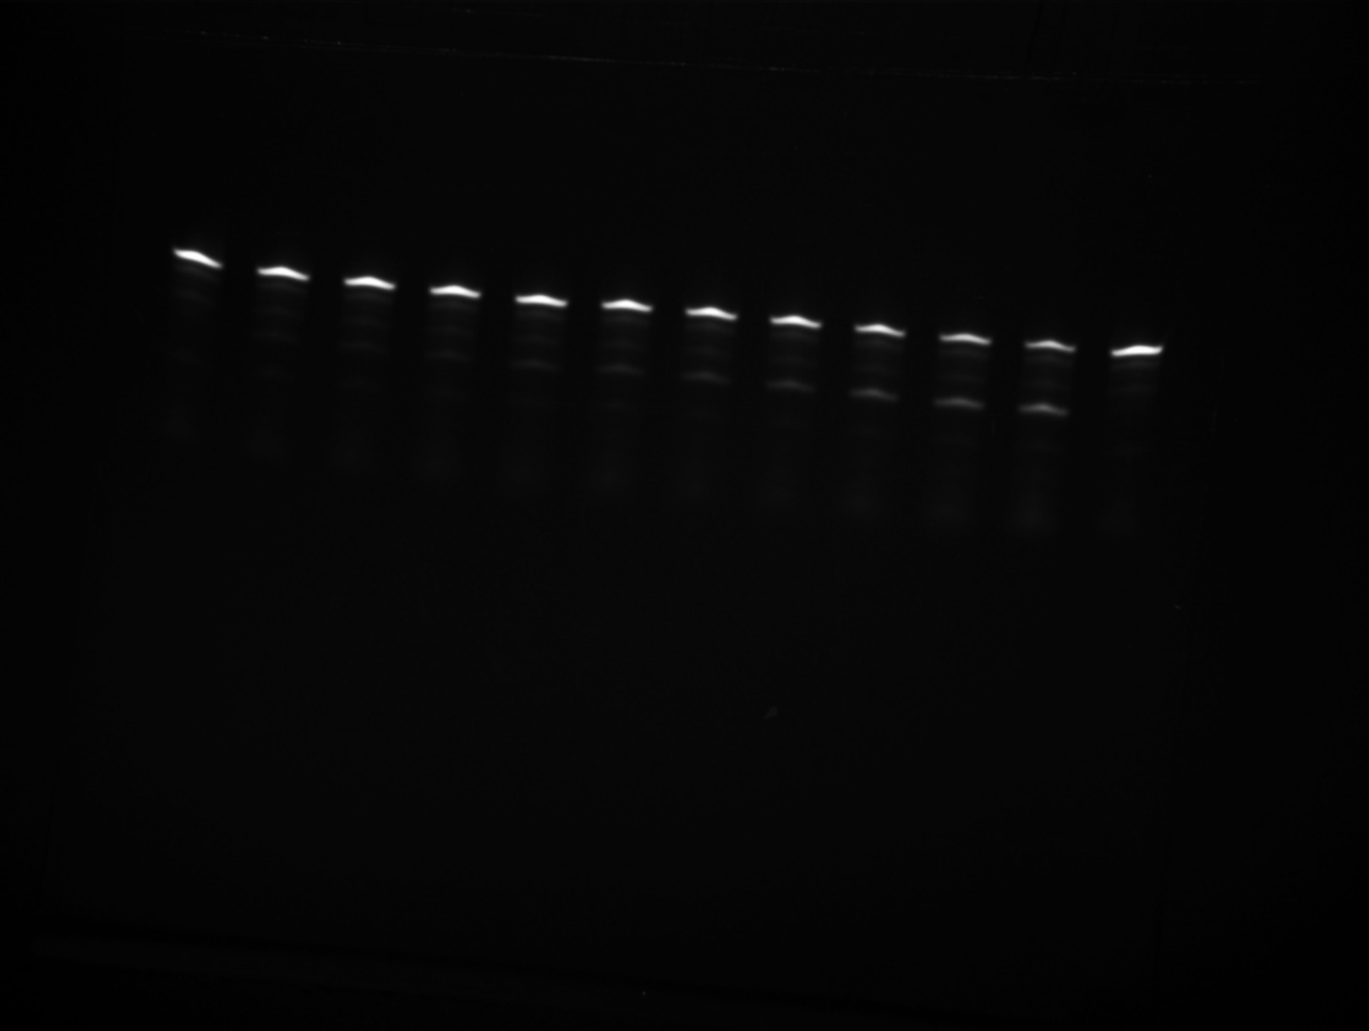
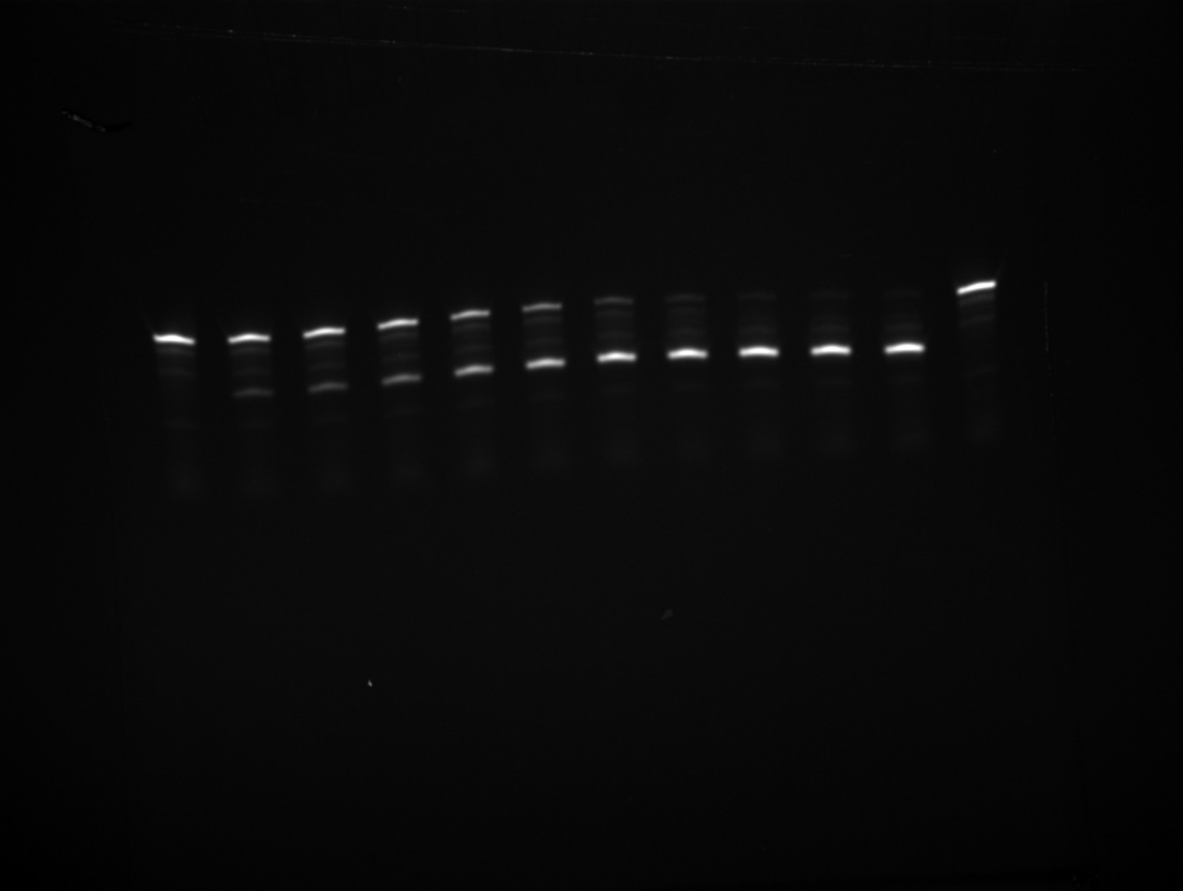
 |  |  | 0.2 | 0.99232 |  |  |  |  | 0.18333 | 1.44273
 |  |  | 0.21667 | 0.99343 |  |  |  |  | 0.2 | 1.48762
 |  |  | 0.23333 | 0.99455 |  |  |  |  | 0.21667 | 1.53237
 |  |  | 0.25 | 0.99567 |  |  |  |  | 0.23333 | 1.57697
 |  |  | 0.26667 | 0.99679 |  |  |  |  | 0.25 | 1.62143
 |  |  | 0.28333 | 0.99791 |  |  |  |  | 0.26667 | 1.66575
 |  |  | 0.3 | 0.99902 |  |  |  |  | 0.28333 | 1.70993
 |  |  | 0.31667 | 1.00014 |  |  |  |  | 0.3 | 1.75396
 |  |  | 0.33333 | 1.00126 |  |  |  |  | 0.31667 | 1.79785
 |  |  | 0.35 | 1.00238 |  |  |  |  | 0.33333 | 1.8416
 |  |  | 0.36667 | 1.00349 |  |  |  |  | 0.35 | 1.88521
 |  |  | 0.38333 | 1.00461 |  |  |  |  | 0.36667 | 1.92868
 |  |  | 0.4 | 1.00573 |  |  |  |  | 0.38333 | 1.97201
 |  |  | 0.41667 | 1.00684 |  |  |  |  | 0.4 | 2.0152
 |  |  | 0.43333 | 1.00796 |  |  |  |  | 0.41667 | 2.05826
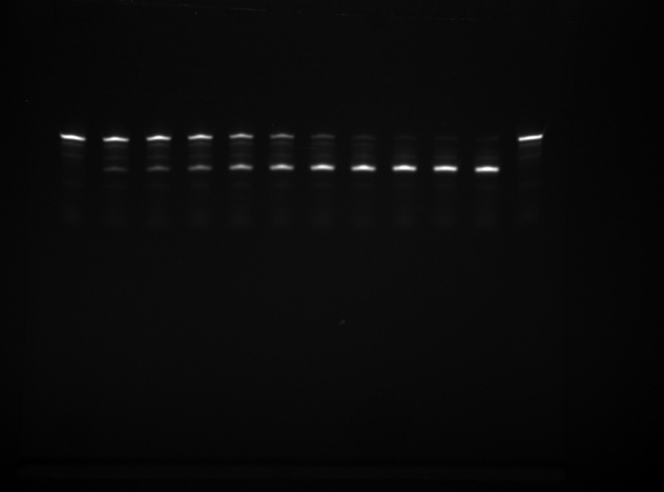
 |  |  | 0.45 | 1.00908 |  |  |  |  | 0.43333 | 2.10117
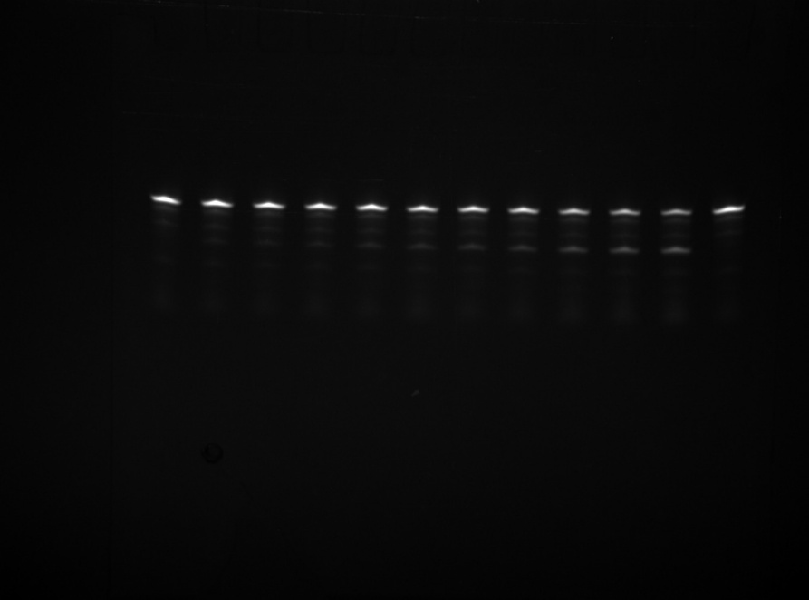
 |  |  | 0.46667 | 1.01019 |  |  |  |  | 0.45 | 2.14394
 |  |  | 0.48333 | 1.01131 |  |  |  |  | 0.46667 | 2.18658
 |  |  | 0.5 | 1.01243 |  |  |  |  | 0.48333 | 2.22908
 |  |  | 0.51667 | 1.01354 |  |  |  |  | 0.5 | 2.27144
 |  |  | 0.53333 | 1.01466 |  |  |  |  | 0.51667 | 2.31367
 |  |  | 0.55 | 1.01578 |  |  |  |  | 0.53333 | 2.35576
 |  |  | 0.56667 | 1.01689 |  |  |  |  | 0.55 | 2.39771
 |  |  | 0.58333 | 1.01801 |  |  |  |  | 0.56667 | 2.43953
 |  |  | 0.6 | 1.01913 |  |  |  |  | 0.58333 | 2.48121
 |  |  | 0.61667 | 1.02024 |  |  |  |  | 0.6 | 2.52276
 |  |  | 0.63333 | 1.02136 |  |  |  |  | 0.61667 | 2.56418
 |  |  | 0.65 | 1.02247 |  |  |  |  | 0.63333 | 2.60546
 |  |  | 0.66667 | 1.02359 |  |  |  |  | 0.65 | 2.64661
 |  |  | 0.68333 | 1.0247 |  |  |  |  | 0.66667 | 2.68762
 |  |  | 0.7 | 1.02582 |  |  |  |  | 0.68333 | 2.72851
 |  |  | 0.71667 | 1.02694 |  |  |  |  | 0.7 | 2.76926
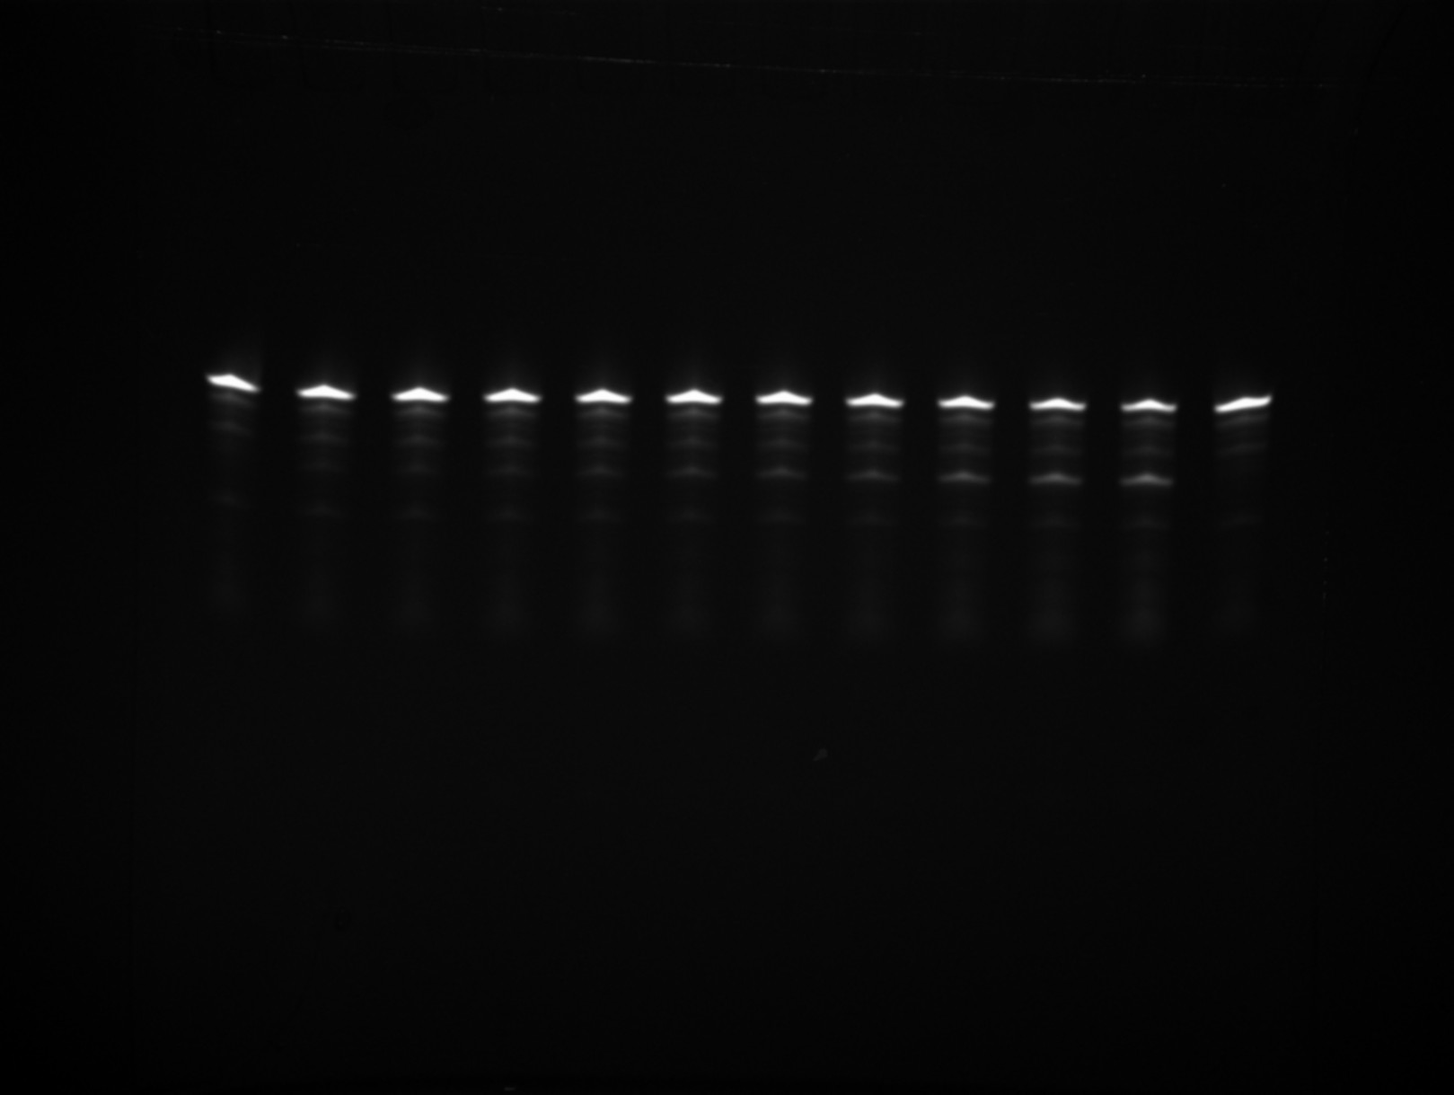
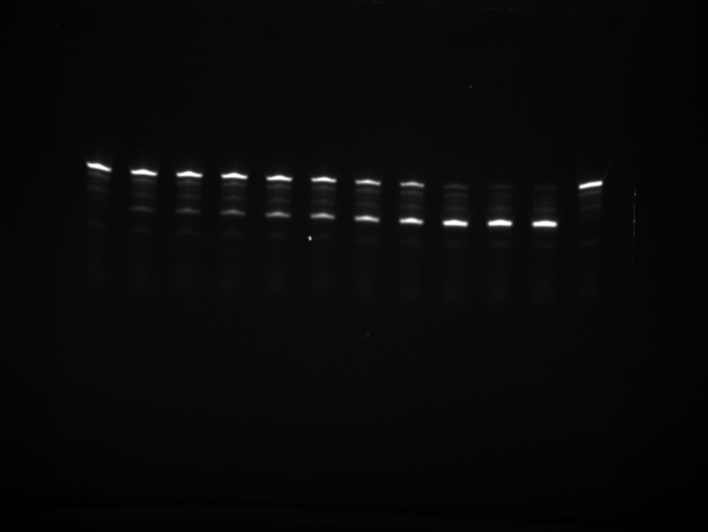
 |  |  | 0.73333 | 1.02805 |  |  |  |  | 0.71667 | 2.80988
 |  |  | 0.75 | 1.02917 |  |  |  |  | 0.73333 | 2.85036
 |  |  | 0.76667 | 1.03028 |  |  |  |  | 0.75 | 2.89072
 |  |  | 0.78333 | 1.0314 |  |  |  |  | 0.76667 | 2.93095
 |  |  | 0.8 | 1.03251 |  |  |  |  | 0.78333 | 2.97104
 |  |  | 0.81667 | 1.03363 |  |  |  |  | 0.8 | 3.01101
 |  |  | 0.83333 | 1.03474 |  |  |  |  | 0.81667 | 3.05085
 |  |  | 0.85 | 1.03586 |  |  |  |  | 0.83333 | 3.09056
 |  |  | 0.86667 | 1.03697 |  |  |  |  | 0.85 | 3.13014
 |  |  | 0.88333 | 1.03808 |  |  |  |  | 0.86667 | 3.16959
 |  |  | 0.9 | 1.0392 |  |  |  |  | 0.88333 | 3.20892
 |  |  | 0.91667 | 1.04031 |  |  |  |  | 0.9 | 3.24811
 |  |  | 0.93333 | 1.04143 |  |  |  |  | 0.91667 | 3.28719
 |  |  | 0.95 | 1.04254 |  |  |  |  | 0.93333 | 3.32613
 |  |  | 0.96667 | 1.04366 |  |  |  | This gel time points: 0 / 0.25 / 0.5 / 1 / 1.5 / 2 / 3 / 5 / 9 / 12 / 24 / 36 | 0.95 | 3.36495
 |  |  | 0.98333 | 1.04477 |  |  |  |  | 0.96667 | 3.40364
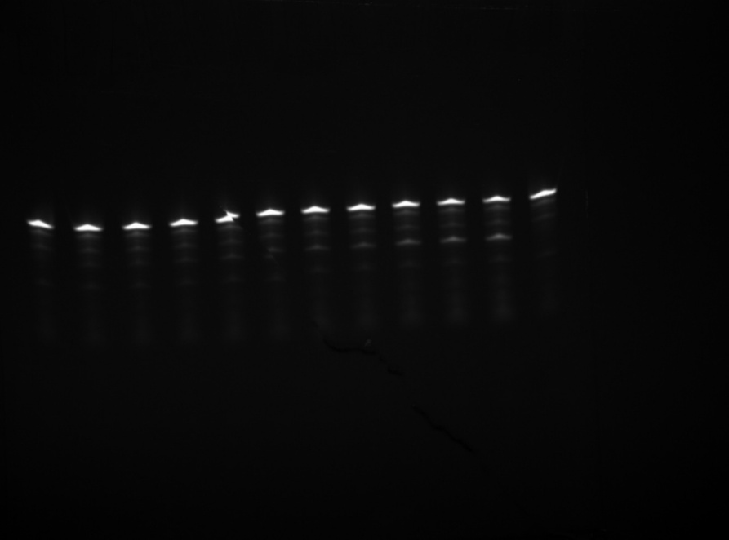
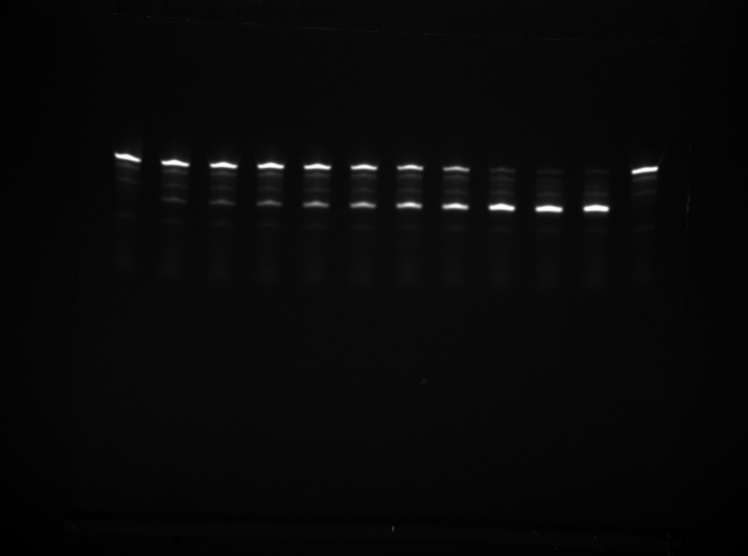
 |  |  | 1 | 1.04588 |  |  |  |  | 0.98333 | 3.44221
 |  |  | 1.01667 | 1.047 |  |  |  |  | 1 | 3.48065
 |  |  | 1.03333 | 1.04811 |  |  |  |  | 1.01667 | 3.51897
 |  |  | 1.05 | 1.04922 |  |  |  |  | 1.03333 | 3.55716
 |  |  | 1.06667 | 1.05034 |  |  |  |  | 1.05 | 3.59523
 |  |  | 1.08333 | 1.05145 |  |  |  |  | 1.06667 | 3.63318
 |  |  | 1.1 | 1.05257 |  |  |  |  | 1.08333 | 3.671
 |  |  | 1.11667 | 1.05368 |  |  |  |  | 1.1 | 3.7087
 |  |  | 1.13333 | 1.05479 |  |  |  |  | 1.11667 | 3.74628
 |  |  | 1.15 | 1.0559 |  |  |  |  | 1.13333 | 3.78373
 |  |  | 1.16667 | 1.05702 |  |  |  |  | 1.15 | 3.82107
 |  |  | 1.18333 | 1.05813 |  |  |  |  | 1.16667 | 3.85828
 |  |  | 1.2 | 1.05924 |  |  |  |  | 1.18333 | 3.89537
 |  |  | 1.21667 | 1.06036 |  |  |  |  | 1.2 | 3.93235
 |  |  | 1.23333 | 1.06147 |  |  |  | This gel time points: 0 / 0.25 / 0.5 / 1 / 1.5 / 2 / 3 / 5 / 9 / 12 / 24 / 36 | 1.21667 | 3.9692
 |  |  | 1.25 | 1.06258 |  |  |  |  | 1.23333 | 4.00593
 |  |  | 1.26667 | 1.06369 |  |  |  |  | 1.25 | 4.04254
 |  |  | 1.28333 | 1.06481 |  |  |  |  | 1.26667 | 4.07904
 |  |  | 1.3 | 1.06592 |  |  |  |  | 1.28333 | 4.11541
 |  |  | 1.31667 | 1.06703 |  |  |  |  | 1.3 | 4.15167
 |  |  | 1.33333 | 1.06814 |  |  |  |  | 1.31667 | 4.18781
 |  |  | 1.35 | 1.06926 |  |  |  |  | 1.33333 | 4.22383
 |  |  | 1.36667 | 1.07037 |  |  |  |  | 1.35 | 4.25974
 |  |  | 1.38333 | 1.07148 |  |  |  |  | 1.36667 | 4.29553
 |  |  | 1.4 | 1.07259 |  |  |  |  | 1.38333 | 4.3312
 |  |  | 1.41667 | 1.0737 |  |  |  |  | 1.4 | 4.36675
 |  |  | 1.43333 | 1.07481 |  |  |  |  | 1.41667 | 4.40219
 |  |  | 1.45 | 1.07593 |  |  |  |  | 1.43333 | 4.43752
 |  |  | 1.46667 | 1.07704 |  |  |  |  | 1.45 | 4.47273
 |  |  | 1.48333 | 1.07815 |  |  |  |  | 1.46667 | 4.50782
 |  |  | 1.5 | 1.07926 |  |  |  |  | 1.48333 | 4.5428
 |  |  | 1.51667 | 1.08037 |  |  |  |  | 1.5 | 4.57767
 |  |  | 1.53333 | 1.08148 |  |  |  |  | 1.51667 | 4.61242
 |  |  | 1.55 | 1.08259 |  |  |  |  | 1.53333 | 4.64707
 |  |  | 1.56667 | 1.0837 |  |  |  |  | 1.55 | 4.68159
 |  |  | 1.58333 | 1.08481 |  |  |  |  | 1.56667 | 4.71601
 |  |  | 1.6 | 1.08593 |  |  |  |  | 1.58333 | 4.75031
 |  |  | 1.61667 | 1.08704 |  |  |  |  | 1.6 | 4.7845
 |  |  | 1.63333 | 1.08815 |  |  |  |  | 1.61667 | 4.81858
 |  |  | 1.65 | 1.08926 |  |  |  |  | 1.63333 | 4.85255
 |  |  | 1.66667 | 1.09037 |  |  |  |  | 1.65 | 4.88641
 |  |  | 1.68333 | 1.09148 |  |  |  |  | 1.66667 | 4.92015
 |  |  | 1.7 | 1.09259 |  |  |  |  | 1.68333 | 4.95379
 |  |  | 1.71667 | 1.0937 |  |  |  |  | 1.7 | 4.98732
 |  |  | 1.73333 | 1.09481 |  |  |  |  | 1.71667 | 5.02074
 |  |  | 1.75 | 1.09592 |  |  |  |  | 1.73333 | 5.05405
 |  |  | 1.76667 | 1.09703 |  |  |  |  | 1.75 | 5.08725
 |  |  | 1.78333 | 1.09814 |  |  |  |  | 1.76667 | 5.12034
 |  |  | 1.8 | 1.09925 |  |  |  |  | 1.78333 | 5.15332
 |  |  | 1.81667 | 1.10036 |  |  |  |  | 1.8 | 5.1862
 |  |  | 1.83333 | 1.10147 |  |  |  |  | 1.81667 | 5.21897
 |  |  | 1.85 | 1.10258 |  |  |  |  | 1.83333 | 5.25163
 |  |  | 1.86667 | 1.10368 |  |  |  |  | 1.85 | 5.28419
 |  |  | 1.88333 | 1.10479 |  |  |  |  | 1.86667 | 5.31664
 |  |  | 1.9 | 1.1059 |  |  |  |  | 1.88333 | 5.34898
 |  |  | 1.91667 | 1.10701 |  |  |  |  | 1.9 | 5.38122
 |  |  | 1.93333 | 1.10812 |  |  |  |  | 1.91667 | 5.41335
 |  |  | 1.95 | 1.10923 |  |  |  |  | 1.93333 | 5.44537
 |  |  | 1.96667 | 1.11034 |  |  |  |  | 1.95 | 5.4773
 |  |  | 1.98333 | 1.11145 |  |  |  |  | 1.96667 | 5.50911
 |  |  | 2 | 1.11256 |  |  |  |  | 1.98333 | 5.54083
 |  |  | 2.01667 | 1.11366 |  |  |  |  | 2 | 5.57244
 |  |  | 2.03333 | 1.11477 |  |  |  |  | 2.01667 | 5.60394
 |  |  | 2.05 | 1.11588 |  |  |  |  | 2.03333 | 5.63535
 |  |  | 2.06667 | 1.11699 |  |  |  |  | 2.05 | 5.66665
 |  |  | 2.08333 | 1.1181 |  |  |  |  | 2.06667 | 5.69785
 |  |  | 2.1 | 1.11921 |  |  |  |  | 2.08333 | 5.72894
 |  |  | 2.11667 | 1.12031 |  |  |  |  | 2.1 | 5.75994
 |  |  | 2.13333 | 1.12142 |  |  |  |  | 2.11667 | 5.79083
 |  |  | 2.15 | 1.12253 |  |  |  |  | 2.13333 | 5.82162
 |  |  | 2.16667 | 1.12364 |  |  |  |  | 2.15 | 5.85231
 |  |  | 2.18333 | 1.12474 |  |  |  |  | 2.16667 | 5.8829
 |  |  | 2.2 | 1.12585 |  |  |  |  | 2.18333 | 5.91339
 |  |  | 2.21667 | 1.12696 |  |  |  |  | 2.2 | 5.94378
 |  |  | 2.23333 | 1.12807 |  |  |  |  | 2.21667 | 5.97407
 |  |  | 2.25 | 1.12917 |  |  |  |  | 2.23333 | 6.00427
 |  |  | 2.26667 | 1.13028 |  |  |  |  | 2.25 | 6.03436
 |  |  | 2.28333 | 1.13139 |  |  |  |  | 2.26667 | 6.06435
 |  |  | 2.3 | 1.1325 |  |  |  |  | 2.28333 | 6.09425
 |  |  | 2.31667 | 1.1336 |  |  |  |  | 2.3 | 6.12405
 |  |  | 2.33333 | 1.13471 |  |  |  |  | 2.31667 | 6.15375
 |  |  | 2.35 | 1.13582 |  |  |  |  | 2.33333 | 6.18335
 |  |  | 2.36667 | 1.13692 |  |  |  |  | 2.35 | 6.21285
 |  |  | 2.38333 | 1.13803 |  |  |  |  | 2.36667 | 6.24226
 |  |  | 2.4 | 1.13914 |  |  |  |  | 2.38333 | 6.27157
 |  |  | 2.41667 | 1.14024 |  |  |  |  | 2.4 | 6.30079
 |  |  | 2.43333 | 1.14135 |  |  |  |  | 2.41667 | 6.32991
 |  |  | 2.45 | 1.14245 |  |  |  |  | 2.43333 | 6.35893
 |  |  | 2.46667 | 1.14356 |  |  |  |  | 2.45 | 6.38786
 |  |  | 2.48333 | 1.14467 |  |  |  |  | 2.46667 | 6.4167
 |  |  | 2.5 | 1.14577 |  |  |  |  | 2.48333 | 6.44544
 |  |  | 2.51667 | 1.14688 |  |  |  |  | 2.5 | 6.47408
 |  |  | 2.53333 | 1.14798 |  |  |  |  | 2.51667 | 6.50263
 |  |  | 2.55 | 1.14909 |  |  |  |  | 2.53333 | 6.53109
 |  |  | 2.56667 | 1.1502 |  |  |  |  | 2.55 | 6.55945
 |  |  | 2.58333 | 1.1513 |  |  |  |  | 2.56667 | 6.58773
 |  |  | 2.6 | 1.15241 |  |  |  |  | 2.58333 | 6.6159
 |  |  | 2.61667 | 1.15351 |  |  |  |  | 2.6 | 6.64399
 |  |  | 2.63333 | 1.15462 |  |  |  |  | 2.61667 | 6.67198
 |  |  | 2.65 | 1.15572 |  |  |  |  | 2.63333 | 6.69988
 |  |  | 2.66667 | 1.15683 |  |  |  |  | 2.65 | 6.72769
 |  |  | 2.68333 | 1.15793 |  |  |  |  | 2.66667 | 6.75541
 |  |  | 2.7 | 1.15904 |  |  |  |  | 2.68333 | 6.78303
 |  |  | 2.71667 | 1.16014 |  |  |  |  | 2.7 | 6.81057
 |  |  | 2.73333 | 1.16125 |  |  |  |  | 2.71667 | 6.83802
 |  |  | 2.75 | 1.16235 |  |  |  |  | 2.73333 | 6.86537
 |  |  | 2.76667 | 1.16346 |  |  |  |  | 2.75 | 6.89263
 |  |  | 2.78333 | 1.16456 |  |  |  |  | 2.76667 | 6.91981
 |  |  | 2.8 | 1.16566 |  |  |  |  | 2.78333 | 6.9469
 |  |  | 2.81667 | 1.16677 |  |  |  |  | 2.8 | 6.97389
 |  |  | 2.83333 | 1.16787 |  |  |  |  | 2.81667 | 7.0008
 |  |  | 2.85 | 1.16898 |  |  |  |  | 2.83333 | 7.02762
 |  |  | 2.86667 | 1.17008 |  |  |  |  | 2.85 | 7.05435
 |  |  | 2.88333 | 1.17118 |  |  |  |  | 2.86667 | 7.08099
 |  |  | 2.9 | 1.17229 |  |  |  |  | 2.88333 | 7.10755
 |  |  | 2.91667 | 1.17339 |  |  |  |  | 2.9 | 7.13401
 |  |  | 2.93333 | 1.1745 |  |  |  |  | 2.91667 | 7.16039
 |  |  | 2.95 | 1.1756 |  |  |  |  | 2.93333 | 7.18669
 |  |  | 2.96667 | 1.1767 |  |  |  |  | 2.95 | 7.21289
 |  |  | 2.98333 | 1.17781 |  |  |  |  | 2.96667 | 7.23901
 |  |  | 3 | 1.17891 |  |  |  |  | 2.98333 | 7.26505
 |  |  | 3.01667 | 1.18001 |  |  |  |  | 3 | 7.291
 |  |  | 3.03333 | 1.18112 |  |  |  |  | 3.01667 | 7.31686
 |  |  | 3.05 | 1.18222 |  |  |  |  | 3.03333 | 7.34264
 |  |  | 3.06667 | 1.18332 |  |  |  |  | 3.05 | 7.36833
 |  |  | 3.08333 | 1.18442 |  |  |  |  | 3.06667 | 7.39394
 |  |  | 3.1 | 1.18553 |  |  |  |  | 3.08333 | 7.41946
 |  |  | 3.11667 | 1.18663 |  |  |  |  | 3.1 | 7.4449
 |  |  | 3.13333 | 1.18773 |  |  |  |  | 3.11667 | 7.47026
 |  |  | 3.15 | 1.18883 |  |  |  |  | 3.13333 | 7.49553
 |  |  | 3.16667 | 1.18994 |  |  |  |  | 3.15 | 7.52072
 |  |  | 3.18333 | 1.19104 |  |  |  |  | 3.16667 | 7.54582
 |  |  | 3.2 | 1.19214 |  |  |  |  | 3.18333 | 7.57084
 |  |  | 3.21667 | 1.19324 |  |  |  |  | 3.2 | 7.59578
 |  |  | 3.23333 | 1.19435 |  |  |  |  | 3.21667 | 7.62064
 |  |  | 3.25 | 1.19545 |  |  |  |  | 3.23333 | 7.64542
 |  |  | 3.26667 | 1.19655 |  |  |  |  | 3.25 | 7.67011
 |  |  | 3.28333 | 1.19765 |  |  |  |  | 3.26667 | 7.69472
 |  |  | 3.3 | 1.19875 |  |  |  |  | 3.28333 | 7.71925
 |  |  | 3.31667 | 1.19985 |  |  |  |  | 3.3 | 7.7437
 |  |  | 3.33333 | 1.20096 |  |  |  |  | 3.31667 | 7.76807
 |  |  | 3.35 | 1.20206 |  |  |  |  | 3.33333 | 7.79236
 |  |  | 3.36667 | 1.20316 |  |  |  |  | 3.35 | 7.81657
 |  |  | 3.38333 | 1.20426 |  |  |  |  | 3.36667 | 7.8407
 |  |  | 3.4 | 1.20536 |  |  |  |  | 3.38333 | 7.86474
 |  |  | 3.41667 | 1.20646 |  |  |  |  | 3.4 | 7.88871
 |  |  | 3.43333 | 1.20756 |  |  |  |  | 3.41667 | 7.9126
 |  |  | 3.45 | 1.20866 |  |  |  |  | 3.43333 | 7.93641
 |  |  | 3.46667 | 1.20977 |  |  |  |  | 3.45 | 7.96015
 |  |  | 3.48333 | 1.21087 |  |  |  |  | 3.46667 | 7.9838
 |  |  | 3.5 | 1.21197 |  |  |  |  | 3.48333 | 8.00738
 |  |  | 3.51667 | 1.21307 |  |  |  |  | 3.5 | 8.03087
 |  |  | 3.53333 | 1.21417 |  |  |  |  | 3.51667 | 8.05429
 |  |  | 3.55 | 1.21527 |  |  |  |  | 3.53333 | 8.07763
 |  |  | 3.56667 | 1.21637 |  |  |  |  | 3.55 | 8.1009
 |  |  | 3.58333 | 1.21747 |  |  |  |  | 3.56667 | 8.12409
 |  |  | 3.6 | 1.21857 |  |  |  |  | 3.58333 | 8.1472
 |  |  | 3.61667 | 1.21967 |  |  |  |  | 3.6 | 8.17023
 |  |  | 3.63333 | 1.22077 |  |  |  |  | 3.61667 | 8.19319
 |  |  | 3.65 | 1.22187 |  |  |  |  | 3.63333 | 8.21608
 |  |  | 3.66667 | 1.22297 |  |  |  |  | 3.65 | 8.23888
 |  |  | 3.68333 | 1.22407 |  |  |  |  | 3.66667 | 8.26161
 |  |  | 3.7 | 1.22517 |  |  |  |  | 3.68333 | 8.28427
 |  |  | 3.71667 | 1.22627 |  |  |  |  | 3.7 | 8.30685
 |  |  | 3.73333 | 1.22737 |  |  |  |  | 3.71667 | 8.32936
 |  |  | 3.75 | 1.22847 |  |  |  |  | 3.73333 | 8.35179
 |  |  | 3.76667 | 1.22957 |  |  |  |  | 3.75 | 8.37415
 |  |  | 3.78333 | 1.23066 |  |  |  |  | 3.76667 | 8.39643
 |  |  | 3.8 | 1.23176 |  |  |  |  | 3.78333 | 8.41864
 |  |  | 3.81667 | 1.23286 |  |  |  |  | 3.8 | 8.44078
 |  |  | 3.83333 | 1.23396 |  |  |  |  | 3.81667 | 8.46284
 |  |  | 3.85 | 1.23506 |  |  |  |  | 3.83333 | 8.48483
 |  |  | 3.86667 | 1.23616 |  |  |  |  | 3.85 | 8.50674
 |  |  | 3.88333 | 1.23726 |  |  |  |  | 3.86667 | 8.52859
 |  |  | 3.9 | 1.23836 |  |  |  |  | 3.88333 | 8.55036
 |  |  | 3.91667 | 1.23945 |  |  |  |  | 3.9 | 8.57206
 |  |  | 3.93333 | 1.24055 |  |  |  |  | 3.91667 | 8.59369
 |  |  | 3.95 | 1.24165 |  |  |  |  | 3.93333 | 8.61524
 |  |  | 3.96667 | 1.24275 |  |  |  |  | 3.95 | 8.63673
 |  |  | 3.98333 | 1.24385 |  |  |  |  | 3.96667 | 8.65814
 |  |  | 4 | 1.24495 |  |  |  |  | 3.98333 | 8.67948
 |  |  | 4.01667 | 1.24604 |  |  |  |  | 4 | 8.70075
 |  |  | 4.03333 | 1.24714 |  |  |  |  | 4.01667 | 8.72195
 |  |  | 4.05 | 1.24824 |  |  |  |  | 4.03333 | 8.74308
 |  |  | 4.06667 | 1.24934 |  |  |  |  | 4.05 | 8.76414
 |  |  | 4.08333 | 1.25043 |  |  |  |  | 4.06667 | 8.78513
 |  |  | 4.1 | 1.25153 |  |  |  |  | 4.08333 | 8.80605
 |  |  | 4.11667 | 1.25263 |  |  |  |  | 4.1 | 8.82691
 |  |  | 4.13333 | 1.25373 |  |  |  |  | 4.11667 | 8.84769
 |  |  | 4.15 | 1.25482 |  |  |  |  | 4.13333 | 8.8684
 |  |  | 4.16667 | 1.25592 |  |  |  |  | 4.15 | 8.88904
 |  |  | 4.18333 | 1.25702 |  |  |  |  | 4.16667 | 8.90962
 |  |  | 4.2 | 1.25811 |  |  |  |  | 4.18333 | 8.93013
 |  |  | 4.21667 | 1.25921 |  |  |  |  | 4.2 | 8.95057
 |  |  | 4.23333 | 1.26031 |  |  |  |  | 4.21667 | 8.97094
 |  |  | 4.25 | 1.2614 |  |  |  |  | 4.23333 | 8.99124
 |  |  | 4.26667 | 1.2625 |  |  |  |  | 4.25 | 9.01148
 |  |  | 4.28333 | 1.2636 |  |  |  |  | 4.26667 | 9.03165
 |  |  | 4.3 | 1.26469 |  |  |  |  | 4.28333 | 9.05175
 |  |  | 4.31667 | 1.26579 |  |  |  |  | 4.3 | 9.07178
 |  |  | 4.33333 | 1.26689 |  |  |  |  | 4.31667 | 9.09175
 |  |  | 4.35 | 1.26798 |  |  |  |  | 4.33333 | 9.11166
 |  |  | 4.36667 | 1.26908 |  |  |  |  | 4.35 | 9.13149
 |  |  | 4.38333 | 1.27018 |  |  |  |  | 4.36667 | 9.15126
 |  |  | 4.4 | 1.27127 |  |  |  |  | 4.38333 | 9.17097
 |  |  | 4.41667 | 1.27237 |  |  |  |  | 4.4 | 9.1906
 |  |  | 4.43333 | 1.27346 |  |  |  |  | 4.41667 | 9.21018
 |  |  | 4.45 | 1.27456 |  |  |  |  | 4.43333 | 9.22969
 |  |  | 4.46667 | 1.27565 |  |  |  |  | 4.45 | 9.24913
 |  |  | 4.48333 | 1.27675 |  |  |  |  | 4.46667 | 9.26851
 |  |  | 4.5 | 1.27784 |  |  |  |  | 4.48333 | 9.28782
 |  |  | 4.51667 | 1.27894 |  |  |  |  | 4.5 | 9.30707
 |  |  | 4.53333 | 1.28004 |  |  |  |  | 4.51667 | 9.32626
 |  |  | 4.55 | 1.28113 |  |  |  |  | 4.53333 | 9.34538
 |  |  | 4.56667 | 1.28223 |  |  |  |  | 4.55 | 9.36444
 |  |  | 4.58333 | 1.28332 |  |  |  |  | 4.56667 | 9.38344
 |  |  | 4.6 | 1.28442 |  |  |  |  | 4.58333 | 9.40237
 |  |  | 4.61667 | 1.28551 |  |  |  |  | 4.6 | 9.42124
 |  |  | 4.63333 | 1.2866 |  |  |  |  | 4.61667 | 9.44005
 |  |  | 4.65 | 1.2877 |  |  |  |  | 4.63333 | 9.45879
 |  |  | 4.66667 | 1.28879 |  |  |  |  | 4.65 | 9.47747
 |  |  | 4.68333 | 1.28989 |  |  |  |  | 4.66667 | 9.49609
 |  |  | 4.7 | 1.29098 |  |  |  |  | 4.68333 | 9.51465
 |  |  | 4.71667 | 1.29208 |  |  |  |  | 4.7 | 9.53314
 |  |  | 4.73333 | 1.29317 |  |  |  |  | 4.71667 | 9.55158
 |  |  | 4.75 | 1.29426 |  |  |  |  | 4.73333 | 9.56995
 |  |  | 4.76667 | 1.29536 |  |  |  |  | 4.75 | 9.58826
 |  |  | 4.78333 | 1.29645 |  |  |  |  | 4.76667 | 9.60651
 |  |  | 4.8 | 1.29755 |  |  |  |  | 4.78333 | 9.6247
 |  |  | 4.81667 | 1.29864 |  |  |  |  | 4.8 | 9.64283
 |  |  | 4.83333 | 1.29973 |  |  |  |  | 4.81667 | 9.6609
 |  |  | 4.85 | 1.30083 |  |  |  |  | 4.83333 | 9.6789
 |  |  | 4.86667 | 1.30192 |  |  |  |  | 4.85 | 9.69685
 |  |  | 4.88333 | 1.30301 |  |  |  |  | 4.86667 | 9.71474
 |  |  | 4.9 | 1.30411 |  |  |  |  | 4.88333 | 9.73257
 |  |  | 4.91667 | 1.3052 |  |  |  |  | 4.9 | 9.75034
 |  |  | 4.93333 | 1.30629 |  |  |  |  | 4.91667 | 9.76805
 |  |  | 4.95 | 1.30739 |  |  |  |  | 4.93333 | 9.7857
 |  |  | 4.96667 | 1.30848 |  |  |  |  | 4.95 | 9.80329
 |  |  | 4.98333 | 1.30957 |  |  |  |  | 4.96667 | 9.82083
 |  |  | 5 | 1.31067 |  |  |  |  | 4.98333 | 9.8383
 |  |  | 5.01667 | 1.31176 |  |  |  |  | 5 | 9.85572
 |  |  | 5.03333 | 1.31285 |  |  |  |  | 5.01667 | 9.87308
 |  |  | 5.05 | 1.31394 |  |  |  |  | 5.03333 | 9.89038
 |  |  | 5.06667 | 1.31504 |  |  |  |  | 5.05 | 9.90762
 |  |  | 5.08333 | 1.31613 |  |  |  |  | 5.06667 | 9.92481
 |  |  | 5.1 | 1.31722 |  |  |  |  | 5.08333 | 9.94194
 |  |  | 5.11667 | 1.31831 |  |  |  |  | 5.1 | 9.95901
 |  |  | 5.13333 | 1.3194 |  |  |  |  | 5.11667 | 9.97602
 |  |  | 5.15 | 1.3205 |  |  |  |  | 5.13333 | 9.99298
 |  |  | 5.16667 | 1.32159 |  |  |  |  | 5.15 | 10.00988
 |  |  | 5.18333 | 1.32268 |  |  |  |  | 5.16667 | 10.02672
 |  |  | 5.2 | 1.32377 |  |  |  |  | 5.18333 | 10.04351
 |  |  | 5.21667 | 1.32486 |  |  |  |  | 5.2 | 10.06024
 |  |  | 5.23333 | 1.32595 |  |  |  |  | 5.21667 | 10.07692
 |  |  | 5.25 | 1.32705 |  |  |  |  | 5.23333 | 10.09354
 |  |  | 5.26667 | 1.32814 |  |  |  |  | 5.25 | 10.11011
 |  |  | 5.28333 | 1.32923 |  |  |  |  | 5.26667 | 10.12662
 |  |  | 5.3 | 1.33032 |  |  |  |  | 5.28333 | 10.14307
 |  |  | 5.31667 | 1.33141 |  |  |  |  | 5.3 | 10.15947
 |  |  | 5.33333 | 1.3325 |  |  |  |  | 5.31667 | 10.17582
 |  |  | 5.35 | 1.33359 |  |  |  |  | 5.33333 | 10.19211
 |  |  | 5.36667 | 1.33468 |  |  |  |  | 5.35 | 10.20834
 |  |  | 5.38333 | 1.33577 |  |  |  |  | 5.36667 | 10.22452
 |  |  | 5.4 | 1.33687 |  |  |  |  | 5.38333 | 10.24065
 |  |  | 5.41667 | 1.33796 |  |  |  |  | 5.4 | 10.25673
 |  |  | 5.43333 | 1.33905 |  |  |  |  | 5.41667 | 10.27275
 |  |  | 5.45 | 1.34014 |  |  |  |  | 5.43333 | 10.28871
 |  |  | 5.46667 | 1.34123 |  |  |  |  | 5.45 | 10.30463
 |  |  | 5.48333 | 1.34232 |  |  |  |  | 5.46667 | 10.32049
 |  |  | 5.5 | 1.34341 |  |  |  |  | 5.48333 | 10.33629
 |  |  | 5.51667 | 1.3445 |  |  |  |  | 5.5 | 10.35205
 |  |  | 5.53333 | 1.34559 |  |  |  |  | 5.51667 | 10.36775
 |  |  | 5.55 | 1.34668 |  |  |  |  | 5.53333 | 10.3834
 |  |  | 5.56667 | 1.34777 |  |  |  |  | 5.55 | 10.39899
 |  |  | 5.58333 | 1.34886 |  |  |  |  | 5.56667 | 10.41454
 |  |  | 5.6 | 1.34995 |  |  |  |  | 5.58333 | 10.43003
 |  |  | 5.61667 | 1.35104 |  |  |  |  | 5.6 | 10.44547
 |  |  | 5.63333 | 1.35213 |  |  |  |  | 5.61667 | 10.46086
 |  |  | 5.65 | 1.35321 |  |  |  |  | 5.63333 | 10.4762
 |  |  | 5.66667 | 1.3543 |  |  |  |  | 5.65 | 10.49149
 |  |  | 5.68333 | 1.35539 |  |  |  |  | 5.66667 | 10.50672
 |  |  | 5.7 | 1.35648 |  |  |  |  | 5.68333 | 10.52191
 |  |  | 5.71667 | 1.35757 |  |  |  |  | 5.7 | 10.53704
...

Figure S6
...
 | Sample 2 |  | Sample 4 |  |  | [after revision] |  |  |  |  | Sca-15-3' | average | sd | Sca-14-3' | average | sd
20515 | 102499 | 23554 | 106045 | 22823 |  | 82076.00 | 73395.00 | 56628 | 47947 | 0.4584939039
32556 | 97059 | 42255 | 98702 | 35648 |  | 48615.00 | 105384.00 | 23167 | 79936 | 0.77530236754
44718 | 84549 | 55345 | 96396 | 49917 |  | 27257.00 | 123582.00 | 1809 | 98134 | 0.98189968282
73479 | 42472 | 109175 | 73202 | 83829 |  | 127318.00 | 31545.00 | 95773 | 0 | 0
120006 | 9678 | 148934 | 27666 | 127399 |  | 108657.00 | 52137.00 | 77112 | 20592 | 0.21075902727
 | Sample 3 |  | Sample 5 |  |  | 94447.00 | 57929.00 | 62902 | 26384 | 0.2954998544
0 | 133774 | 0 | 137159 | 0 |  | 83480.00 | 66086.00 | 51935 | 34541 | 0.39942874324
23691 | 107242 | 23449 | 108985 | 19790 |  | 52427.00 | 88525.00 | 20882 | 56980 | 0.73180755696
37871 | 91825 | 33539 | 93484 | 31443 |  | 33906.00 | 108161.00 | 2361 | 76616 | 0.97010522051
44983 | 77788 | 43819 | 89274 | 41788 | Order of raw gel images - (1) Sca-14 and Sca-17 / (2) Sca-15 and Sca-14 / (3) Sca-16 and Sca-15 / (4) Sca-17 and Sca-18 / (5) Sca-18 and Sca-16 / (6-7) Sca-15-3' and Sca-14-3'
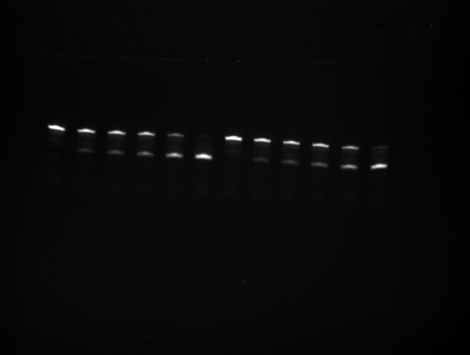
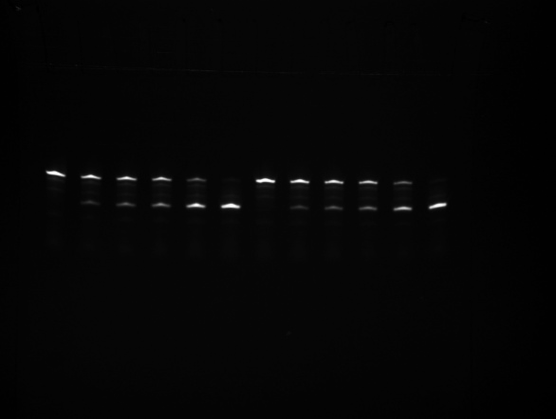
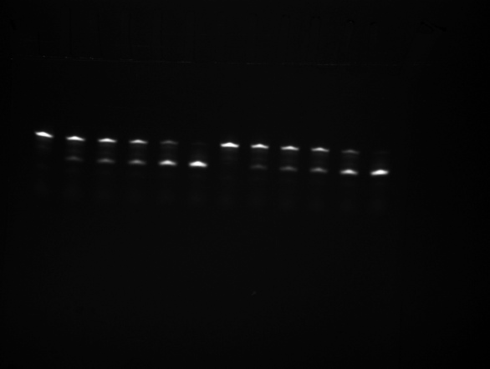
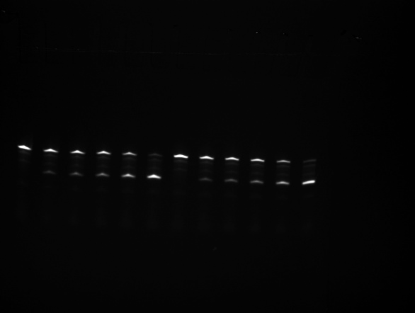
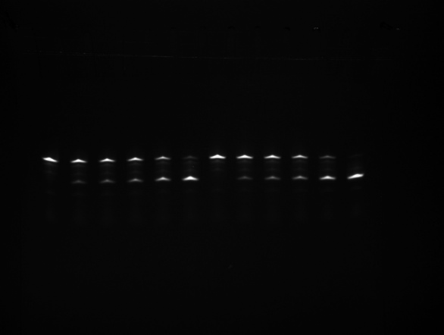
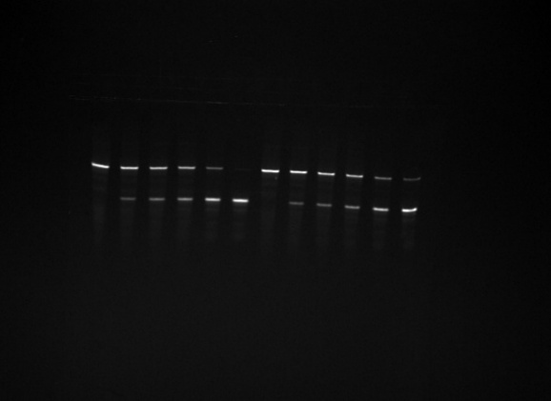
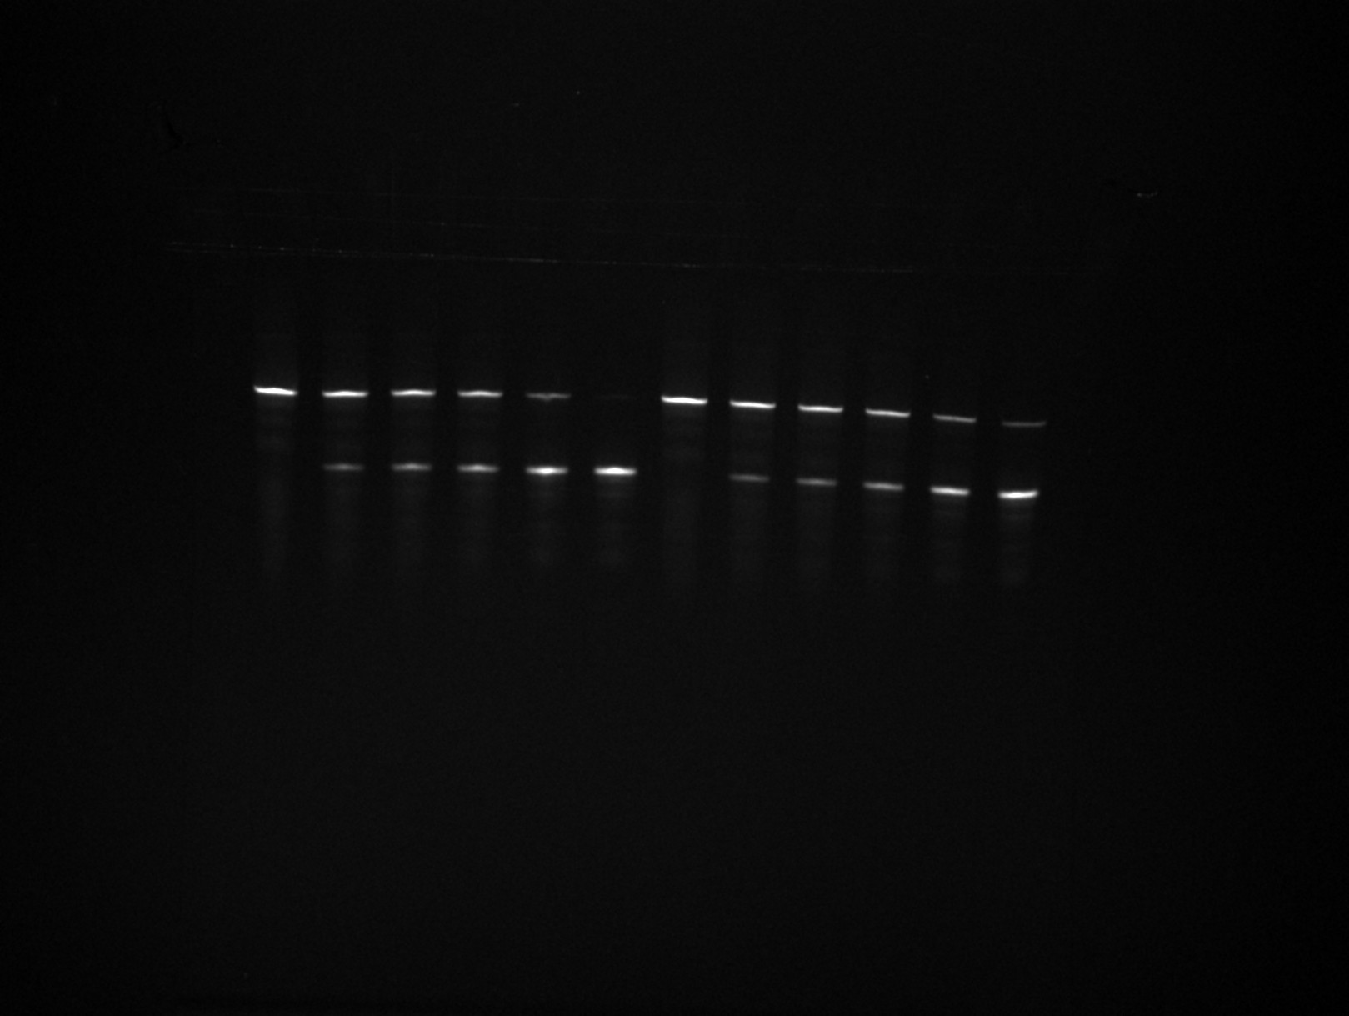
86094 | 37080 | 77006 | 54529 | 66908
122224 | -3300 | 117675 | 14419 | 111400
...
 | 0 |  | 0
 | 0.18685790897 |  | 0.17710370301
 | 0.30330763599 |  | 0.26533680685
 | 0.39562097016 |  | 0.34116585676
 | 0.7199285182 |  | 0.5338372678
 | 0.93898317908 |  | 0.82158449682

 | 0 |  | 0
 | 0.17942321966 |  | 0.1536788973
 | 0.26753294407 |  | 0.25169098754
 | 0.36033287557 |  | 0.31884146435
 | 0.6749820311 |  | 0.55096881511
 | 1.028852459 |  | 0.88539886663
...
0 | 0 | 0 | 0 | 0
0.00072211869511 | 0.16745921726 | 0.01363936256 | 0.16255361499 | 0.012550746117
0.0074269668932 | 0.26318579286 | 0.0030419931524 | 0.25510470303 | 0.0048277227493
0.010988004802 | 0.32730835702 | 0.019597464072 | 0.32488361976 | 0.0085448981369
0.023567636789 | 0.52220553738 | 0.01644975092 | 0.54616915941 | 0.0067877381803
0.072195181397 | 0.87559402278 | 0.076381004105 | 0.86173820643 | 0.033461226545

Figure 3
 |  |  |  |  |  |  |  |  |  |  |  |  |  |  |  |  |  |  |  | [Figure 3B]
1000 | 500 | 250 | 0 | (Sca conc.) | min | 20000 | sd | 12000 | sd | 4000 | sd | 1000 | sd | 500 | sd | 250 | sd | 0 | sd |  | 20 uM Sca-16 | sd | No Sca-16 | sd | 60 uM Scrambled | sd | 20 uM Sca-16 and 30 uM Scrambled | sd | 30 uM Scrambled | sd
0 | 0 | 0 | 0 |  | 0 | 0 | 0 | 0 | 0 | 0 | 0 | 0 | 0 | 0 | 0 | 0 | 0 | 0 | 0 | 0 | 0 | 0 | 0 | 0 | 0 | 0 | 0 | 0 |  | 0
0.7758 | 0.7758 | 0.77582 | 0.77552 |  | 30 | 2.44217 | 0.00944 | 2.50162 | 0.54386 | 2.2835 | 0.02134 | 1.22803 | 0.0038 | 0.65475 | 0.11833 | 1.06547 | 0.3009 | 0.78524 | 0.19362 | 1 | 4.20123 | 0.07305 | 1.13617 | 0.20533 | 1.04588 | 0.13986 | 4.30932 | 0.10793 | 0.94135 | 0.36644
0.93876 | 0.93891 | 0.939 | 0.93852 |  | 60 | 3.79847 | 0.18632 | 3.58769 | 0.46335 | 3.38807 | 0.06509 | 1.34155 | 0.03834 | 0.93004 | 0.01929 | 1.19747 | 0.3547 | 1.05593 | 0.14611 | 3 | 9.47937 | 0.04556 | 1.48007 | 0.49803 | 1.61886 | 0.39629 | 9.2893 | 0.05237 | 1.30578 | 0.74887
0.97333 | 0.97366 | 0.97385 | 0.97337 |  | 100 | 5.03154 | 0.09281 | 4.49702 | 0.37063 | 4.29446 | 0.03588 | 1.34499 | 0.02752 | 1.12717 | 0.05087 | 1.09755 | 0.43951 | 1.13443 | 0.00319 | 9 | 13.79963 | 0.0041 | 2.06903 | 0.53885 | 2.04869 | 0.64148 | 13.85258 | 0.56928 | 1.86349 | 1.06401
0.98111 | 0.98163 | 0.98192 | 0.98152 |  | 250 | 9.13089 | 0.1074 | 8.48093 | 0.11504 | 7.21549 | 0.10434 | 1.33601 | 0.23034 | 1.5251 | 0.12355 | 1.30102 | 0.47176 | 1.56848 | 0.32077 | 15 | 14.68337 | 0.67867 | 2.88264 | 0.88489 | 2.87156 | 0.64557 | 14.89085 | 1.09719 | 2.63707 | 1.21418
0.9833 | 0.98403 | 0.98441 | 0.9841 |  | 2000 | 14.21349 | 0.1169 | 15.01394 | 0.93479 | 14.05696 | 0.02699 | 2.48107 | 0.03147 | 3.21857 | 0.01965 | 2.7453 | 0.50409 | 3.2075 | 0.397 | 60 | 15.02412 | 0.94727 | 4.84581 | 0.43907 | 4.83332 | 0.70343 | 15.15374 | 1.35035 | 4.54075 | 1.13501
0.98433 | 0.98525 | 0.98574 | 0.98552 |  |  |  |  |  |  |  |  |  |  |  |  |  |  |  |  | Order of raw gel images - (1) 20 uM vs. 0 uM Sca-16 / (2) 20 uM Sca-16 vs. 30 uM Scrambed oligos / (3) 30 uM Scrambled oligos vs. 20 uM Sca-16 with 30 uM Scrambled oligos / (4) 60 uM Scrambled oligos vs. 20 uM Sca-16 / (5) no Sca-16 vs. 60 uM Scrambled oligos
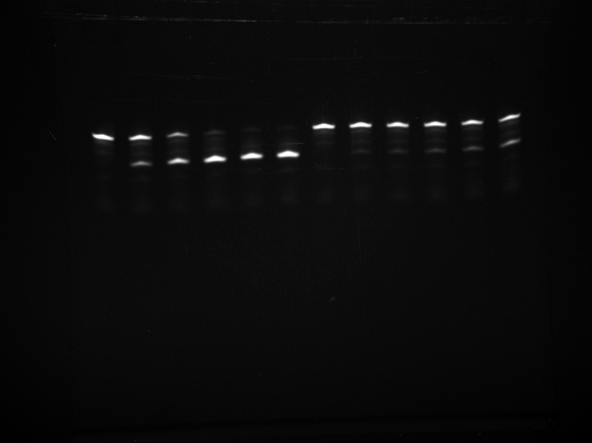
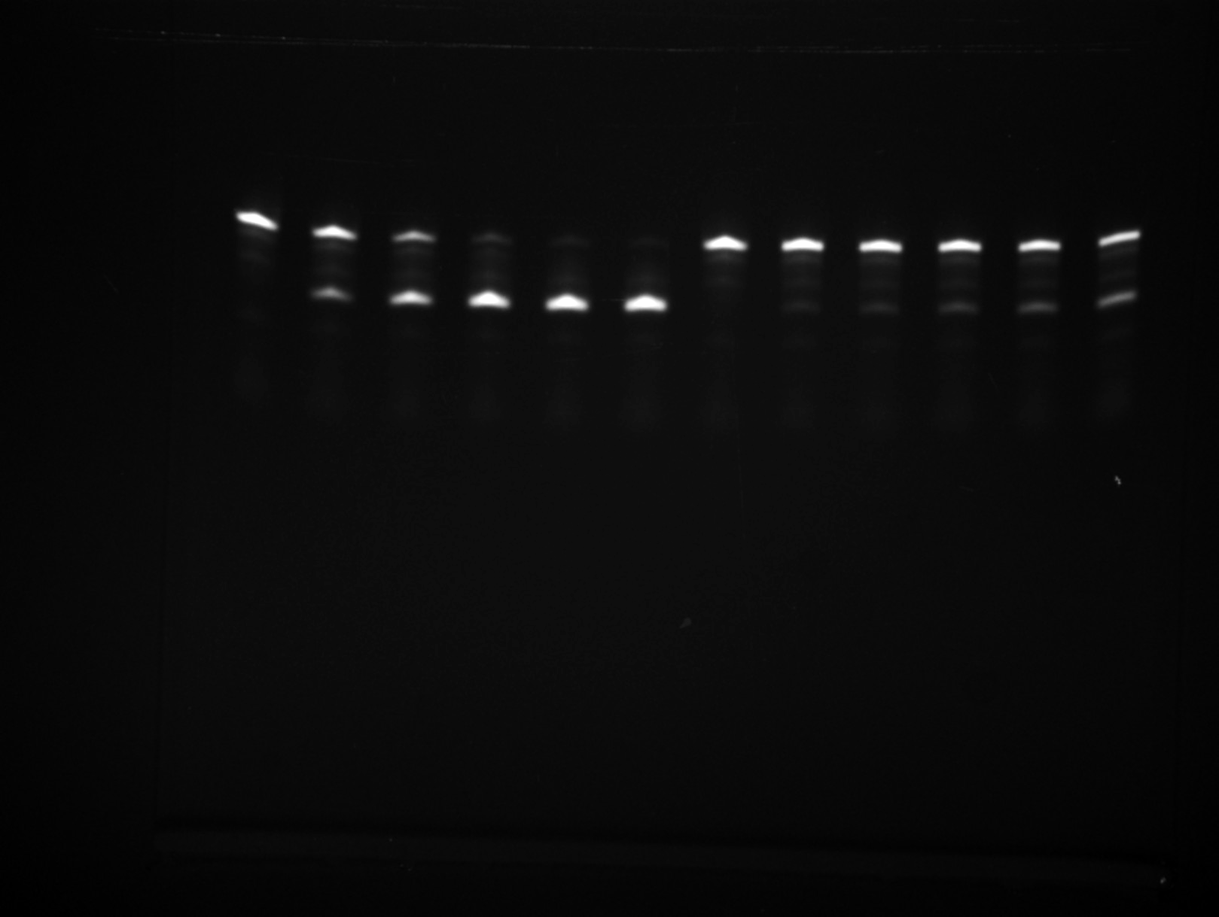
0.98511 | 0.98624 | 0.98682 | 0.98671
0.98584 | 0.98717 | 0.98786 | 0.98784 |  | Order of raw gel images - (1) 500 and 250 uM / (2) 4000 and 1000 uM / (3) 20000 and 12000 uM
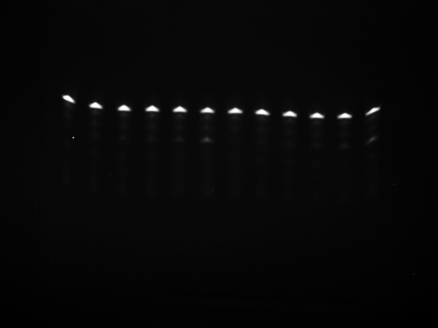

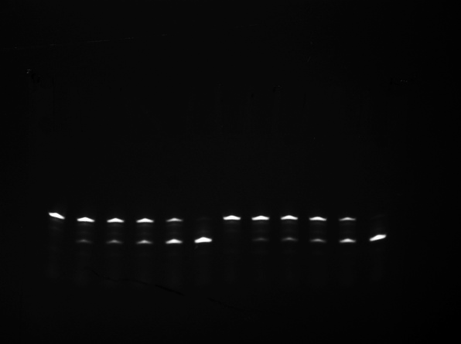
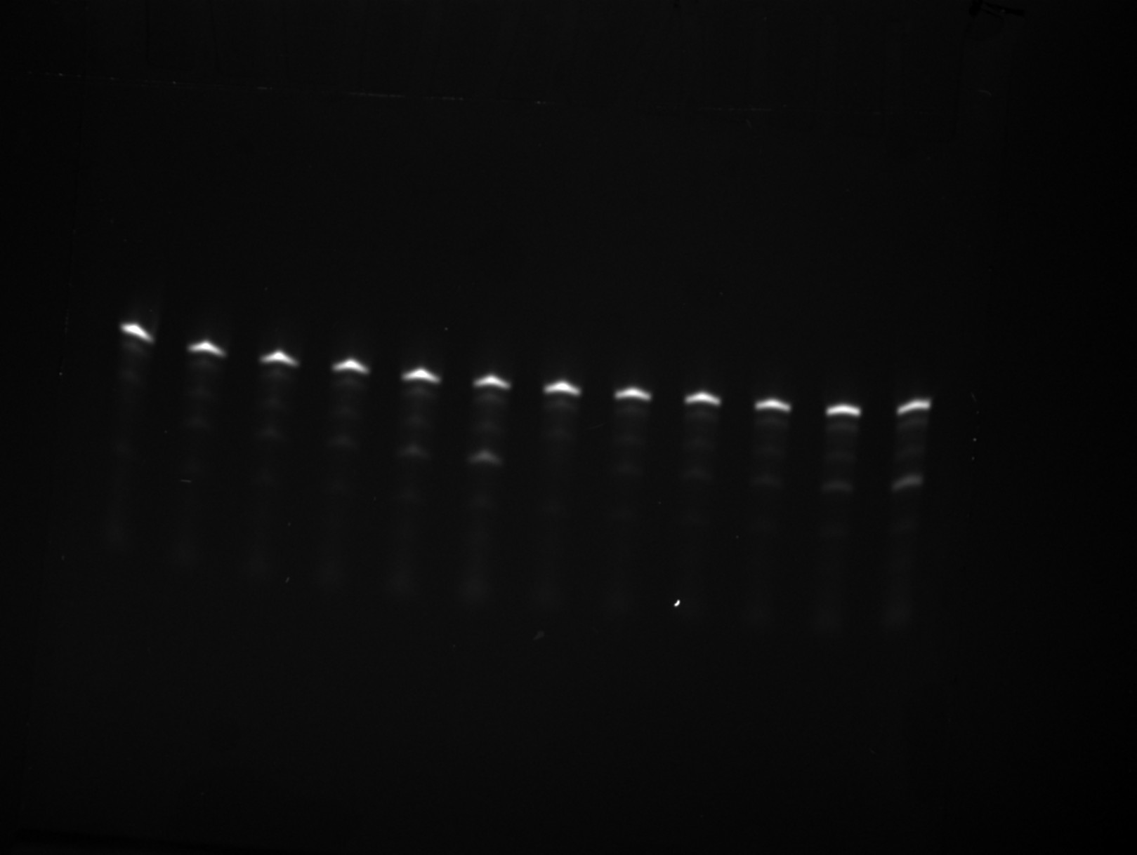
0.98656 | 0.98809 | 0.98888 | 0.98896
0.98728 | 0.98901 | 0.9899 | 0.99008 |  |  |  |  |  |  |  |  |  |  |  |  |  |  |  |  |  |  |  |  |  |  |  |  |  |  |  |  | [Figure 3d]
0.988 | 0.98993 | 0.99092 | 0.9912 |  |  |  |  |  |  |  |  |  |  |  |  |  |  |  |  |  |  |  |  |  |  |  |  |  |  |  |  | [No Scavenger]
0.98872 | 0.99085 | 0.99194 | 0.99232 |  |  |  |  |  |  |  |  |  |  |  |  |  |  |  |  |  |  |  |  |  |  |  |  |  |  |  |  | Time (h) | Turnovers | sd
0.98944 | 0.99177 | 0.99296 | 0.99343 |  |  |  |  |  |  |  |  |  |  |  |  |  |  |  |  |  |  |  |  |  |  |  |  |  |  |  |  | 0 | 0 | 0
0.99016 | 0.99269 | 0.99398 | 0.99455 |  |  |  |  |  |  |  |  |  |  |  |  |  |  |  |  |  |  |  |  |  |  |  |  |  |  |  |  | 1 | 0.52509 | 0.09149 | 0.08751 | 0.5 | 0.89432 | 0.01594 | 0.14905 | 0.01667 | 0.04337 | 0.1213
0.99088 | 0.99361 | 0.99499 | 0.99567 |  |  |  |  |  |  |  |  |  |  |  |  |  |  |  |  |  |  |  |  |  |  |  |  |  |  |  |  | 3 | 0.64209 | 0.04696 | 0.10701 | 1 | 1.07184 | 0.01996 | 0.17864 | 0.03333 | 0.06645 | 0.18472
0.9916 | 0.99452 | 0.99601 | 0.99679 |  |  |  |  |  |  |  |  |  |  |  |  |  |  |  |  |  |  |  |  |  |  |  |  |  |  |  |  | 5 | 0.89559 | 0.11175 | 0.14926 | 2 | 1.36279 | 0.01681 | 0.22713 | 0.05 | 0.07903 | 0.24294
0.99232 | 0.99544 | 0.99703 | 0.99791 |  |  |  |  |  |  |  |  |  |  |  |  |  |  |  |  |  |  |  |  |  |  |  |  |  |  |  |  | 7 | 0.89498 | 0.0269 | 0.14916 | 3 | 1.50112 | 0.07201 | 0.25019 | 0.06667 | 0.08621 | 0.29697
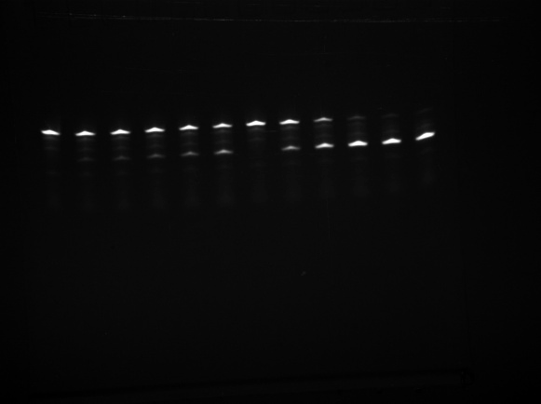
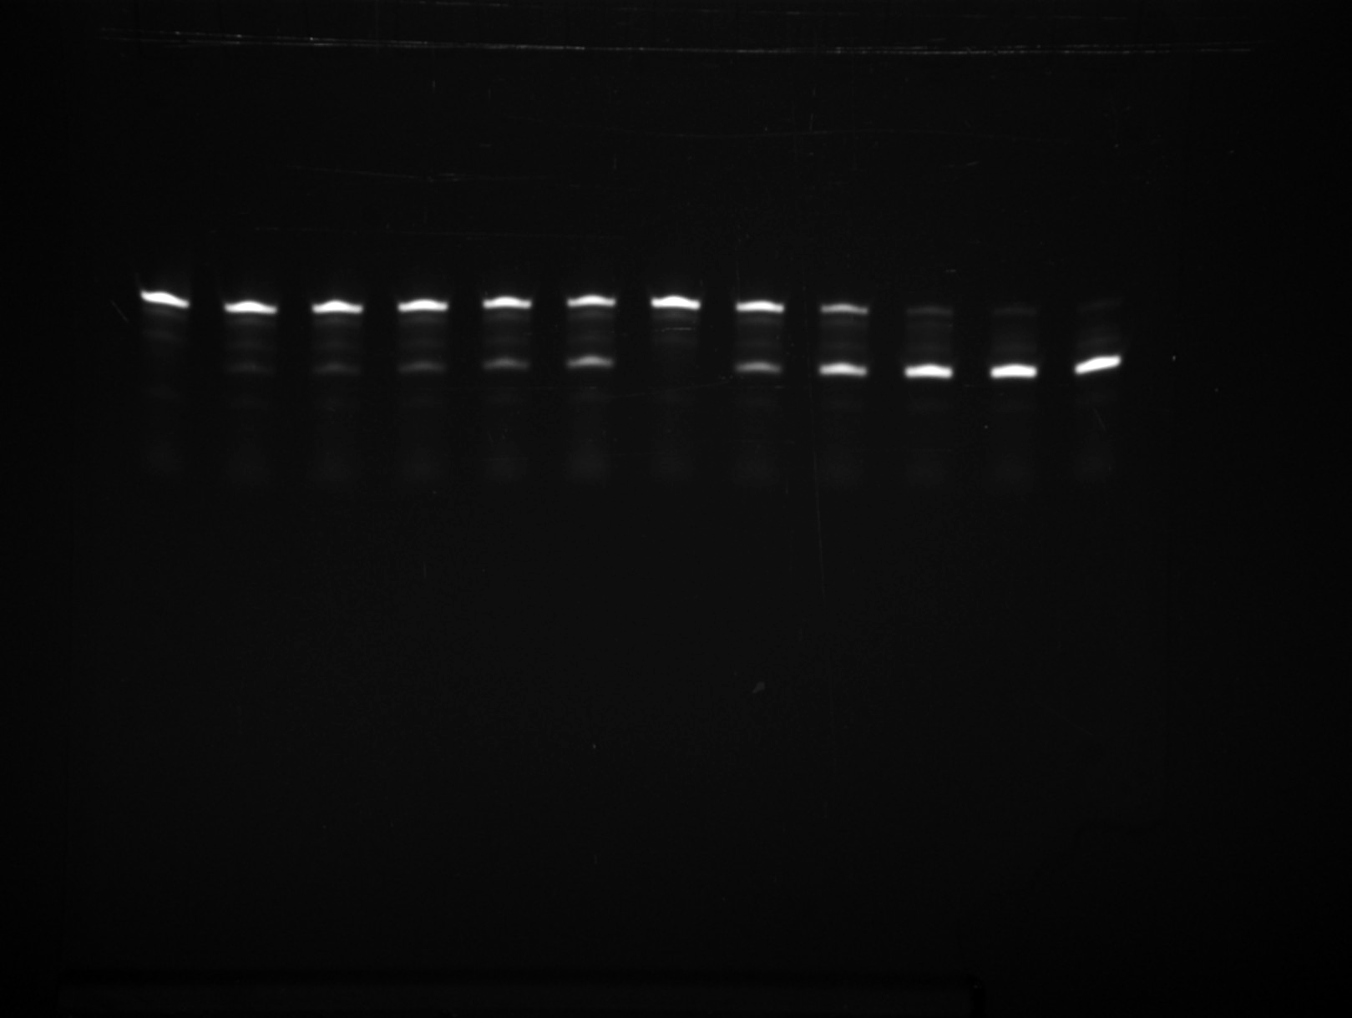
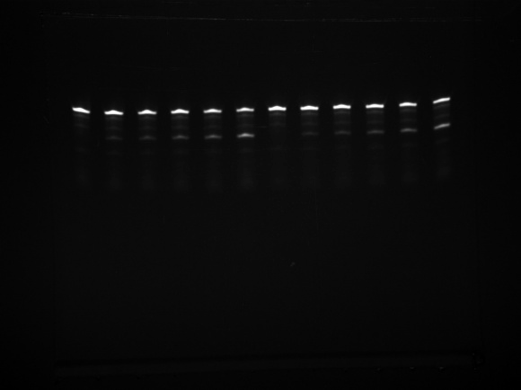
0.99304 | 0.99636 | 0.99805 | 0.99902 |  |  |  |  |  |  |  |  |  |  |  |  |  |  |  |  |  |  |  |  |  |  |  |  |  |  |  |  | 12 | 1.07826 | 0.07337 | 0.17971 | 5 | 1.80338 | 0.01229 | 0.30056 | 0.08333 | 0.09061 | 0.34716
0.99376 | 0.99728 | 0.99907 | 1.00014 |  |  |  |  |  |  |  |  |  |  |  |  |  |  |  |  |  |  |  |  |  |  |  |  |  |  |  |  | 15 | 1.19392 | 0.15294 | 0.19899 | 7 | 2.21995 | 0.04436 | 0.36999 | 0.1 | 0.09357 | 0.3938
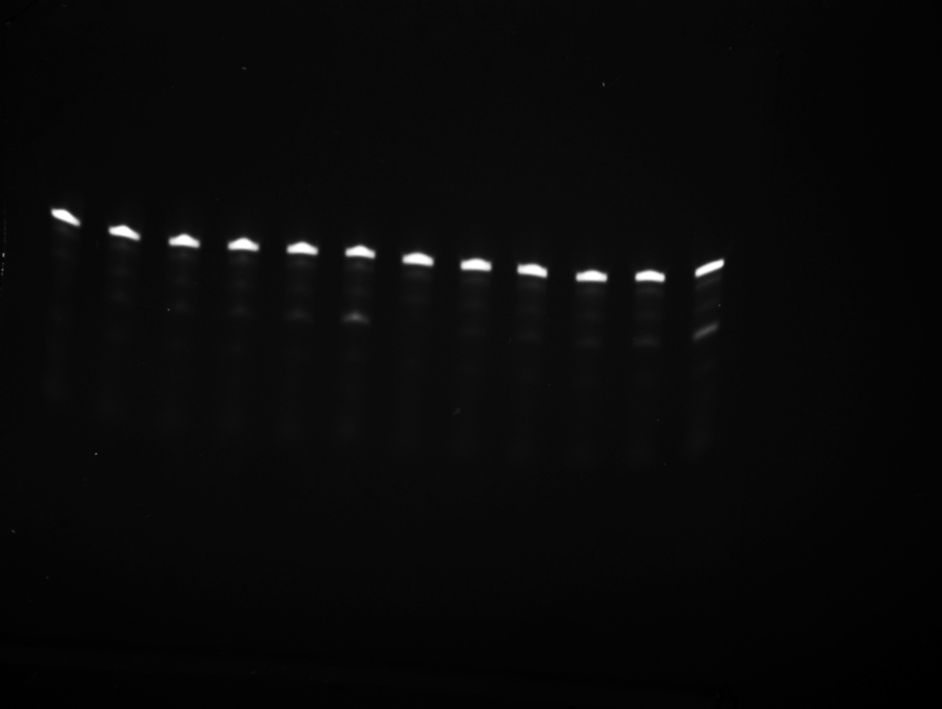
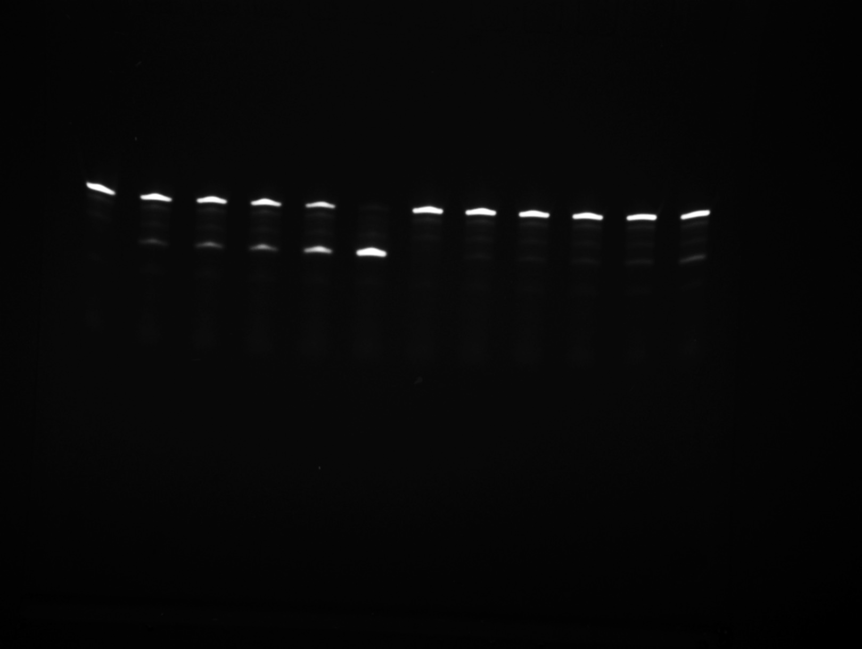
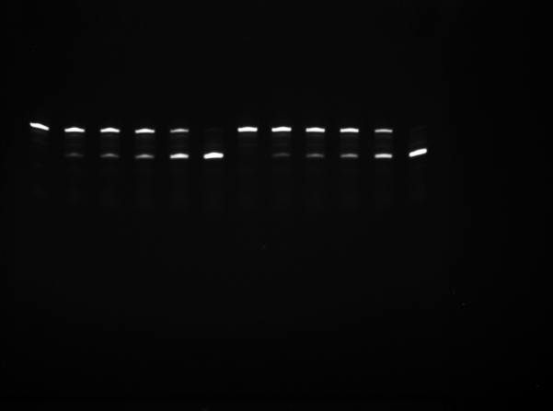
0.99448 | 0.9982 | 1.00009 | 1.00126 |  |  |  |  |  |  |  |  |  |  |  |  |  |  |  |  |  |  |  |  |  |  |  |  |  |  |  |  | 18 | 1.44868 | 0.13353 | 0.24145 | 12 | 2.83339 | 0.02428 | 0.47223 | 0.11667 | 0.0958 | 0.43716
0.99519 | 0.99912 | 1.00111 | 1.00238 |  |  |  |  |  |  |  |  |  |  |  |  |  |  |  |  |  |  |  |  |  |  |  |  |  |  |  |  | 24 | 1.51851 | 0.05001 | 0.25309 | 18 | 3.07093 | 0.04007 | 0.51182 | 0.13333 | 0.09765 | 0.47749
0.99591 | 1.00004 | 1.00212 | 1.00349 |  |  |  |  |  |  |  |  |  |  |  |  |  |  |  |  |  |  |  |  |  |  |  |  |  |  |  |  |  |  |  |  |  |  |  |  | 0.15 | 0.09931 | 0.51504
0.99663 | 1.00095 | 1.00314 | 1.00461 |  |  |  |  |  |  |  |  |  |  |  |  |  |  |  |  |  |  |  |  |  |  |  |  |  |  |  |  | Order of raw gel images - (1) no Scavenger / (2) with Scavenger |  |  |  |  |  |  |  | 0.16667 | 0.10086 | 0.55
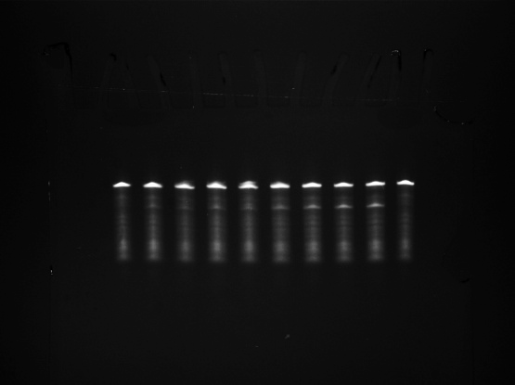
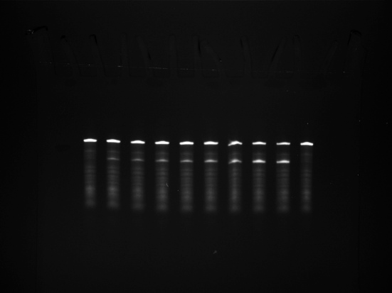
0.99735 | 1.00187 | 1.00416 | 1.00573 |  |  |  |  |  |  |  |  |  |  |  |  |  |  |  |  |  |  |  |  |  |  |  |  |  |  |  |  |  |  |  |  |  |  |  |  | 0.18333 | 0.10236 | 0.58258
0.99807 | 1.00279 | 1.00518 | 1.00684 |  |  |  |  |  |  |  |  |  |  |  |  |  |  |  |  |  |  |  |  |  |  |  |  |  |  |  |  |  |  |  |  |  |  |  |  | 0.2 | 0.10384 | 0.61295
0.99879 | 1.00371 | 1.0062 | 1.00796 |  |  |  |  |  |  |  |  |  |  |  |  |  |  |  |  |  |  |  |  |  |  |  |  |  |  |  |  |  |  |  |  |  |  |  |  | 0.21667 | 0.1053 | 0.64129
0.99951 | 1.00463 | 1.00721 | 1.00908 |  |  |  |  |  |  |  |  |  |  |  |  |  |  |  |  |  |  |  |  |  |  |  |  |  |  |  |  |  |  |  |  |  |  |  |  | 0.23333 | 0.10675 | 0.66775
1.00022 | 1.00554 | 1.00823 | 1.01019 |  |  |  |  |  |  |  |  |  |  |  |  |  |  |  |  |  |  |  |  |  |  |  |  |  |  |  |  |  |  |  |  |  |  |  |  | 0.25 | 0.1082 | 0.69246
1.00094 | 1.00646 | 1.00925 | 1.01131 |  |  |  |  |  |  |  |  |  |  |  |  |  |  |  |  |  |  |  |  |  |  |  |  |  |  |  |  |  |  |  |  |  |  |  |  | 0.26667 | 0.10965 | 0.71556
1.00166 | 1.00738 | 1.01027 | 1.01243 |  |  |  |  |  |  |  |  |  |  |  |  |  |  |  |  | [Figure 3C] |  |  |  |  |  |  |  |  |  |  |  |  |  |  |  |  |  |  |  | 0.28333 | 0.11109 | 0.73717
1.00238 | 1.0083 | 1.01128 | 1.01354 |  |  |  |  |  |  |  |  |  |  |  |  |  |  |  |  |  |  |  |  |  | [With Scavenger] |  |  |  | Simulation |  |  |  |  |  |  |  |  |  |  | 0.3 | 0.11254 | 0.7574
1.0031 | 1.00922 | 1.0123 | 1.01466 |  |  |  |  |  |  |  |  |  |  |  |  |  |  |  |  | Time (h) | Turnovers | sd | Fraction cleaved | Time (h) | Turnovers | sd | Fraction cleaved |  | Time (h) | No Scavenger | With Scavenger |  |  |  |  |  |  |  |  | 0.31667 | 0.11398 | 0.77635
1.00382 | 1.01013 | 1.01332 | 1.01578 |  |  |  |  |  |  |  |  |  |  |  |  |  |  |  |  | 0 | 0 | 0 | 0 | 0 | 0 | 0 | 0 |  | 0 | 0 | 0 |  |  |  |  |  |  |  |  | 0.33333 | 0.11542 | 0.79413
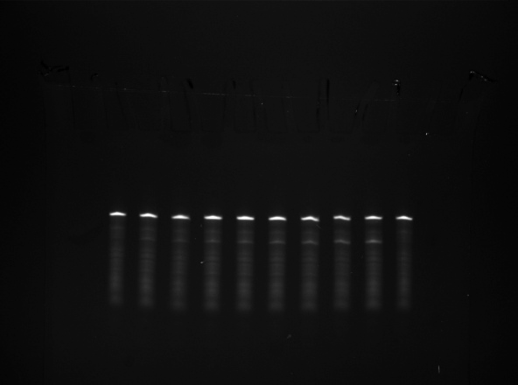
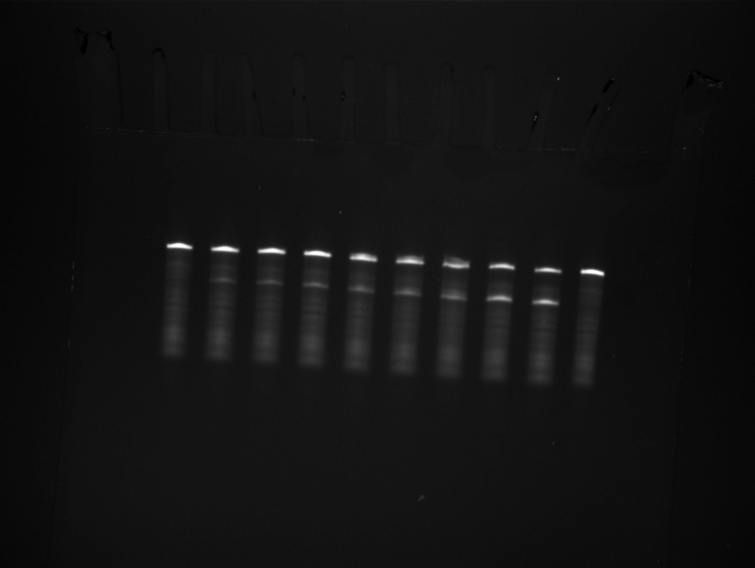
1.00453 | 1.01105 | 1.01434 | 1.01689 |  |  |  |  |  |  |  |  |  |  |  |  |  |  |  |  | 2 | 2.68996 | 0.04057 | 0.17933 | 0.5 | 5.18611 | 0.02134 | 0.34574 |  | 0.01667 | 0.47757 | 0.48427 |  |  |  |  |  |  |  |  | 0.35 | 0.11686 | 0.81081
1.00525 | 1.01197 | 1.01535 | 1.01801 |  |  |  |  |  |  |  |  |  |  |  |  |  |  |  |  | 4 | 3.40664 | 0.07717 | 0.22711 | 1 | 7.93212 | 0.07286 | 0.52881 |  | 0.03333 | 0.72841 | 0.77239 |  |  |  |  |  |  |  |  | 0.36667 | 0.11831 | 0.82647
1.00597 | 1.01289 | 1.01637 | 1.01913 |  |  |  |  |  |  |  |  |  |  |  |  |  |  |  |  | 9 | 4.15597 | 0.01933 | 0.27706 | 2 | 11.44836 | 0.04694 | 0.76322 |  | 0.05 | 0.86081 | 0.97206 |  |  |  |  |  |  |  |  | 0.38333 | 0.11975 | 0.8412
1.00669 | 1.0138 | 1.01739 | 1.02024 |  |  |  |  |  |  |  |  |  |  |  |  |  |  |  |  | 12 | 4.65842 | 0.0089 | 0.31056 | 3 | 12.78381 | 0.01206 | 0.85225 |  | 0.06667 | 0.93163 | 1.13205 |  |  |  |  |  |  |  |  | 0.4 | 0.12119 | 0.85506
1.00741 | 1.01472 | 1.0184 | 1.02136 |  |  |  |  |  |  |  |  |  |  |  |  |  |  |  |  | 20 | 5.29468 | 0.04506 | 0.35298 | 5 | 13.50066 | 0.03151 | 0.90004 |  | 0.08333 | 0.97044 | 1.27394 |  |  |  |  |  |  |  |  | 0.41667 | 0.12263 | 0.86812
1.00812 | 1.01564 | 1.01942 | 1.02247 |  |  |  |  |  |  |  |  |  |  |  |  |  |  |  |  | 24 | 5.7285 | 0.09271 | 0.3819 | 6.5 | 13.5638 | 0.0345 | 0.90425 |  | 0.1 | 0.9926 | 1.40726 |  |  |  |  |  |  |  |  | 0.43333 | 0.12407 | 0.88044
1.00884 | 1.01655 | 1.02044 | 1.02359 |  |  |  |  |  |  |  |  |  |  |  |  |  |  |  |  | 30 | 6.45199 | 0.03688 | 0.43013 | 11.5 | 13.90188 | 0.00879 | 0.92679 |  | 0.11667 | 1.00611 | 1.53626 |  |  |  |  |  |  |  |  | 0.45 | 0.12551 | 0.89206
 |  |  |  |  |  |  |  |  |  |  |  |  |  |  |  |  |  |  |  | 36 | 7.70671 | 0.00619 | 0.51378 | 24 | 14.35451 | 0.11042 | 0.95697 |  | 0.13333 | 1.01512 | 1.66281 |  |  |  |  |  |  |  |  | 0.46667 | 0.12695 | 0.90304
 |  |  |  |  |  |  |  |  |  |  |  |  |  |  |  |  |  |  |  | 48 | 8.07947 | 0.02501 | 0.53863 | 30 | 14.69661 | 0.14497 | 0.97977 |  | 0.15 | 1.02179 | 1.78774 |  |  |  |  |  |  |  |  | 0.48333 | 0.12839 | 0.91344
 |  |  |  |  |  |  |  |  |  |  |  |  |  |  |  |  |  |  |  |  |  |  |  |  |  |  |  |  | 0.16667 | 1.02724 | 1.91144 |  |  |  |  |  |  |  |  | 0.5 | 0.12983 | 0.92328
 |  |  |  |  |  |  |  |  |  |  |  |  |  |  |  |  |  |  |  |  |  |  |  |  |  |  |  |  | 0.18333 | 1.03205 | 2.03407 |  |  |  |  |  |  |  |  | 0.51667 | 0.13127 | 0.93262
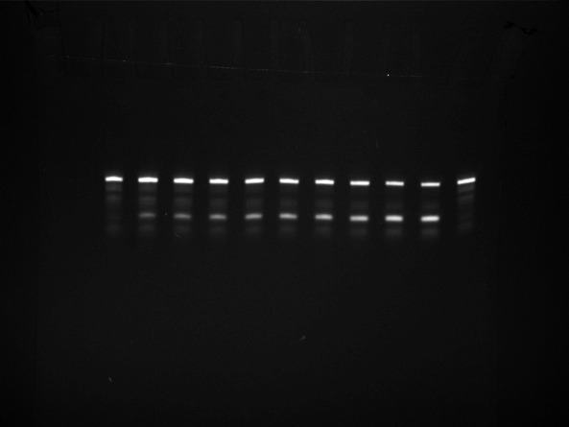
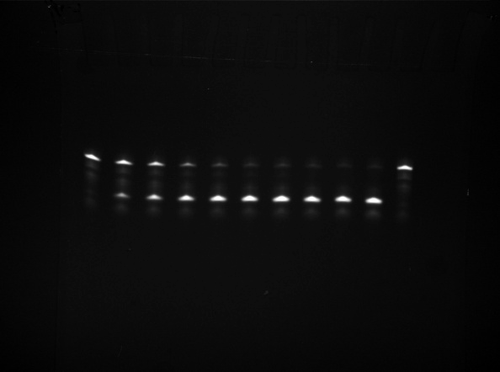
 |  |  |  |  |  |  |  |  |  |  |  |  |  |  |  |  |  |  |  |  |  |  |  |  |  |  |  |  | 0.2 | 1.03654 | 2.15571 |  |  |  |  |  |  |  |  | 0.53333 | 0.13271 | 0.94149
 |  |  |  |  |  |  |  |  |  |  |  |  |  |  |  |  |  |  |  |  |  |  |  |  |  |  |  |  | 0.21667 | 1.04085 | 2.2764 |  |  |  |  |  |  |  |  | 0.55 | 0.13414 | 0.94992
 |  |  |  |  |  |  |  |  |  |  |  |  |  |  |  |  |  |  |  |  |  |  |  |  |  |  |  |  | 0.23333 | 1.04507 | 2.39615 |  |  |  |  |  |  |  |  | 0.56667 | 0.13558 | 0.95794
 |  |  |  |  |  |  |  |  |  |  |  |  |  |  |  |  |  |  |  |  |  |  |  |  |  |  |  |  | 0.25 | 1.04925 | 2.51498 |  |  |  |  |  |  |  |  | 0.58333 | 0.13702 | 0.9656
 |  |  |  |  |  |  |  |  |  |  |  |  |  |  |  |  |  |  |  |  |  |  |  |  |  |  |  |  | 0.26667 | 1.0534 | 2.63289 |  |  |  |  |  |  |  |  | 0.6 | 0.13846 | 0.9729
 |  |  |  |  |  |  |  |  |  |  |  |  |  |  |  |  |  |  |  |  |  |  |  |  |  |  |  |  | 0.28333 | 1.05754 | 2.74989 |  |  |  |  |  |  |  |  | 0.61667 | 0.13989 | 0.97988
 |  |  |  |  |  |  |  |  |  |  |  |  |  |  |  |  |  |  |  |  |  |  |  |  |  |  |  |  | 0.3 | 1.06167 | 2.86598 |  |  |  |  |  |  |  |  | 0.63333 | 0.14133 | 0.98657
 |  |  |  |  |  |  |  |  |  |  |  |  |  |  |  |  |  |  |  |  |  |  |  |  |  |  |  |  | 0.31667 | 1.06579 | 2.98117 |  |  |  |  |  |  |  |  | 0.65 | 0.14276 | 0.99298
 |  |  |  |  |  |  |  |  |  |  |  |  |  |  |  |  |  |  |  |  |  |  |  |  |  |  |  |  | 0.33333 | 1.06991 | 3.09546 |  |  |  |  |  |  |  |  | 0.66667 | 0.1442 | 0.99913
 |  |  |  |  |  |  |  |  |  |  |  |  |  |  |  |  |  |  |  |  |  |  |  |  |  |  |  |  | 0.35 | 1.07403 | 3.20886 |  |  |  |  |  |  |  |  | 0.68333 | 0.14563 | 1.00504
 |  |  |  |  |  |  |  |  |  |  |  |  |  |  |  |  |  |  |  |  |  |  |  |  |  |  |  |  | 0.36667 | 1.07815 | 3.32136
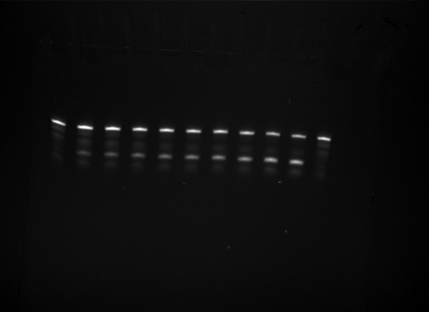
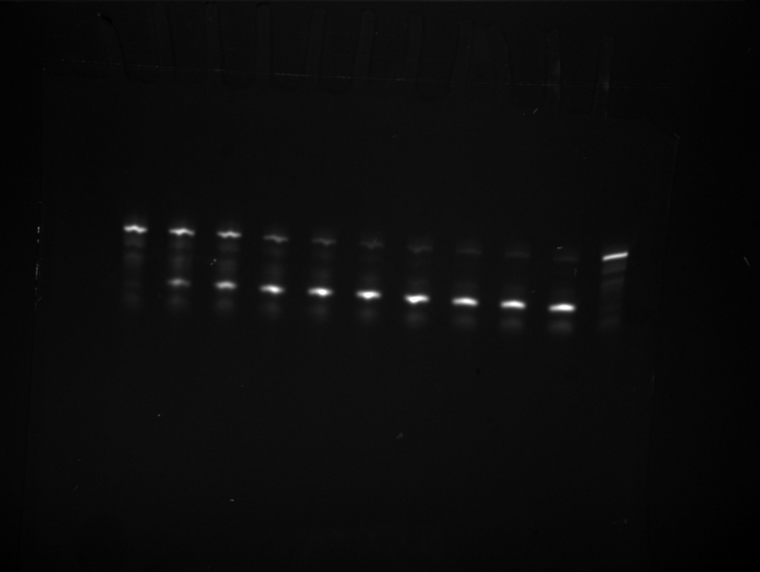
 |  |  |  |  |  |  |  |  |  |  |  |  |  |  |  |  |  |  |  |  |  |  |  |  |  |  |  |  | 0.38333 | 1.08227 | 3.43297
 |  |  |  |  |  |  |  |  |  |  |  |  |  |  |  |  |  |  |  |  |  |  |  |  |  |  |  |  | 0.4 | 1.08638 | 3.54371
 |  |  |  |  |  |  |  |  |  |  |  |  |  |  |  |  |  |  |  |  |  |  |  |  |  |  |  |  | 0.41667 | 1.0905 | 3.65356
 |  |  |  |  |  |  |  |  |  |  |  |  |  |  |  |  |  |  |  |  |  |  |  |  |  |  |  |  | 0.43333 | 1.09461 | 3.76254
 |  |  |  |  |  |  |  |  |  |  |  |  |  |  |  |  |  |  |  |  |  |  |  |  |  |  |  |  | 0.45 | 1.09872 | 3.87064
 |  |  |  |  |  |  |  |  |  |  |  |  |  |  |  |  |  |  |  |  |  |  |  |  |  |  |  |  | 0.46667 | 1.10283 | 3.97789
 |  |  |  |  |  |  |  |  |  |  |  |  |  |  |  |  |  |  |  |  |  |  |  |  |  |  |  |  | 0.48333 | 1.10694 | 4.08426
 |  |  |  |  |  |  |  |  |  |  |  |  |  |  |  |  |  |  |  |  |  |  |  |  |  |  |  |  | 0.5 | 1.11105 | 4.18978
 |  |  |  |  |  |  |  |  |  |  |  |  |  |  |  |  |  |  |  |  |  |  |  |  |  |  |  |  | 0.51667 | 1.11515 | 4.29445
 |  |  |  |  |  |  |  |  |  |  |  |  |  |  |  |  |  |  |  |  |  |  |  |  |  |  |  |  | 0.53333 | 1.11926 | 4.39827
 |  |  |  |  |  |  |  |  |  |  |  |  |  |  |  |  |  |  |  |  |  |  |  |  |  |  |  |  | 0.55 | 1.12336 | 4.50124
 |  |  |  |  |  |  |  |  |  |  |  |  |  |  |  |  |  |  |  |  |  |  |  |  |  |  |  |  | 0.56667 | 1.12747 | 4.60337
 |  |  |  |  |  |  |  |  |  |  |  |  |  |  |  |  |  |  |  |  |  |  |  |  |  |  |  |  | 0.58333 | 1.13157 | 4.70466
 |  |  |  |  |  |  |  |  |  |  |  |  |  |  |  |  |  |  |  |  |  |  |  |  |  |  |  |  | 0.6 | 1.13567 | 4.80512
 |  |  |  |  |  |  |  |  |  |  |  |  |  |  |  |  |  |  |  |  |  |  |  |  |  |  |  |  | 0.61667 | 1.13977 | 4.90475
 |  |  |  |  |  |  |  |  |  |  |  |  |  |  |  |  |  |  |  |  |  |  |  |  |  |  |  |  | 0.63333 | 1.14387 | 5.00356
 |  |  |  |  |  |  |  |  |  |  |  |  |  |  |  |  |  |  |  |  |  |  |  |  |  |  |  |  | 0.65 | 1.14796 | 5.10155
 |  |  |  |  |  |  |  |  |  |  |  |  |  |  |  |  |  |  |  |  |  |  |  |  |  |  |  |  | 0.66667 | 1.15206 | 5.19872
 |  |  |  |  |  |  |  |  |  |  |  |  |  |  |  |  |  |  |  |  |  |  |  |  |  |  |  |  | 0.68333 | 1.15615 | 5.29508
 |  |  |  |  |  |  |  |  |  |  |  |  |  |  |  |  |  |  |  |  |  |  |  |  |  |  |  |  | 0.7 | 1.16025 | 5.39064
 |  |  |  |  |  |  |  |  |  |  |  |  |  |  |  |  |  |  |  |  |  |  |  |  |  |  |  |  | 0.71667 | 1.16434 | 5.48539
...

Figure S13
...
[10-23 DNAzyme] |  |  |  |  |  |  |  | [Hairpin Ribozyme]
1 | 0.33264 | 1.81818 | 0.4321 | Equation | y = A1*exp(-x/t1) + A2*exp(-x/t2) + y0 |  |  | 2 | 0.09245 | 0.013 | 1.81818 | 0.08358 | Equation | y = A1*exp(-x/t1) + y0
3 | 0.47537 | 3.63636 | 0.52213 | Reduced Chi-Sqr | 0.00129 |  |  | 5 | 0.15625 | 0.02926 | 3.63636 | 0.13 | Reduced Chi-Sqr | 1.74E-04
5 | 0.54176 | 5.45455 | 0.55164 | Adj. R-Square | 0.97649 |  |  | 10 | 0.16422 | 0.02388 | 5.45455 | 0.15636 | Adj. R-Square | 0.96125
10 | 0.61744 | 7.27273 | 0.56941 |  |  | Value | Standard Error | 20 | 0.17856 | 0.01187 | 7.27273 | 0.17133 |  |  | Value | Standard Error
20 | 0.66943 | 9.09091 | 0.58408 | B | y0 | 0.74031 | 0.02396 | 30 | 0.20847 | 0.03606 | 9.09091 | 0.17983 | B | y0 | 0.19101 | 0.00567
30 | 0.66701 | 10.90909 | 0.59723 | B | A1 | -0.4952 | 0.06236 | 60 | 0.18688 | 0.02296 | 10.90909 | 0.18466 | B | A1 | -0.18917 | 0.01373
60 | 0.68727 | 12.72727 | 0.60923 | B | t1 | 1.04281 | 0.29588 | 120 | 0.20489 | 0.03996 | 12.72727 | 0.1874 | B | t1 | 3.21324 | 0.56737
120 | 0.72294 | 14.54545 | 0.62021 | B | A2 | -0.24187 | 0.05291 | 180 | 0.18793 | 0.03968 | 14.54545 | 0.18896
180 | 0.78721 | 16.36364 | 0.63027 | B | t2 | 20.77791 | 9.93546 |  |  |  | 16.36364 | 0.18984
 |  | 18.18182 | 0.63949 |  |  |  |  |  |  |  | 18.18182 | 0.19035
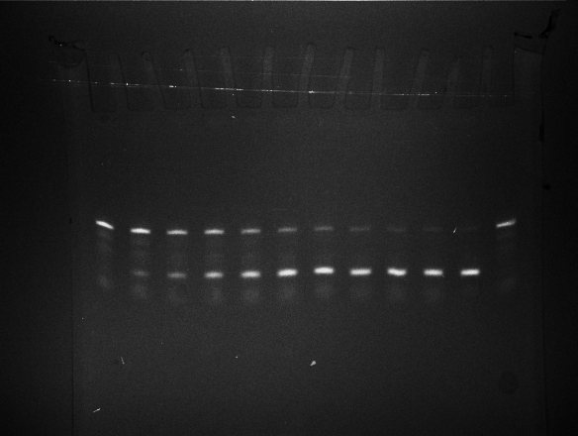
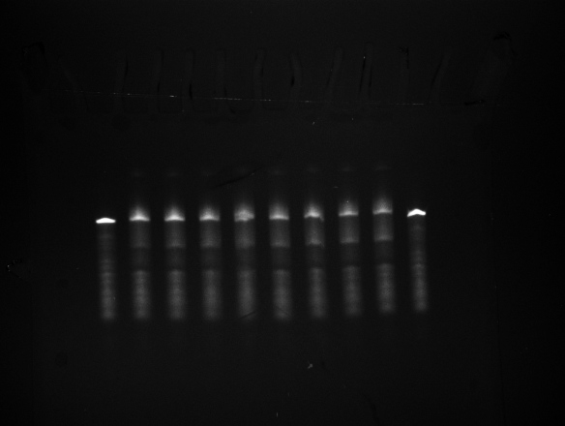
 |  | 20 | 0.64794 |  |  |  |  |  |  |  | 20 | 0.19063
 |  | 21.81818 | 0.65568 |  |  |  |  |  |  |  | 21.81818 | 0.19079
 |  | 23.63636 | 0.66277 |  |  |  |  |  |  |  | 23.63636 | 0.19089
 |  | 25.45455 | 0.66927 |  |  |  |  |  |  |  | 25.45455 | 0.19094
 |  | 27.27273 | 0.67522 |  |  |  |  |  |  |  | 27.27273 | 0.19097
 |  | 29.09091 | 0.68068 |  |  |  |  |  |  |  | 29.09091 | 0.19098
 |  | 30.90909 | 0.68567 |  |  |  |  |  |  |  | 30.90909 | 0.19099
 |  | 32.72727 | 0.69025 |  |  |  |  |  |  |  | 32.72727 | 0.191
 |  | 34.54545 | 0.69445 |  |  |  |  |  |  |  | 34.54545 | 0.191
 |  | 36.36364 | 0.69829 |  |  |  |  |  |  |  | 36.36364 | 0.191
 |  | 38.18182 | 0.70181 |  |  |  |  |  |  |  | 38.18182 | 0.19101
 |  | 40 | 0.70504 |  |  |  |  |  |  |  | 40 | 0.19101
 |  | 41.81818 | 0.70799 |  |  |  |  |  |  |  | 41.81818 | 0.19101
 |  | 43.63636 | 0.7107 |  |  |  |  |  |  |  | 43.63636 | 0.19101
 |  | 45.45455 | 0.71318 |  |  |  |  |  |  |  | 45.45455 | 0.19101
 |  | 47.27273 | 0.71545 |  |  |  |  |  |  |  | 47.27273 | 0.19101
 |  | 49.09091 | 0.71754 |  |  |  |  |  |  |  | 49.09091 | 0.19101
 |  | 50.90909 | 0.71945 |  |  |  |  |  |  |  | 50.90909 | 0.19101
 |  | 52.72727 | 0.72119 |  |  |  |  |  |  |  | 52.72727 | 0.19101
 |  | 54.54545 | 0.7228 |  |  |  |  |  |  |  | 54.54545 | 0.19101
 |  | 56.36364 | 0.72426 |  |  |  |  |  |  |  | 56.36364 | 0.19101
...

Figure S18, 20, 21, 23, 24
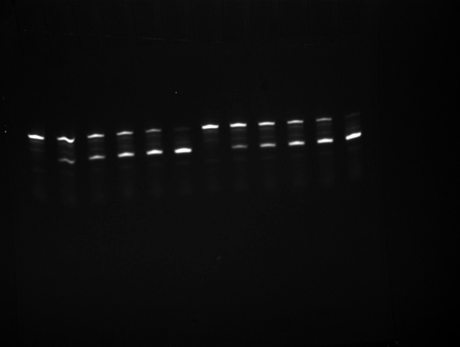
 |  |  |  |  |  |  | [Figure S20]
28089.00 |  |  | 145676.00 | 22492.00 |  | Order of raw gel images - (1) I and II / (2) II and III / (3) III and I | FAM | Out | IN
71199.00 |  |  | 129902.00 | 58058.00 |  |  | 1 | 78.289 | 8789.996 | 112.27625848
110602.00 |  |  | 113586.00 | 86216.00 |  |  | 2 | 153.353 | 7581.565 | 49.438648086
142820.00 |  |  | 97070.00 | 118709.00 |  |  | 3 | 90.716 | 7100.567 | 78.272487764
181018.00 |  |  | 73496.00 | 140415.00 |  |  | 4 | 286.353 | 9396.203 | 32.813356242
230787.00 |  |  | 34560.00 | 178923.00 |  |  | 5 | 178.042 | 13422.624 | 75.390211298
48531.00 |  |  | 151067.00 | 31068.00 |  |  | 6 | 230.839 | 14968.569 | 64.844194439
81851.00 |  |  | 135446.00 | 66390.00 |  |  | 7 | 174.76 | 9596.474 | 54.912302586
103575.00 |  |  | 115020.00 | 95491.00 |  |  | 8 | 219.302 | 9882.502 | 45.063437634
137661.00 |  |  | 88493.00 | 115318.00 |  |  | 9 | 132.977 | 8880.095 | 66.779179858 | 9 | 100.486 | 6150.219 | 61.204734988
153416.00 |  |  | 63512.00 | 135883.00 |  |  | 10 | 175.212 | 7725.785 | 44.093926215 | 10 | 197.756 | 5782.483 | 29.240493335
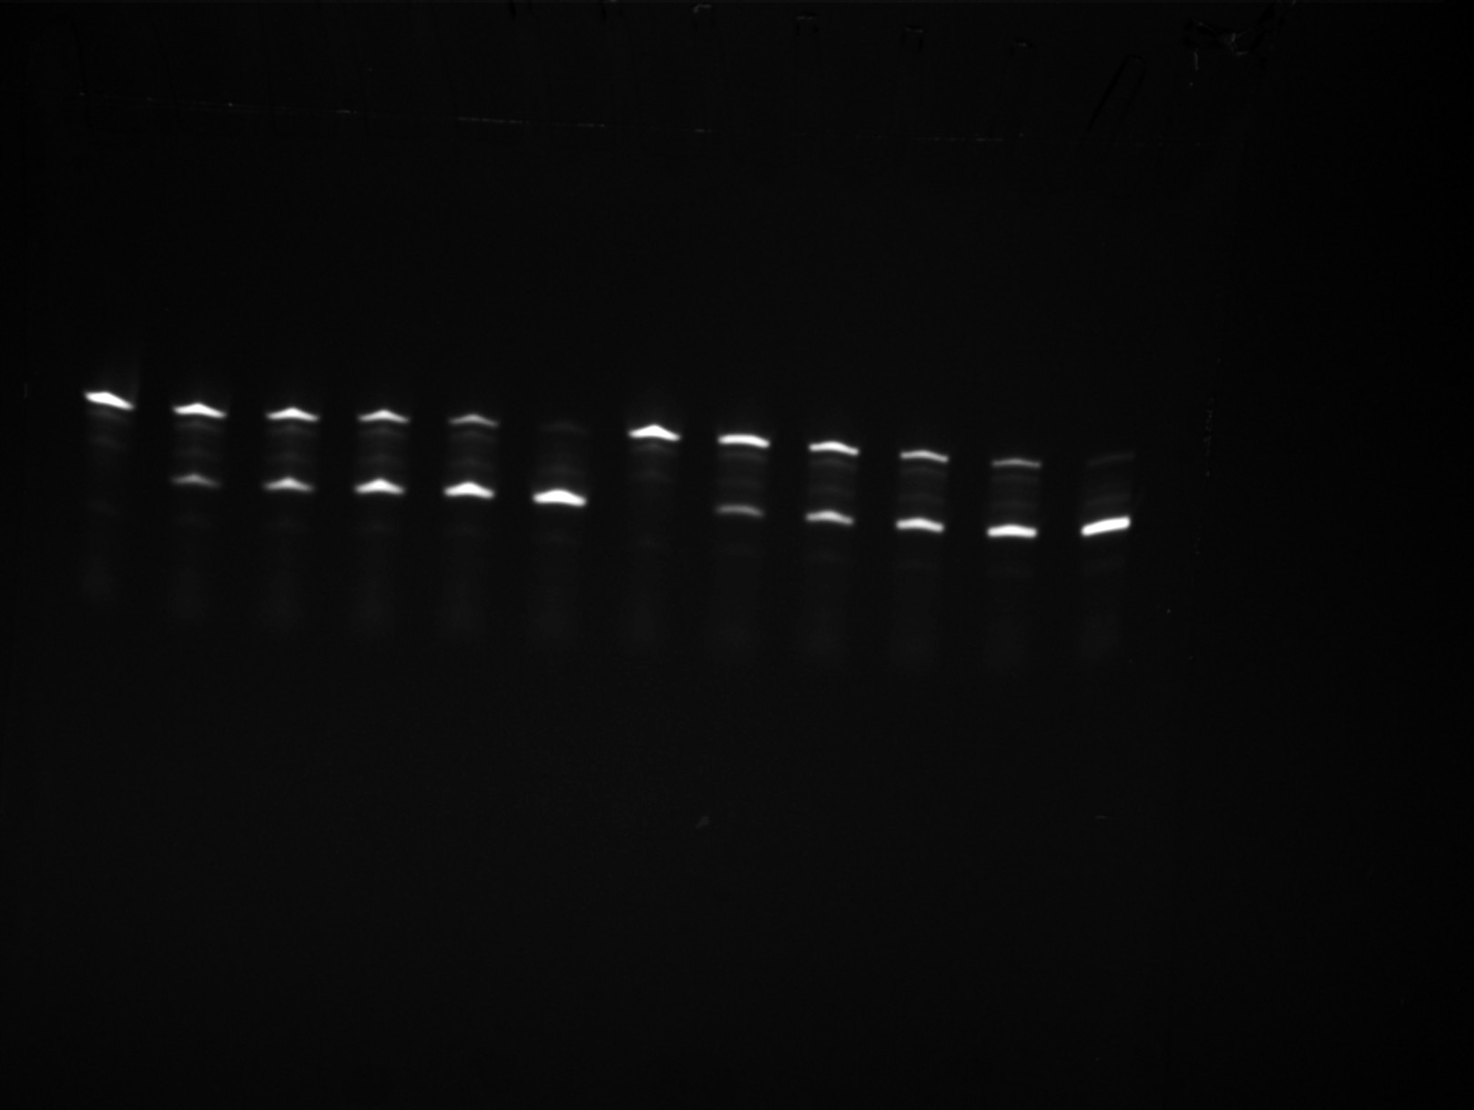
197434.00 |  |  | 29127.00 | 173349.00 |  |  | 11 | 83.712 | 6171.356 | 73.721282492 | 11 | 32 | 4122.844 | 128.838875
 |  |  |  |  |  |  | 12 | 171.136 | 8657 | 50.585499252 | 12 | 189.04 | 4471.363 | 23.652999365
0 | 0 | 2 | 123184 | 0 | 0 |  |  |  |  |  | 13 | 319.763 | 5927.24 | 18.536353487
43110 | 0.25162996212 |  | 107410 | 35566 | 0.24875503581 |  |  |  | 62.349232029 | 21.183821729
82513 | 0.42626956657 |  | 91094 | 63724 | 0.41160588562 |  |  |  |  |  |  |  | 47.578670091 | 34.388411363
114731 | 0.5946675789 |  | 74578 | 96217 | 0.56334787318
152929 | 0.73773607661 |  | 51004 | 117923 | 0.69807076429
202698 | 0.92271345072 |  | 12068 | 156431 | 0.92837939691 |  | [Figure S21]

0 | 0 | 3 | 119999 | 0 | 0
33320 | 0.2131347828 |  | 104378 | 35322 | 0.25284180387
55044 | 0.40166081684 |  | 83952 | 64423 | 0.43419039596
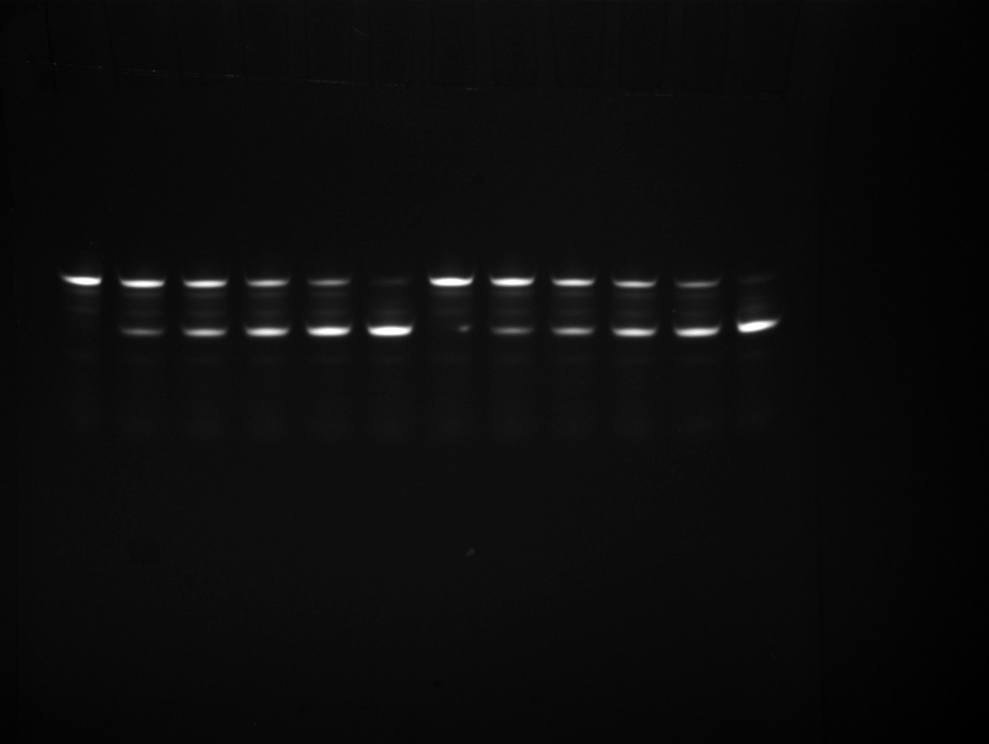
89130 | 0.59753023518 |  | 57425 | 84250 | 0.59467090171
104885 | 0.79745901889 |  | 32444 | 104815 | 0.76362934307
148903 | 1.0921846921 |  | -1941 | 142281 | 1.0138306969
...
 |  |  |  |  |  |  | [Figure S20]
0 |  | 3 | 0 | 0
0.00041652728833 |  |  | 0.25223588299 | 0.00085690151709
0.008254080269 |  |  | 0.43022998126 | 0.0056008721751
0.0087800980686 |  |  | 0.59466924031 | 2.349582344E-06
0.029279932551 |  |  | 0.75068270984 | 0.018309304302
0.065866155315 |  |  | 0.9682720738 | 0.064429622643
...
 |  |  |  |  |  |  | [Figure S20]
0 |  |  | 0 | 0
0.006247909325 |  |  | 3.7835382449 | 0.012853522756
0.12381120404 |  |  | 6.4534497189 | 0.084013082626
0.13170147103 |  |  | 8.9200386046 | 3.5243735159E-05
0.43919898827 |  |  | 11.260240648 | 0.27463956452
0.98799232972 |  |  | 14.524081107 | 0.96644433965
...

Figure 5
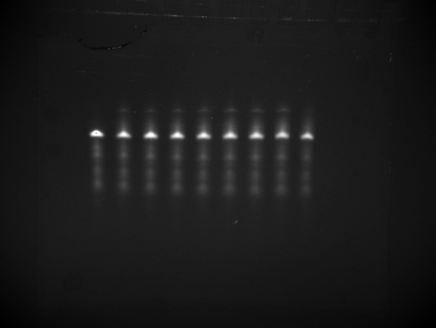
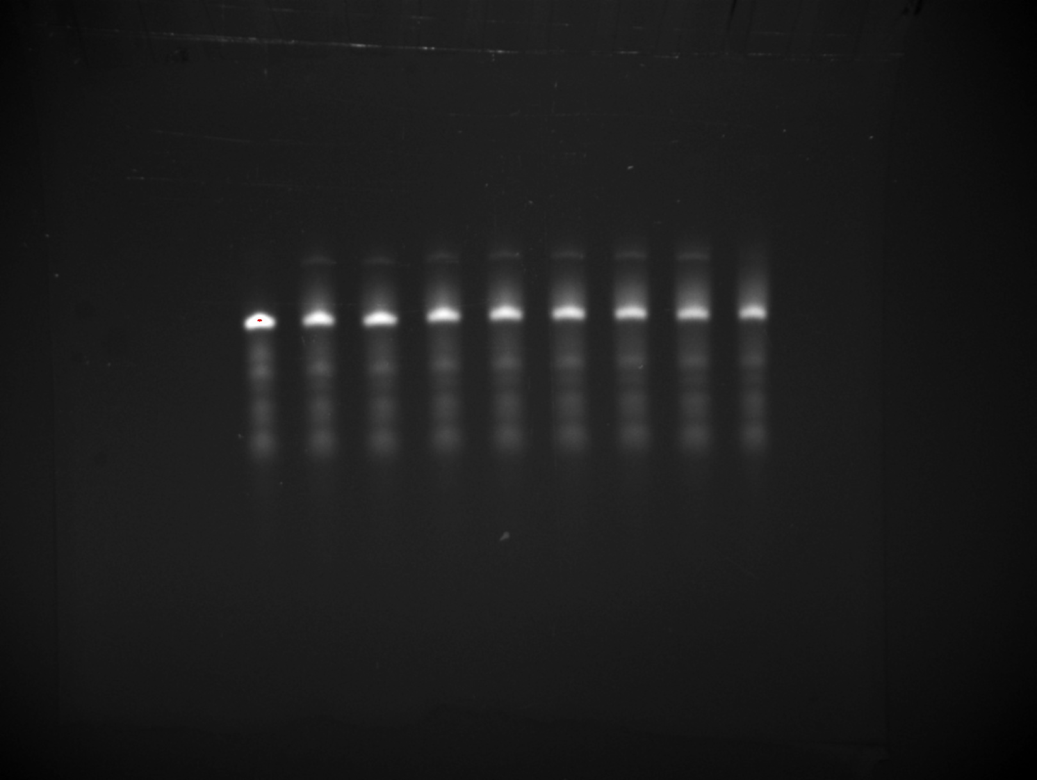
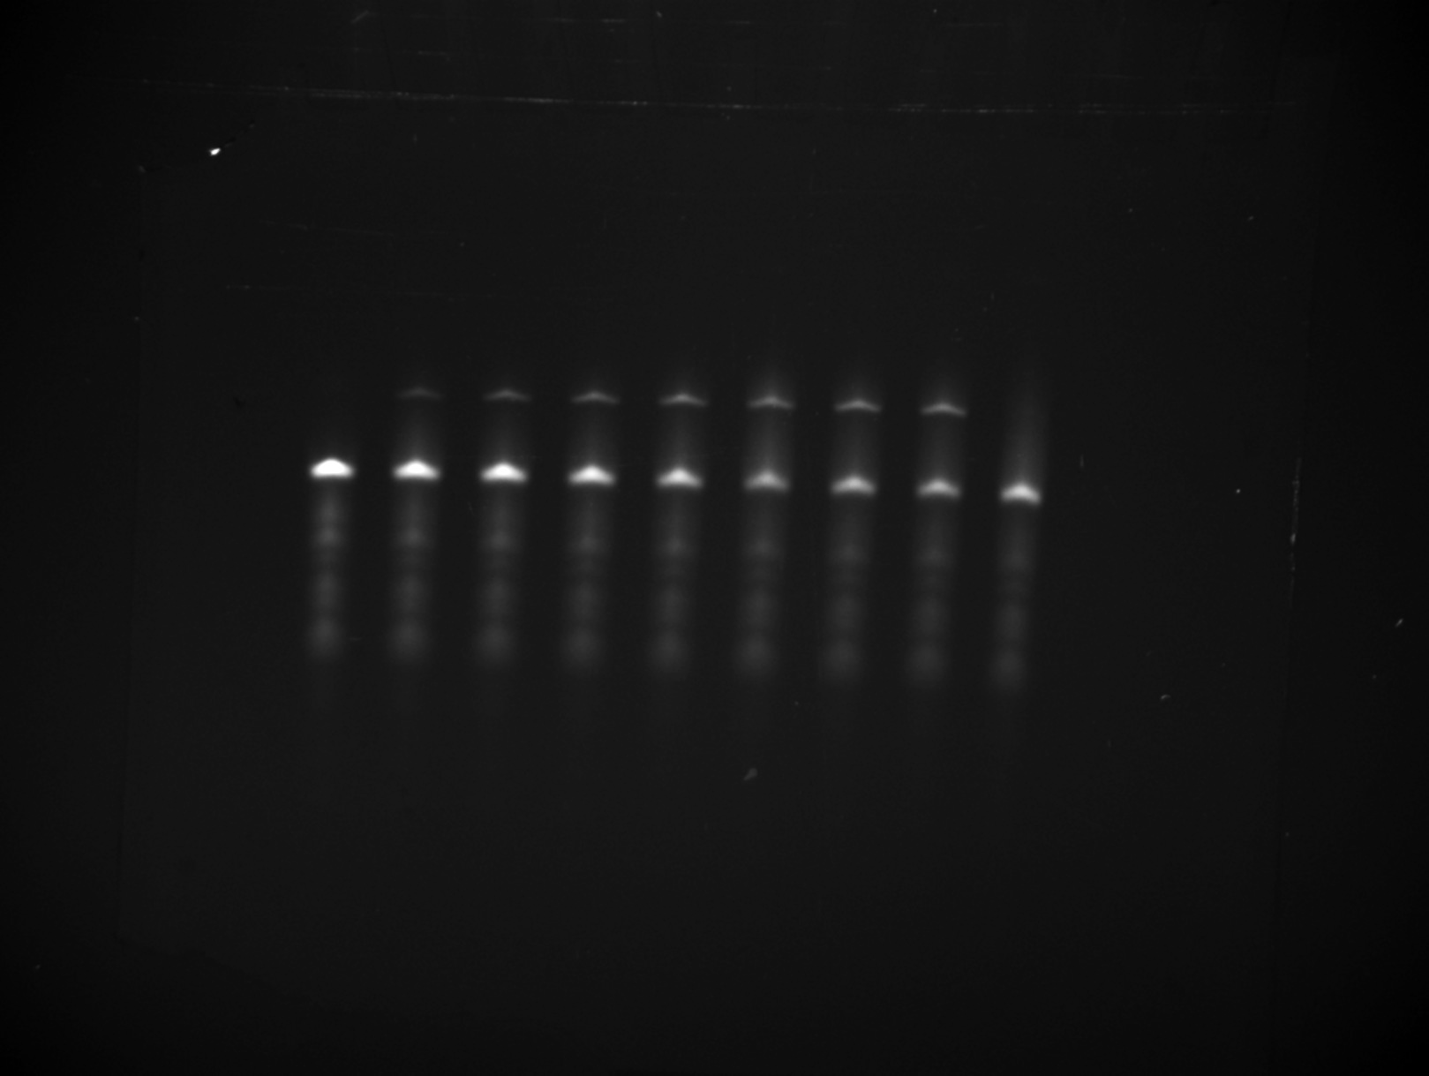
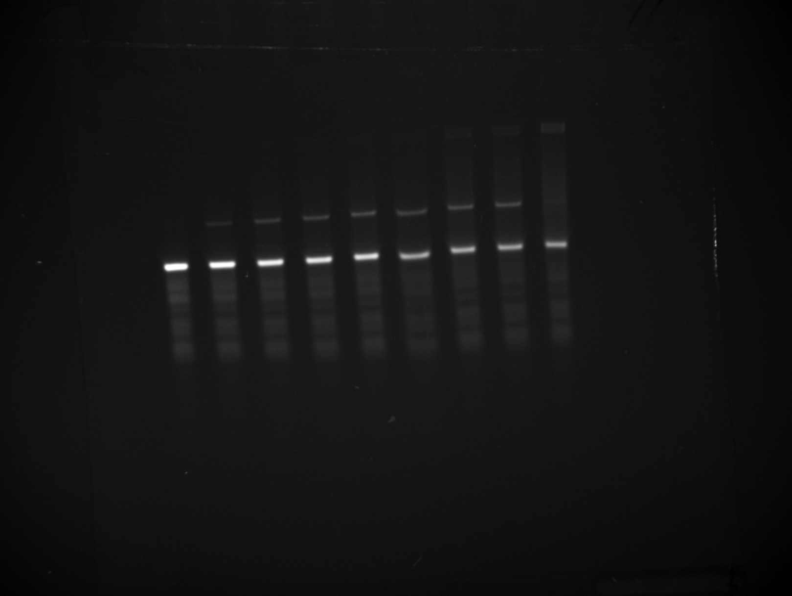
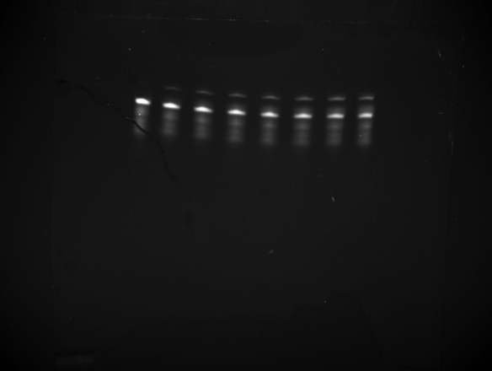
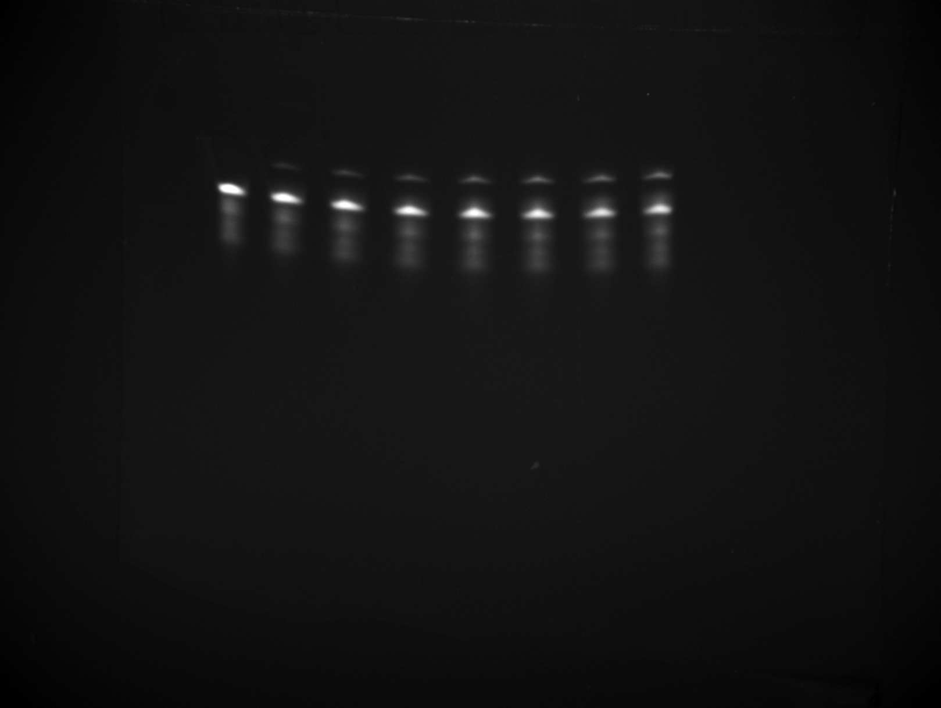
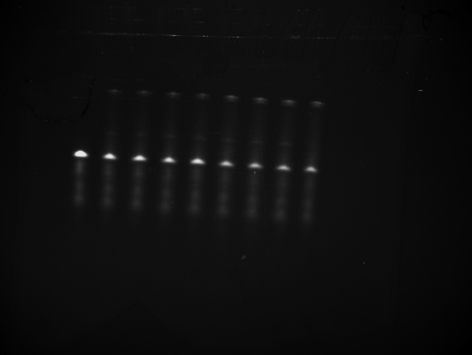
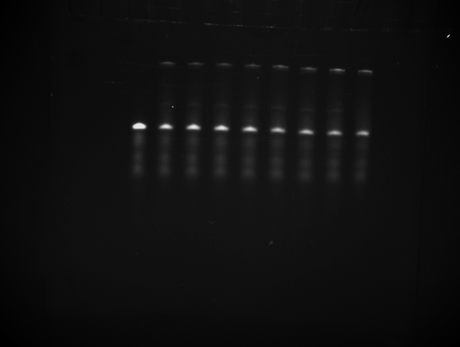
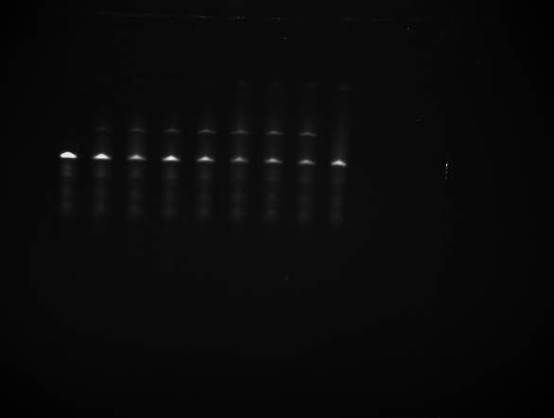
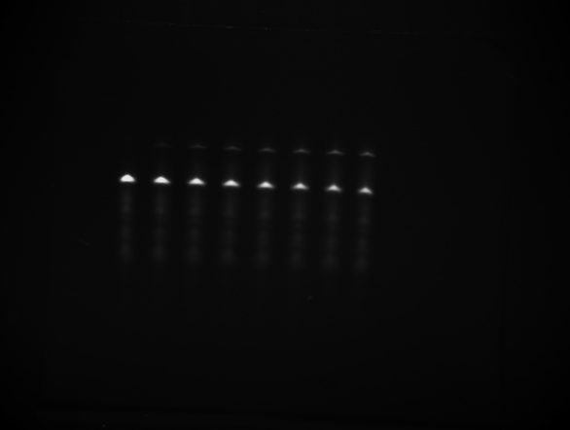


Time (min) | NC1 | sd | NC2 | sd | NSca1 | sd | NSca2 | sd | NSca3 | sd | NSca4 | sd
0 | 0 | 0 | 0 | 0 | 0 | 0 | 0 | 0 | 0 | 0 | 0 | 0
20 | 0.07223 | 0.00857 | 0.06878 | 0.00364 | 0.12369 | 0.00355 | 0.06735 | 0.00728 | 0.06524 | 0.00571 | 0.07721 | 0.00131
35 | 0.07141 | 0.0055 | 0.05968 | 0.00187 | 0.20556 | 0.00497 | 0.12271 | 0.01549 | 0.12393 | 0.00512 | 0.12419 | 0.00594
50 | 0.08885 | 0.00845 | 0.07773 | 0.00526 | 0.23899 | 0.0061 | 0.1471 | 0.01704 | 0.15174 | 0.01337 | 0.14853 | 0.00245
65 | 0.08814 | 0.01016 | 0.07428 | 0.0018 | 0.26828 | 0.00186 | 0.17878 | 0.01873 | 0.18548 | 0.01336 | 0.18277 | 0.00301
80 | 0.10046 | 0.00135 | 0.07902 | 0.0014 | 0.28057 | 7.87E-04 | 0.22383 | 0.02595 | 0.22465 | 0.01805 | 0.20976 | 0.00747
100 | 0.10612 | 0.00418 | 0.08918 | 0.00416 | 0.30981 | 0.00313 | 0.22986 | 0.02736 | 0.22941 | 0.04019 | 0.2356 | 0.00517
120 | 0.11432 | 0.00431 | 0.10929 | 7.64E-04 | 0.33669 | 0.00806 | 0.24386 | 0.02316 | 0.24637 | 0.03559 | 0.24592 | 0.00884

Figure S25
Filename: 20260401_KBH cleavage quant trial_2nd_1_5 sec_1 |  |  |  |  |  |  |  | Filename: 20260401_KBH cleavage quant trial_2nd_2_5 sec_1
Position: 257 248 |  |  |  |  |  |  |  | Position: 203 290
Intensity: 120057.00 | Intensity: 120057.00 | 120057.00 | 120057.00 | 11322.00 | 108735 | 0 | 0 | Intensity: 155101.00 | Intensity: 155101.00 | 155101.00 | 155101.00 | 21997 | 133104 | 0 | 0
 | Intensity: 114818.00 | 114818.00 | 114818.00 | 22206.00 | 103496 | 10884 | 0.095156495891 |  | Intensity: 151581.00 | 151581.00 | 151581.00 | 31036.00 | 129584 | 9039 | 0.065205629657
Filename: 20260401_KBH cleavage quant trial_2nd_1_5 sec_1 | Intensity: 109407.00 | 109407.00 | 109407.00 | 33960.00 | 98085 | 22638 | 0.18752019085 | Filename: 20260401_KBH cleavage quant trial_2nd_2_5 sec_1 | Intensity: 140659.00 | 140659.00 | 140659.00 | 48053.00 | 118662 | 26056 | 0.18004671154
Position: 329 242 | Intensity: 103156.00 | 103156.00 | 103156.00 | 39162.00 | 91834 | 27840 | 0.23263198356 | Position: 267 285 | Intensity: 135766.00 | 135766.00 | 135766.00 | 54746.00 | 113769 | 32749 | 0.2235151995
Intensity: 114818.00 | Intensity: 96501.00 | 96501.00 | 96501.00 | 42588.00 | 85179 | 31266 | 0.26850444416 | Intensity: 151581.00 | Intensity: 126691.00 | 126691.00 | 126691.00 | 59768.00 | 104694 | 37771 | 0.26512476749
 | Intensity: 94546.00 | 94546.00 | 94546.00 | 45641.00 | 83224 | 34319 | 0.29196974724 |  | Intensity: 120009.00 | 120009.00 | 120009.00 | 61695.00 | 98012 | 39698 | 0.28827245661
Filename: 20260401_KBH cleavage quant trial_2nd_1_5 sec_1 | Intensity: 87796.00 | 87796.00 | 87796.00 | 48403.00 | 76474 | 37081 | 0.32654660737 | Filename: 20260401_KBH cleavage quant trial_2nd_2_5 sec_1 | Intensity: 113199.00 | 113199.00 | 113199.00 | 63883.00 | 91202 | 41886 | 0.31472409233
Position: 408 245 | Intensity: 82616.00 | 82616.00 | 82616.00 | 50760.00 | 71294 | 39438 | 0.3561572084 | Position: 350 275 | Intensity: 103374.00 | 103374.00 | 103374.00 | 67798.00 | 81377 | 45801 | 0.36013304188
Intensity: 109407.00 | Intensity: 11322.00 | 11322.00 |  |  |  |  |  | Intensity: 140659.00 | Intensity: 21997.00 | 21997.00


 | Intensity: 22206.00 | 22206.00 |  |  |  |  |  |  | Intensity: 31036.00 | 31036.00 |  |  |  |  | 0 | 0
Filename: 20260401_KBH cleavage quant trial_2nd_1_5 sec_1 | Intensity: 33960.00 | 33960.00 |  |  |  |  |  | Filename: 20260401_KBH cleavage quant trial_2nd_2_5 sec_1 | Intensity: 48053.00 | 48053.00 |  |  |  |  | 0.080181062774 | 0.021178460616
Position: 487 240 | Intensity: 39162.00 | 39162.00 |  |  |  |  |  | Position: 437 277 | Intensity: 54746.00 | 54746.00 |  |  |  |  | 0.18378345119 | 0.0052845479024
Intensity: 103156.00 | Intensity: 42588.00 | 42588.00 |  |  |  |  |  | Intensity: 135766.00 | Intensity: 59768.00 | 59768.00 |  |  |  |  | 0.22807359153 | 0.0064465398298
 | Intensity: 45641.00 | 45641.00 |  |  |  |  |  |  | Intensity: 61695.00 | 61695.00 |  |  |  |  | 0.26681460582 | 0.0023897922926
Filename: 20260401_KBH cleavage quant trial_2nd_1_5 sec_1 | Intensity: 48403.00 | 48403.00 |  |  |  |  |  | Filename: 20260401_KBH cleavage quant trial_2nd_2_5 sec_1 | Intensity: 63883.00 | 63883.00 |  |  |  |  | 0.29012110193 | 0.0026143792763
Position: 564 240 | Intensity: 50760.00 | 50760.00 |  |  |  |  |  | Position: 519 273 | Intensity: 67798.00 | 67798.00 |  |  |  |  | 0.32063534985 | 0.0083597805562
Intensity: 96501.00 | Intensity: 9175.00 | 9175.00 |  |  |  |  |  | Intensity: 126691.00 | Intensity: 30599.00 | 30599.00 |  |  |  |  | 0.35814512514 | 0.0028113388169

Filename: 20260401_KBH cleavage quant trial_2nd_1_5 sec_1 |  |  |  |  |  |  |  | Filename: 20260401_KBH cleavage quant trial_2nd_2_5 sec_1
Position: 644 243 |  |  |  |  |  |  |  | Position: 601 273
Intensity: 94546.00 |  |  |  |  |  |  |  | Intensity: 120009.00

Filename: 20260401_KBH cleavage quant trial_2nd_1_5 sec_1 |  |  |  |  |  |  |  | Filename: 20260401_KBH cleavage quant trial_2nd_2_5 sec_1
Position: 719 239 |  |  |  |  |  |  |  | Position: 681 268
Intensity: 87796.00 |  |  |  |  |  |  |  | Intensity: 113199.00

Filename: 20260401_KBH cleavage quant trial_2nd_1_5 sec_1 |  |  |  |  |  |  |  | Filename: 20260401_KBH cleavage quant trial_2nd_2_5 sec_1
Position: 797 243 |  |  |  |  |  |  |  | Position: 757 271
Intensity: 82616.00 |  |  |  |  |  |  |  | Intensity: 103374.00
...

